PURA _multivariate
Reported by Tex Li-Hsing Chi. tex@gate.sinica.edu.tw 2019-08-16

Table 2. The clinicopathological features of HNSCC cohort and PURA expression. (Chi square test)
Cutoff at -0.188 (49.8%)
 |  | PURA expression |  | PURA expression |  | (Optimised)
 | Features | Low | (%) | High | (%) | Case no | P-value | Remark | Matthews
Gender | Female | 155 | 37.3 | 151 | 36.4 | 415 | 0.6768 | 0 | 0
2 | Male | 52 | 12.5 | 57 | 13.7
Age at diagnosis | <=65y | 137 | 33 | 137 | 33 | 415 | 1 | 0 | 0
4 | >65y | 70 | 16.9 | 71 | 17.1
Clinical T Status | T1+T2 | 64 | 15.4 | 85 | 20.5 | 415 | 0.0445 | 1 | 0
6 | T3+T4 | 143 | 34.5 | 123 | 29.6
Clinical N Status | N0 | 99 | 23.9 | 117 | 28.2 | 415 | 0.1054 | 0 | 0
8 | N1-3 | 108 | 26 | 91 | 21.9
Clinical M Status | M0 | 205 | 49.4 | 207 | 49.9 | 415 | 0.6232 | 0 | 0
10 | M1 | 2 | 0.5 | 1 | 0.2
Clinical Stage | Stage I+II | 40 | 9.6 | 62 | 14.9 | 415 | 0.018 | 1 | 0
12 | Stage III+IV | 167 | 40.2 | 146 | 35.2
Surgical Margin status | Negative | 159 | 38.3 | 159 | 38.3 | 415 | 1 | 0 | 0
14 | Positive | 48 | 11.6 | 49 | 11.8
Tobacco Exposure | Low | 75 | 18.1 | 86 | 20.7 | 415 | 0.3141 | 0 | 0
16 | High | 132 | 31.8 | 122 | 29.4

Table 3. Univariate/Multivariate Cox's proportional hazards regression analyses on OS time of PURA gene expression in HNSCC

 |  | Univariate |  |  |  | Multivariate
 | Features | HR | CI95%(L) | CI95%(H) | P-value | HR | CI95%(L) | CI95%(H) | P-value
1 | Female | 1 |  |  |  | 1
Gender | Male | 1.157 | 0.843 | 1.587 | 0.367 | 1.213 | 0.871 | 1.691 | 0.253
11 | <=65y | 1 |  |  |  | 1
Age at diagnosis | >65y | 1.329 | 0.99 | 1.784 | 0.058 | 1.418 | 1.042 | 1.929 | 0.026
12 | T1+T2 | 1 |  |  |  | 1
Clinical T Status | T3+T4 | 1.409 | 1.028 | 1.931 | 0.033 | 2.23 | 1.179 | 4.216 | 0.014
13 | N0 | 1 |  |  |  | 1
Clinical N Status | N1-3 | 1.185 | 0.89 | 1.577 | 0.246 | 1.262 | 0.885 | 1.801 | 0.199
14 | M0 | 1 |  |  |  | 1
Clinical M Status | M1 | 4.097 | 1.009 | 16.644 | 0.049 | 9.649 | 2.104 | 44.252 | 0.004
15 | Stage I+II | 1 |  |  |  | 1
Clinical Stage | Stage III+IV | 1.245 | 0.882 | 1.759 | 0.213 | 0.527 | 0.245 | 1.131 | 0.1
16 | Negative | 1 |  |  |  | 1
Surgical Margin status | Positive | 1.591 | 1.155 | 2.191 | 0.004 | 1.626 | 1.176 | 2.249 | 0.003
17 | Low | 1 |  |  |  | 1
Tobacco Exposure | High | 1.364 | 1.008 | 1.844 | 0.044 | 1.48 | 1.075 | 2.037 | 0.016
18 | Low | 1 |  |  |  | 1
RNAseq(z-score) | High | 1.231 | 0.924 | 1.641 | 0.156 | 1.324 | 0.985 | 1.779 | 0.063

Table 4. Univariate/Multivariate Cox's proportional hazards regression analyses on RFS time of PURA gene expression in HNSCC

 |  | Univariate |  |  |  | Multivariate
 | Features | HR | CI95%(L) | CI95%(H) | P-value | HR | CI95%(L) | CI95%(H) | P-value
1 | Female | 1 |  |  |  | 1
Gender | Male | 1.157 | 0.843 | 1.587 | 0.367 | 1.213 | 0.871 | 1.691 | 0.253
11 | <=65y | 1 |  |  |  | 1
Age at diagnosis | >65y | 1.329 | 0.99 | 1.784 | 0.058 | 1.418 | 1.042 | 1.929 | 0.026
12 | T1+T2 | 1 |  |  |  | 1
Clinical T Status | T3+T4 | 1.409 | 1.028 | 1.931 | 0.033 | 2.23 | 1.179 | 4.216 | 0.014
13 | N0 | 1 |  |  |  | 1
Clinical N Status | N1-3 | 1.185 | 0.89 | 1.577 | 0.246 | 1.262 | 0.885 | 1.801 | 0.199
14 | M0 | 1 |  |  |  | 1
Clinical M Status | M1 | 4.097 | 1.009 | 16.644 | 0.049 | 9.649 | 2.104 | 44.252 | 0.004
15 | Stage I+II | 1 |  |  |  | 1
Clinical Stage | Stage III+IV | 1.245 | 0.882 | 1.759 | 0.213 | 0.527 | 0.245 | 1.131 | 0.1
16 | Negative | 1 |  |  |  | 1
Surgical Margin status | Positive | 1.591 | 1.155 | 2.191 | 0.004 | 1.626 | 1.176 | 2.249 | 0.003
17 | Low | 1 |  |  |  | 1
Tobacco Exposure | High | 1.364 | 1.008 | 1.844 | 0.044 | 1.48 | 1.075 | 2.037 | 0.016
18 | Low | 1 |  |  |  | 1
RNAseq(z-score) | High | 1.231 | 0.924 | 1.641 | 0.156 | 1.324 | 0.985 | 1.779 | 0.063

Kaplan-Meier survival estimate: Cutoff at -0.188 (49.8%)



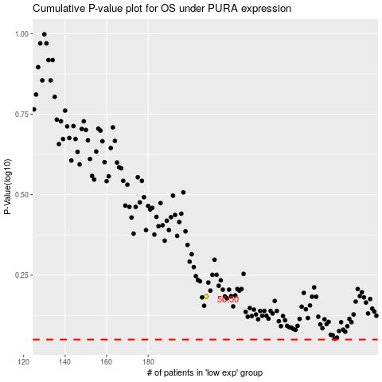

 |  |  |  |  |  | cases_OS | p_OS | rank | exp
 |  |  |  |  |  |  | cases_RFS | p_RFS | rank | exp

