PURB _multivariate
Reported by Tex Li-Hsing Chi. tex@gate.sinica.edu.tw 2019-08-16

Table 2. The clinicopathological features of HNSCC cohort and PURB expression. (Chi square test)
Cutoff at -0.135 (49.8%)
 |  | PURB expression |  | PURB expression |  | (Optimised)
 | Features | Low | (%) | High | (%) | Case no | P-value | Remark | Matthews
Gender | Female | 156 | 37.6 | 150 | 36.1 | 415 | 0.5222 | 0 | 0
2 | Male | 51 | 12.3 | 58 | 14
Age at diagnosis | <=65y | 138 | 33.3 | 136 | 32.8 | 415 | 0.8634 | 0 | 0
4 | >65y | 69 | 16.6 | 72 | 17.3
Clinical T Status | T1+T2 | 71 | 17.1 | 78 | 18.8 | 415 | 0.5638 | 0 | 0
6 | T3+T4 | 136 | 32.8 | 130 | 31.3
Clinical N Status | N0 | 103 | 24.8 | 113 | 27.2 | 415 | 0.4047 | 0 | 0
8 | N1-3 | 104 | 25.1 | 95 | 22.9
Clinical M Status | M0 | 206 | 49.6 | 206 | 49.6 | 415 | 1 | 0 | 0
10 | M1 | 1 | 0.2 | 2 | 0.5
Clinical Stage | Stage I+II | 43 | 10.4 | 59 | 14.2 | 415 | 0.0925 | 0 | 0
12 | Stage III+IV | 164 | 39.5 | 149 | 35.9
Surgical Margin status | Negative | 157 | 37.8 | 161 | 38.8 | 415 | 0.729 | 0 | 0
14 | Positive | 50 | 12 | 47 | 11.3
Tobacco Exposure | Low | 76 | 18.3 | 85 | 20.5 | 415 | 0.4207 | 0 | 0
16 | High | 131 | 31.6 | 123 | 29.6

Table 3. Univariate/Multivariate Cox's proportional hazards regression analyses on OS time of PURB gene expression in HNSCC

 |  | Univariate |  |  |  | Multivariate
 | Features | HR | CI95%(L) | CI95%(H) | P-value | HR | CI95%(L) | CI95%(H) | P-value
1 | Female | 1 |  |  |  | 1
Gender | Male | 1.157 | 0.843 | 1.587 | 0.367 | 1.191 | 0.852 | 1.664 | 0.307
11 | <=65y | 1 |  |  |  | 1
Age at diagnosis | >65y | 1.329 | 0.99 | 1.784 | 0.058 | 1.362 | 1.001 | 1.855 | 0.049
12 | T1+T2 | 1 |  |  |  | 1
Clinical T Status | T3+T4 | 1.409 | 1.028 | 1.931 | 0.033 | 2.152 | 1.136 | 4.075 | 0.019
13 | N0 | 1 |  |  |  | 1
Clinical N Status | N1-3 | 1.185 | 0.89 | 1.577 | 0.246 | 1.248 | 0.875 | 1.782 | 0.222
14 | M0 | 1 |  |  |  | 1
Clinical M Status | M1 | 4.097 | 1.009 | 16.644 | 0.049 | 8.953 | 1.95 | 41.098 | 0.005
15 | Stage I+II | 1 |  |  |  | 1
Clinical Stage | Stage III+IV | 1.245 | 0.882 | 1.759 | 0.213 | 0.522 | 0.243 | 1.122 | 0.096
16 | Negative | 1 |  |  |  | 1
Surgical Margin status | Positive | 1.591 | 1.155 | 2.191 | 0.004 | 1.681 | 1.215 | 2.324 | 0.002
17 | Low | 1 |  |  |  | 1
Tobacco Exposure | High | 1.364 | 1.008 | 1.844 | 0.044 | 1.449 | 1.052 | 1.997 | 0.023
18 | Low | 1 |  |  |  | 1
RNAseq(z-score) | High | 1.272 | 0.952 | 1.7 | 0.104 | 1.259 | 0.94 | 1.688 | 0.122

Table 4. Univariate/Multivariate Cox's proportional hazards regression analyses on RFS time of PURB gene expression in HNSCC

 |  | Univariate |  |  |  | Multivariate
 | Features | HR | CI95%(L) | CI95%(H) | P-value | HR | CI95%(L) | CI95%(H) | P-value
1 | Female | 1 |  |  |  | 1
Gender | Male | 1.157 | 0.843 | 1.587 | 0.367 | 1.191 | 0.852 | 1.664 | 0.307
11 | <=65y | 1 |  |  |  | 1
Age at diagnosis | >65y | 1.329 | 0.99 | 1.784 | 0.058 | 1.362 | 1.001 | 1.855 | 0.049
12 | T1+T2 | 1 |  |  |  | 1
Clinical T Status | T3+T4 | 1.409 | 1.028 | 1.931 | 0.033 | 2.152 | 1.136 | 4.075 | 0.019
13 | N0 | 1 |  |  |  | 1
Clinical N Status | N1-3 | 1.185 | 0.89 | 1.577 | 0.246 | 1.248 | 0.875 | 1.782 | 0.222
14 | M0 | 1 |  |  |  | 1
Clinical M Status | M1 | 4.097 | 1.009 | 16.644 | 0.049 | 8.953 | 1.95 | 41.098 | 0.005
15 | Stage I+II | 1 |  |  |  | 1
Clinical Stage | Stage III+IV | 1.245 | 0.882 | 1.759 | 0.213 | 0.522 | 0.243 | 1.122 | 0.096
16 | Negative | 1 |  |  |  | 1
Surgical Margin status | Positive | 1.591 | 1.155 | 2.191 | 0.004 | 1.681 | 1.215 | 2.324 | 0.002
17 | Low | 1 |  |  |  | 1
Tobacco Exposure | High | 1.364 | 1.008 | 1.844 | 0.044 | 1.449 | 1.052 | 1.997 | 0.023
18 | Low | 1 |  |  |  | 1
RNAseq(z-score) | High | 1.272 | 0.952 | 1.7 | 0.104 | 1.259 | 0.94 | 1.688 | 0.122

Kaplan-Meier survival estimate: Cutoff at -0.135 (49.8%)



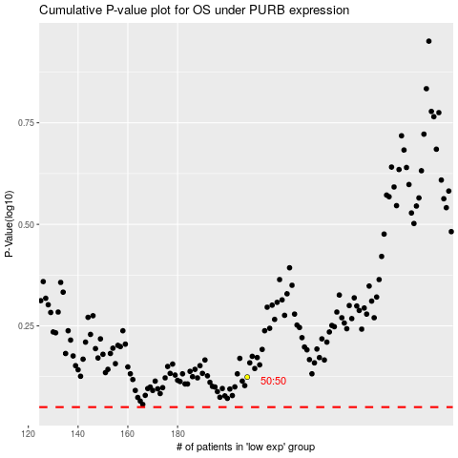

 |  |  |  |  |  | cases_OS | p_OS | rank | exp
 |  |  |  |  |  |  | cases_RFS | p_RFS | rank | exp

