PUS7 _multivariate
Reported by Tex Li-Hsing Chi. tex@gate.sinica.edu.tw 2019-08-16

Table 2. The clinicopathological features of HNSCC cohort and PUS7 expression. (Chi square test)
Cutoff at -0.115 (49.8%)
 |  | PUS7 expression |  | PUS7 expression |  | (Optimised)
 | Features | Low | (%) | High | (%) | Case no | P-value | Remark | Matthews
Gender | Female | 154 | 37.1 | 152 | 36.6 | 415 | 0.8463 | 0 | 0
2 | Male | 53 | 12.8 | 56 | 13.5
Age at diagnosis | <=65y | 137 | 33 | 137 | 33 | 415 | 1 | 0 | 0
4 | >65y | 70 | 16.9 | 71 | 17.1
Clinical T Status | T1+T2 | 85 | 20.5 | 64 | 15.4 | 415 | 0.0372 | 1 | 0
6 | T3+T4 | 122 | 29.4 | 144 | 34.7
Clinical N Status | N0 | 105 | 25.3 | 111 | 26.7 | 415 | 0.6598 | 0 | 0
8 | N1-3 | 102 | 24.6 | 97 | 23.4
Clinical M Status | M0 | 206 | 49.6 | 206 | 49.6 | 415 | 1 | 0 | 0
10 | M1 | 1 | 0.2 | 2 | 0.5
Clinical Stage | Stage I+II | 54 | 13 | 48 | 11.6 | 415 | 0.5498 | 0 | 0
12 | Stage III+IV | 153 | 36.9 | 160 | 38.6
Surgical Margin status | Negative | 154 | 37.1 | 164 | 39.5 | 415 | 0.2984 | 0 | 0
14 | Positive | 53 | 12.8 | 44 | 10.6
Tobacco Exposure | Low | 92 | 22.2 | 69 | 16.6 | 415 | 0.0206 | 1 | 0
16 | High | 115 | 27.7 | 139 | 33.5

Table 3. Univariate/Multivariate Cox's proportional hazards regression analyses on OS time of PUS7 gene expression in HNSCC

 |  | Univariate |  |  |  | Multivariate
 | Features | HR | CI95%(L) | CI95%(H) | P-value | HR | CI95%(L) | CI95%(H) | P-value
1 | Female | 1 |  |  |  | 1
Gender | Male | 1.157 | 0.843 | 1.587 | 0.367 | 1.199 | 0.858 | 1.676 | 0.288
11 | <=65y | 1 |  |  |  | 1
Age at diagnosis | >65y | 1.329 | 0.99 | 1.784 | 0.058 | 1.389 | 1.022 | 1.889 | 0.036
12 | T1+T2 | 1 |  |  |  | 1
Clinical T Status | T3+T4 | 1.409 | 1.028 | 1.931 | 0.033 | 2.177 | 1.149 | 4.126 | 0.017
13 | N0 | 1 |  |  |  | 1
Clinical N Status | N1-3 | 1.185 | 0.89 | 1.577 | 0.246 | 1.243 | 0.871 | 1.775 | 0.231
14 | M0 | 1 |  |  |  | 1
Clinical M Status | M1 | 4.097 | 1.009 | 16.644 | 0.049 | 9.266 | 2.018 | 42.547 | 0.004
15 | Stage I+II | 1 |  |  |  | 1
Clinical Stage | Stage III+IV | 1.245 | 0.882 | 1.759 | 0.213 | 0.507 | 0.236 | 1.089 | 0.082
16 | Negative | 1 |  |  |  | 1
Surgical Margin status | Positive | 1.591 | 1.155 | 2.191 | 0.004 | 1.68 | 1.215 | 2.323 | 0.002
17 | Low | 1 |  |  |  | 1
Tobacco Exposure | High | 1.364 | 1.008 | 1.844 | 0.044 | 1.447 | 1.049 | 1.995 | 0.024
18 | Low | 1 |  |  |  | 1
RNAseq(z-score) | High | 1.128 | 0.845 | 1.506 | 0.415 | 1.062 | 0.792 | 1.424 | 0.687

Table 4. Univariate/Multivariate Cox's proportional hazards regression analyses on RFS time of PUS7 gene expression in HNSCC

 |  | Univariate |  |  |  | Multivariate
 | Features | HR | CI95%(L) | CI95%(H) | P-value | HR | CI95%(L) | CI95%(H) | P-value
1 | Female | 1 |  |  |  | 1
Gender | Male | 1.157 | 0.843 | 1.587 | 0.367 | 1.199 | 0.858 | 1.676 | 0.288
11 | <=65y | 1 |  |  |  | 1
Age at diagnosis | >65y | 1.329 | 0.99 | 1.784 | 0.058 | 1.389 | 1.022 | 1.889 | 0.036
12 | T1+T2 | 1 |  |  |  | 1
Clinical T Status | T3+T4 | 1.409 | 1.028 | 1.931 | 0.033 | 2.177 | 1.149 | 4.126 | 0.017
13 | N0 | 1 |  |  |  | 1
Clinical N Status | N1-3 | 1.185 | 0.89 | 1.577 | 0.246 | 1.243 | 0.871 | 1.775 | 0.231
14 | M0 | 1 |  |  |  | 1
Clinical M Status | M1 | 4.097 | 1.009 | 16.644 | 0.049 | 9.266 | 2.018 | 42.547 | 0.004
15 | Stage I+II | 1 |  |  |  | 1
Clinical Stage | Stage III+IV | 1.245 | 0.882 | 1.759 | 0.213 | 0.507 | 0.236 | 1.089 | 0.082
16 | Negative | 1 |  |  |  | 1
Surgical Margin status | Positive | 1.591 | 1.155 | 2.191 | 0.004 | 1.68 | 1.215 | 2.323 | 0.002
17 | Low | 1 |  |  |  | 1
Tobacco Exposure | High | 1.364 | 1.008 | 1.844 | 0.044 | 1.447 | 1.049 | 1.995 | 0.024
18 | Low | 1 |  |  |  | 1
RNAseq(z-score) | High | 1.128 | 0.845 | 1.506 | 0.415 | 1.062 | 0.792 | 1.424 | 0.687

Kaplan-Meier survival estimate: Cutoff at -0.115 (49.8%)



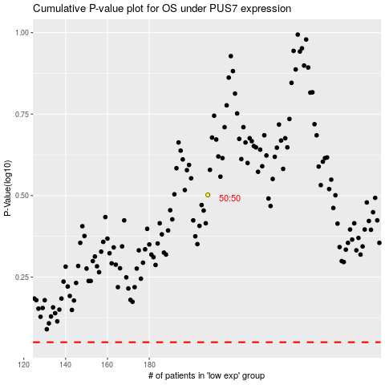

 |  |  |  |  |  | cases_OS | p_OS | rank | exp
 |  |  |  |  |  |  | cases_RFS | p_RFS | rank | exp

