PUS7L _multivariate
Reported by Tex Li-Hsing Chi. tex@gate.sinica.edu.tw 2019-08-16

Table 2. The clinicopathological features of HNSCC cohort and PUS7L expression. (Chi square test)
Cutoff at -0.165 (49.8%)
 |  | PUS7L expression |  | PUS7L expression |  | (Optimised)
 | Features | Low | (%) | High | (%) | Case no | P-value | Remark | Matthews
Gender | Female | 149 | 35.9 | 157 | 37.8 | 415 | 0.4848 | 0 | 0
2 | Male | 58 | 14 | 51 | 12.3
Age at diagnosis | <=65y | 139 | 33.5 | 135 | 32.5 | 415 | 0.7044 | 0 | 0
4 | >65y | 68 | 16.4 | 73 | 17.6
Clinical T Status | T1+T2 | 65 | 15.7 | 84 | 20.2 | 415 | 0.0711 | 0 | 0
6 | T3+T4 | 142 | 34.2 | 124 | 29.9
Clinical N Status | N0 | 103 | 24.8 | 113 | 27.2 | 415 | 0.4047 | 0 | 0
8 | N1-3 | 104 | 25.1 | 95 | 22.9
Clinical M Status | M0 | 205 | 49.4 | 207 | 49.9 | 415 | 0.6232 | 0 | 0
10 | M1 | 2 | 0.5 | 1 | 0.2
Clinical Stage | Stage I+II | 41 | 9.9 | 61 | 14.7 | 415 | 0.0325 | 1 | 0
12 | Stage III+IV | 166 | 40 | 147 | 35.4
Surgical Margin status | Negative | 155 | 37.3 | 163 | 39.3 | 415 | 0.4187 | 0 | 0
14 | Positive | 52 | 12.5 | 45 | 10.8
Tobacco Exposure | Low | 81 | 19.5 | 80 | 19.3 | 415 | 0.9199 | 0 | 0
16 | High | 126 | 30.4 | 128 | 30.8

Table 3. Univariate/Multivariate Cox's proportional hazards regression analyses on OS time of PUS7L gene expression in HNSCC

 |  | Univariate |  |  |  | Multivariate
 | Features | HR | CI95%(L) | CI95%(H) | P-value | HR | CI95%(L) | CI95%(H) | P-value
1 | Female | 1 |  |  |  | 1
Gender | Male | 1.157 | 0.843 | 1.587 | 0.367 | 1.206 | 0.862 | 1.688 | 0.275
11 | <=65y | 1 |  |  |  | 1
Age at diagnosis | >65y | 1.329 | 0.99 | 1.784 | 0.058 | 1.391 | 1.023 | 1.891 | 0.035
12 | T1+T2 | 1 |  |  |  | 1
Clinical T Status | T3+T4 | 1.409 | 1.028 | 1.931 | 0.033 | 2.206 | 1.167 | 4.173 | 0.015
13 | N0 | 1 |  |  |  | 1
Clinical N Status | N1-3 | 1.185 | 0.89 | 1.577 | 0.246 | 1.238 | 0.867 | 1.768 | 0.239
14 | M0 | 1 |  |  |  | 1
Clinical M Status | M1 | 4.097 | 1.009 | 16.644 | 0.049 | 9.517 | 2.067 | 43.82 | 0.004
15 | Stage I+II | 1 |  |  |  | 1
Clinical Stage | Stage III+IV | 1.245 | 0.882 | 1.759 | 0.213 | 0.506 | 0.236 | 1.087 | 0.081
16 | Negative | 1 |  |  |  | 1
Surgical Margin status | Positive | 1.591 | 1.155 | 2.191 | 0.004 | 1.675 | 1.211 | 2.315 | 0.002
17 | Low | 1 |  |  |  | 1
Tobacco Exposure | High | 1.364 | 1.008 | 1.844 | 0.044 | 1.455 | 1.056 | 2.005 | 0.022
18 | Low | 1 |  |  |  | 1
RNAseq(z-score) | High | 0.947 | 0.711 | 1.263 | 0.713 | 1.03 | 0.769 | 1.379 | 0.844

Table 4. Univariate/Multivariate Cox's proportional hazards regression analyses on RFS time of PUS7L gene expression in HNSCC

 |  | Univariate |  |  |  | Multivariate
 | Features | HR | CI95%(L) | CI95%(H) | P-value | HR | CI95%(L) | CI95%(H) | P-value
1 | Female | 1 |  |  |  | 1
Gender | Male | 1.157 | 0.843 | 1.587 | 0.367 | 1.206 | 0.862 | 1.688 | 0.275
11 | <=65y | 1 |  |  |  | 1
Age at diagnosis | >65y | 1.329 | 0.99 | 1.784 | 0.058 | 1.391 | 1.023 | 1.891 | 0.035
12 | T1+T2 | 1 |  |  |  | 1
Clinical T Status | T3+T4 | 1.409 | 1.028 | 1.931 | 0.033 | 2.206 | 1.167 | 4.173 | 0.015
13 | N0 | 1 |  |  |  | 1
Clinical N Status | N1-3 | 1.185 | 0.89 | 1.577 | 0.246 | 1.238 | 0.867 | 1.768 | 0.239
14 | M0 | 1 |  |  |  | 1
Clinical M Status | M1 | 4.097 | 1.009 | 16.644 | 0.049 | 9.517 | 2.067 | 43.82 | 0.004
15 | Stage I+II | 1 |  |  |  | 1
Clinical Stage | Stage III+IV | 1.245 | 0.882 | 1.759 | 0.213 | 0.506 | 0.236 | 1.087 | 0.081
16 | Negative | 1 |  |  |  | 1
Surgical Margin status | Positive | 1.591 | 1.155 | 2.191 | 0.004 | 1.675 | 1.211 | 2.315 | 0.002
17 | Low | 1 |  |  |  | 1
Tobacco Exposure | High | 1.364 | 1.008 | 1.844 | 0.044 | 1.455 | 1.056 | 2.005 | 0.022
18 | Low | 1 |  |  |  | 1
RNAseq(z-score) | High | 0.947 | 0.711 | 1.263 | 0.713 | 1.03 | 0.769 | 1.379 | 0.844

Kaplan-Meier survival estimate: Cutoff at -0.165 (49.8%)



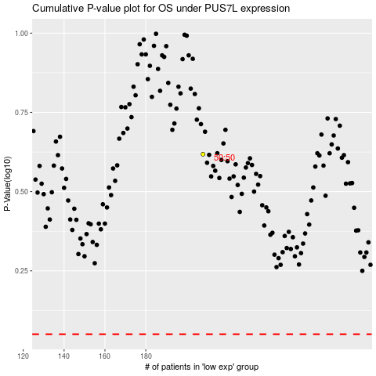

 |  |  |  |  |  | cases_OS | p_OS | rank | exp
 |  |  |  |  |  |  | cases_RFS | p_RFS | rank | exp

