PVALB _multivariate
Reported by Tex Li-Hsing Chi. tex@gate.sinica.edu.tw 2019-08-16

Table 2. The clinicopathological features of HNSCC cohort and PVALB expression. (Chi square test)
Cutoff at -0.237 (50.0%)
 |  | PVALB expression |  | PVALB expression |  | (Optimised)
 | Features | Low | (%) | High | (%) | Case no | P-value | Remark | Matthews
Gender | Female | 150 | 36.1 | 156 | 37.6 | 415 | 0.6344 | 0 | 0
2 | Male | 57 | 13.7 | 52 | 12.5
Age at diagnosis | <=65y | 128 | 30.8 | 146 | 35.2 | 415 | 0.0904 | 0 | 0
4 | >65y | 79 | 19 | 62 | 14.9
Clinical T Status | T1+T2 | 65 | 15.7 | 84 | 20.2 | 415 | 0.0711 | 0 | 0
6 | T3+T4 | 142 | 34.2 | 124 | 29.9
Clinical N Status | N0 | 112 | 27 | 104 | 25.1 | 415 | 0.4599 | 0 | 0
8 | N1-3 | 95 | 22.9 | 104 | 25.1
Clinical M Status | M0 | 206 | 49.6 | 206 | 49.6 | 415 | 1 | 0 | 0
10 | M1 | 1 | 0.2 | 2 | 0.5
Clinical Stage | Stage I+II | 44 | 10.6 | 58 | 14 | 415 | 0.1459 | 0 | 0
12 | Stage III+IV | 163 | 39.3 | 150 | 36.1
Surgical Margin status | Negative | 151 | 36.4 | 167 | 40.2 | 415 | 0.0828 | 0 | 0
14 | Positive | 56 | 13.5 | 41 | 9.9
Tobacco Exposure | Low | 83 | 20 | 78 | 18.8 | 415 | 0.6152 | 0 | 0
16 | High | 124 | 29.9 | 130 | 31.3

Table 3. Univariate/Multivariate Cox's proportional hazards regression analyses on OS time of PVALB gene expression in HNSCC

 |  | Univariate |  |  |  | Multivariate
 | Features | HR | CI95%(L) | CI95%(H) | P-value | HR | CI95%(L) | CI95%(H) | P-value
1 | Female | 1 |  |  |  | 1
Gender | Male | 1.157 | 0.843 | 1.587 | 0.367 | 1.2 | 0.859 | 1.677 | 0.285
11 | <=65y | 1 |  |  |  | 1
Age at diagnosis | >65y | 1.329 | 0.99 | 1.784 | 0.058 | 1.401 | 1.029 | 1.909 | 0.032
12 | T1+T2 | 1 |  |  |  | 1
Clinical T Status | T3+T4 | 1.409 | 1.028 | 1.931 | 0.033 | 2.197 | 1.161 | 4.155 | 0.016
13 | N0 | 1 |  |  |  | 1
Clinical N Status | N1-3 | 1.185 | 0.89 | 1.577 | 0.246 | 1.234 | 0.864 | 1.763 | 0.248
14 | M0 | 1 |  |  |  | 1
Clinical M Status | M1 | 4.097 | 1.009 | 16.644 | 0.049 | 9.234 | 2.008 | 42.455 | 0.004
15 | Stage I+II | 1 |  |  |  | 1
Clinical Stage | Stage III+IV | 1.245 | 0.882 | 1.759 | 0.213 | 0.51 | 0.237 | 1.098 | 0.085
16 | Negative | 1 |  |  |  | 1
Surgical Margin status | Positive | 1.591 | 1.155 | 2.191 | 0.004 | 1.686 | 1.216 | 2.336 | 0.002
17 | Low | 1 |  |  |  | 1
Tobacco Exposure | High | 1.364 | 1.008 | 1.844 | 0.044 | 1.446 | 1.048 | 1.994 | 0.025
18 | Low | 1 |  |  |  | 1
RNAseq(z-score) | High | 0.997 | 0.747 | 1.33 | 0.982 | 1.058 | 0.785 | 1.427 | 0.711

Table 4. Univariate/Multivariate Cox's proportional hazards regression analyses on RFS time of PVALB gene expression in HNSCC

 |  | Univariate |  |  |  | Multivariate
 | Features | HR | CI95%(L) | CI95%(H) | P-value | HR | CI95%(L) | CI95%(H) | P-value
1 | Female | 1 |  |  |  | 1
Gender | Male | 1.157 | 0.843 | 1.587 | 0.367 | 1.2 | 0.859 | 1.677 | 0.285
11 | <=65y | 1 |  |  |  | 1
Age at diagnosis | >65y | 1.329 | 0.99 | 1.784 | 0.058 | 1.401 | 1.029 | 1.909 | 0.032
12 | T1+T2 | 1 |  |  |  | 1
Clinical T Status | T3+T4 | 1.409 | 1.028 | 1.931 | 0.033 | 2.197 | 1.161 | 4.155 | 0.016
13 | N0 | 1 |  |  |  | 1
Clinical N Status | N1-3 | 1.185 | 0.89 | 1.577 | 0.246 | 1.234 | 0.864 | 1.763 | 0.248
14 | M0 | 1 |  |  |  | 1
Clinical M Status | M1 | 4.097 | 1.009 | 16.644 | 0.049 | 9.234 | 2.008 | 42.455 | 0.004
15 | Stage I+II | 1 |  |  |  | 1
Clinical Stage | Stage III+IV | 1.245 | 0.882 | 1.759 | 0.213 | 0.51 | 0.237 | 1.098 | 0.085
16 | Negative | 1 |  |  |  | 1
Surgical Margin status | Positive | 1.591 | 1.155 | 2.191 | 0.004 | 1.686 | 1.216 | 2.336 | 0.002
17 | Low | 1 |  |  |  | 1
Tobacco Exposure | High | 1.364 | 1.008 | 1.844 | 0.044 | 1.446 | 1.048 | 1.994 | 0.025
18 | Low | 1 |  |  |  | 1
RNAseq(z-score) | High | 0.997 | 0.747 | 1.33 | 0.982 | 1.058 | 0.785 | 1.427 | 0.711

Kaplan-Meier survival estimate: Cutoff at -0.237 (50.0%)



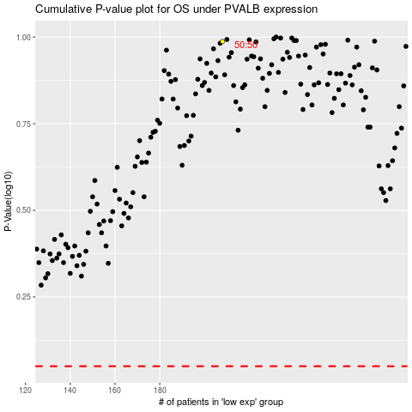

 |  |  |  |  |  | cases_OS | p_OS | rank | exp
 |  |  |  |  |  |  | cases_RFS | p_RFS | rank | exp

