PVRL1 _multivariate
Reported by Tex Li-Hsing Chi. tex@gate.sinica.edu.tw 2019-08-16

Table 2. The clinicopathological features of HNSCC cohort and PVRL1 expression. (Chi square test)
Cutoff at -0.188 (49.8%)
 |  | PVRL1 expression |  | PVRL1 expression |  | (Optimised)
 | Features | Low | (%) | High | (%) | Case no | P-value | Remark | Matthews
Gender | Female | 164 | 39.5 | 142 | 34.2 | 415 | 0.0153 | 1 | 0
2 | Male | 43 | 10.4 | 66 | 15.9
Age at diagnosis | <=65y | 146 | 35.2 | 128 | 30.8 | 415 | 0.0672 | 0 | 0
4 | >65y | 61 | 14.7 | 80 | 19.3
Clinical T Status | T1+T2 | 82 | 19.8 | 67 | 16.1 | 415 | 0.1417 | 0 | 0
6 | T3+T4 | 125 | 30.1 | 141 | 34
Clinical N Status | N0 | 83 | 20 | 133 | 32 | 415 | 0 | 1 | 0
8 | N1-3 | 124 | 29.9 | 75 | 18.1
Clinical M Status | M0 | 206 | 49.6 | 206 | 49.6 | 415 | 1 | 0 | 0
10 | M1 | 1 | 0.2 | 2 | 0.5
Clinical Stage | Stage I+II | 46 | 11.1 | 56 | 13.5 | 415 | 0.3182 | 0 | 0
12 | Stage III+IV | 161 | 38.8 | 152 | 36.6
Surgical Margin status | Negative | 145 | 34.9 | 173 | 41.7 | 415 | 0.0017 | 1 | 0
14 | Positive | 62 | 14.9 | 35 | 8.4
Tobacco Exposure | Low | 73 | 17.6 | 88 | 21.2 | 415 | 0.1587 | 0 | 0
16 | High | 134 | 32.3 | 120 | 28.9

Table 3. Univariate/Multivariate Cox's proportional hazards regression analyses on OS time of PVRL1 gene expression in HNSCC

 |  | Univariate |  |  |  | Multivariate
 | Features | HR | CI95%(L) | CI95%(H) | P-value | HR | CI95%(L) | CI95%(H) | P-value
1 | Female | 1 |  |  |  | 1
Gender | Male | 1.157 | 0.843 | 1.587 | 0.367 | 1.206 | 0.862 | 1.687 | 0.273
11 | <=65y | 1 |  |  |  | 1
Age at diagnosis | >65y | 1.329 | 0.99 | 1.784 | 0.058 | 1.393 | 1.025 | 1.894 | 0.034
12 | T1+T2 | 1 |  |  |  | 1
Clinical T Status | T3+T4 | 1.409 | 1.028 | 1.931 | 0.033 | 2.209 | 1.168 | 4.178 | 0.015
13 | N0 | 1 |  |  |  | 1
Clinical N Status | N1-3 | 1.185 | 0.89 | 1.577 | 0.246 | 1.228 | 0.853 | 1.768 | 0.27
14 | M0 | 1 |  |  |  | 1
Clinical M Status | M1 | 4.097 | 1.009 | 16.644 | 0.049 | 9.583 | 2.077 | 44.22 | 0.004
15 | Stage I+II | 1 |  |  |  | 1
Clinical Stage | Stage III+IV | 1.245 | 0.882 | 1.759 | 0.213 | 0.506 | 0.236 | 1.085 | 0.08
16 | Negative | 1 |  |  |  | 1
Surgical Margin status | Positive | 1.591 | 1.155 | 2.191 | 0.004 | 1.657 | 1.191 | 2.305 | 0.003
17 | Low | 1 |  |  |  | 1
Tobacco Exposure | High | 1.364 | 1.008 | 1.844 | 0.044 | 1.446 | 1.048 | 1.996 | 0.025
18 | Low | 1 |  |  |  | 1
RNAseq(z-score) | High | 0.907 | 0.681 | 1.208 | 0.506 | 0.961 | 0.707 | 1.306 | 0.799

Table 4. Univariate/Multivariate Cox's proportional hazards regression analyses on RFS time of PVRL1 gene expression in HNSCC

 |  | Univariate |  |  |  | Multivariate
 | Features | HR | CI95%(L) | CI95%(H) | P-value | HR | CI95%(L) | CI95%(H) | P-value
1 | Female | 1 |  |  |  | 1
Gender | Male | 1.157 | 0.843 | 1.587 | 0.367 | 1.206 | 0.862 | 1.687 | 0.273
11 | <=65y | 1 |  |  |  | 1
Age at diagnosis | >65y | 1.329 | 0.99 | 1.784 | 0.058 | 1.393 | 1.025 | 1.894 | 0.034
12 | T1+T2 | 1 |  |  |  | 1
Clinical T Status | T3+T4 | 1.409 | 1.028 | 1.931 | 0.033 | 2.209 | 1.168 | 4.178 | 0.015
13 | N0 | 1 |  |  |  | 1
Clinical N Status | N1-3 | 1.185 | 0.89 | 1.577 | 0.246 | 1.228 | 0.853 | 1.768 | 0.27
14 | M0 | 1 |  |  |  | 1
Clinical M Status | M1 | 4.097 | 1.009 | 16.644 | 0.049 | 9.583 | 2.077 | 44.22 | 0.004
15 | Stage I+II | 1 |  |  |  | 1
Clinical Stage | Stage III+IV | 1.245 | 0.882 | 1.759 | 0.213 | 0.506 | 0.236 | 1.085 | 0.08
16 | Negative | 1 |  |  |  | 1
Surgical Margin status | Positive | 1.591 | 1.155 | 2.191 | 0.004 | 1.657 | 1.191 | 2.305 | 0.003
17 | Low | 1 |  |  |  | 1
Tobacco Exposure | High | 1.364 | 1.008 | 1.844 | 0.044 | 1.446 | 1.048 | 1.996 | 0.025
18 | Low | 1 |  |  |  | 1
RNAseq(z-score) | High | 0.907 | 0.681 | 1.208 | 0.506 | 0.961 | 0.707 | 1.306 | 0.799

Kaplan-Meier survival estimate: Cutoff at -0.188 (49.8%)



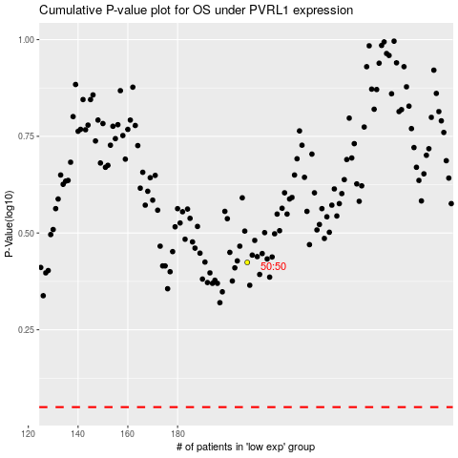

 |  |  |  |  |  | cases_OS | p_OS | rank | exp
 |  |  |  |  |  |  | cases_RFS | p_RFS | rank | exp

