PVRL2 _multivariate
Reported by Tex Li-Hsing Chi. tex@gate.sinica.edu.tw 2019-08-16

Table 2. The clinicopathological features of HNSCC cohort and PVRL2 expression. (Chi square test)
Cutoff at -0.162 (50.0%)
 |  | PVRL2 expression |  | PVRL2 expression |  | (Optimised)
 | Features | Low | (%) | High | (%) | Case no | P-value | Remark | Matthews
Gender | Female | 158 | 38.1 | 148 | 35.7 | 415 | 0.2774 | 0 | 0
2 | Male | 49 | 11.8 | 60 | 14.5
Age at diagnosis | <=65y | 148 | 35.7 | 126 | 30.4 | 415 | 0.0248 | 1 | 0
4 | >65y | 59 | 14.2 | 82 | 19.8
Clinical T Status | T1+T2 | 92 | 22.2 | 57 | 13.7 | 415 | 4e-04 | 1 | 0
6 | T3+T4 | 115 | 27.7 | 151 | 36.4
Clinical N Status | N0 | 114 | 27.5 | 102 | 24.6 | 415 | 0.2576 | 1 | 0
8 | N1-3 | 93 | 22.4 | 106 | 25.5
Clinical M Status | M0 | 205 | 49.4 | 207 | 49.9 | 415 | 0.6232 | 0 | 0
10 | M1 | 2 | 0.5 | 1 | 0.2
Clinical Stage | Stage I+II | 64 | 15.4 | 38 | 9.2 | 415 | 0.004 | 1 | 0
12 | Stage III+IV | 143 | 34.5 | 170 | 41
Surgical Margin status | Negative | 158 | 38.1 | 160 | 38.6 | 415 | 0.9081 | 0 | 0
14 | Positive | 49 | 11.8 | 48 | 11.6
Tobacco Exposure | Low | 76 | 18.3 | 85 | 20.5 | 415 | 0.4207 | 0 | 0
16 | High | 131 | 31.6 | 123 | 29.6

Table 3. Univariate/Multivariate Cox's proportional hazards regression analyses on OS time of PVRL2 gene expression in HNSCC

 |  | Univariate |  |  |  | Multivariate
 | Features | HR | CI95%(L) | CI95%(H) | P-value | HR | CI95%(L) | CI95%(H) | P-value
1 | Female | 1 |  |  |  | 1
Gender | Male | 1.157 | 0.843 | 1.587 | 0.367 | 1.201 | 0.859 | 1.677 | 0.284
11 | <=65y | 1 |  |  |  | 1
Age at diagnosis | >65y | 1.329 | 0.99 | 1.784 | 0.058 | 1.394 | 1.025 | 1.897 | 0.034
12 | T1+T2 | 1 |  |  |  | 1
Clinical T Status | T3+T4 | 1.409 | 1.028 | 1.931 | 0.033 | 2.21 | 1.167 | 4.184 | 0.015
13 | N0 | 1 |  |  |  | 1
Clinical N Status | N1-3 | 1.185 | 0.89 | 1.577 | 0.246 | 1.243 | 0.871 | 1.775 | 0.231
14 | M0 | 1 |  |  |  | 1
Clinical M Status | M1 | 4.097 | 1.009 | 16.644 | 0.049 | 9.393 | 2.049 | 43.058 | 0.004
15 | Stage I+II | 1 |  |  |  | 1
Clinical Stage | Stage III+IV | 1.245 | 0.882 | 1.759 | 0.213 | 0.506 | 0.235 | 1.086 | 0.08
16 | Negative | 1 |  |  |  | 1
Surgical Margin status | Positive | 1.591 | 1.155 | 2.191 | 0.004 | 1.669 | 1.207 | 2.307 | 0.002
17 | Low | 1 |  |  |  | 1
Tobacco Exposure | High | 1.364 | 1.008 | 1.844 | 0.044 | 1.45 | 1.052 | 1.999 | 0.023
18 | Low | 1 |  |  |  | 1
RNAseq(z-score) | High | 1.031 | 0.775 | 1.373 | 0.833 | 0.975 | 0.725 | 1.312 | 0.869

Table 4. Univariate/Multivariate Cox's proportional hazards regression analyses on RFS time of PVRL2 gene expression in HNSCC

 |  | Univariate |  |  |  | Multivariate
 | Features | HR | CI95%(L) | CI95%(H) | P-value | HR | CI95%(L) | CI95%(H) | P-value
1 | Female | 1 |  |  |  | 1
Gender | Male | 1.157 | 0.843 | 1.587 | 0.367 | 1.201 | 0.859 | 1.677 | 0.284
11 | <=65y | 1 |  |  |  | 1
Age at diagnosis | >65y | 1.329 | 0.99 | 1.784 | 0.058 | 1.394 | 1.025 | 1.897 | 0.034
12 | T1+T2 | 1 |  |  |  | 1
Clinical T Status | T3+T4 | 1.409 | 1.028 | 1.931 | 0.033 | 2.21 | 1.167 | 4.184 | 0.015
13 | N0 | 1 |  |  |  | 1
Clinical N Status | N1-3 | 1.185 | 0.89 | 1.577 | 0.246 | 1.243 | 0.871 | 1.775 | 0.231
14 | M0 | 1 |  |  |  | 1
Clinical M Status | M1 | 4.097 | 1.009 | 16.644 | 0.049 | 9.393 | 2.049 | 43.058 | 0.004
15 | Stage I+II | 1 |  |  |  | 1
Clinical Stage | Stage III+IV | 1.245 | 0.882 | 1.759 | 0.213 | 0.506 | 0.235 | 1.086 | 0.08
16 | Negative | 1 |  |  |  | 1
Surgical Margin status | Positive | 1.591 | 1.155 | 2.191 | 0.004 | 1.669 | 1.207 | 2.307 | 0.002
17 | Low | 1 |  |  |  | 1
Tobacco Exposure | High | 1.364 | 1.008 | 1.844 | 0.044 | 1.45 | 1.052 | 1.999 | 0.023
18 | Low | 1 |  |  |  | 1
RNAseq(z-score) | High | 1.031 | 0.775 | 1.373 | 0.833 | 0.975 | 0.725 | 1.312 | 0.869

Kaplan-Meier survival estimate: Cutoff at -0.162 (50.0%)



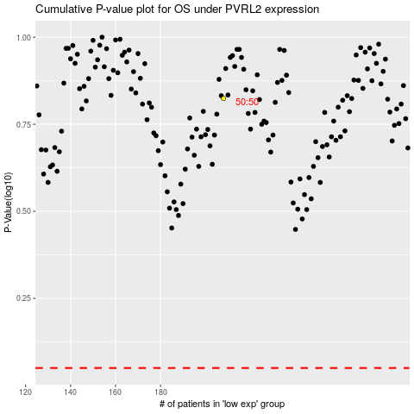

 |  |  |  |  |  | cases_OS | p_OS | rank | exp
 |  |  |  |  |  |  | cases_RFS | p_RFS | rank | exp

