PWP2 _multivariate
Reported by Tex Li-Hsing Chi. tex@gate.sinica.edu.tw 2019-08-16

Table 2. The clinicopathological features of HNSCC cohort and PWP2 expression. (Chi square test)
Cutoff at -0.051 (50.0%)
 |  | PWP2 expression |  | PWP2 expression |  | (Optimised)
 | Features | Low | (%) | High | (%) | Case no | P-value | Remark | Matthews
Gender | Female | 153 | 36.9 | 153 | 36.9 | 415 | 1 | 0 | 0
2 | Male | 54 | 13 | 55 | 13.3
Age at diagnosis | <=65y | 134 | 32.3 | 140 | 33.7 | 415 | 0.6529 | 0 | 0
4 | >65y | 73 | 17.6 | 68 | 16.4
Clinical T Status | T1+T2 | 89 | 21.4 | 60 | 14.5 | 415 | 0.0037 | 1 | 0
6 | T3+T4 | 118 | 28.4 | 148 | 35.7
Clinical N Status | N0 | 113 | 27.2 | 103 | 24.8 | 415 | 0.3495 | 1 | 0
8 | N1-3 | 94 | 22.7 | 105 | 25.3
Clinical M Status | M0 | 206 | 49.6 | 206 | 49.6 | 415 | 1 | 0 | 0
10 | M1 | 1 | 0.2 | 2 | 0.5
Clinical Stage | Stage I+II | 62 | 14.9 | 40 | 9.6 | 415 | 0.0154 | 1 | 0
12 | Stage III+IV | 145 | 34.9 | 168 | 40.5
Surgical Margin status | Negative | 160 | 38.6 | 158 | 38.1 | 415 | 0.8167 | 0 | 0
14 | Positive | 47 | 11.3 | 50 | 12
Tobacco Exposure | Low | 86 | 20.7 | 75 | 18.1 | 415 | 0.2687 | 0 | 0
16 | High | 121 | 29.2 | 133 | 32

Table 3. Univariate/Multivariate Cox's proportional hazards regression analyses on OS time of PWP2 gene expression in HNSCC

 |  | Univariate |  |  |  | Multivariate
 | Features | HR | CI95%(L) | CI95%(H) | P-value | HR | CI95%(L) | CI95%(H) | P-value
1 | Female | 1 |  |  |  | 1
Gender | Male | 1.157 | 0.843 | 1.587 | 0.367 | 1.201 | 0.86 | 1.679 | 0.283
11 | <=65y | 1 |  |  |  | 1
Age at diagnosis | >65y | 1.329 | 0.99 | 1.784 | 0.058 | 1.39 | 1.022 | 1.891 | 0.036
12 | T1+T2 | 1 |  |  |  | 1
Clinical T Status | T3+T4 | 1.409 | 1.028 | 1.931 | 0.033 | 2.176 | 1.147 | 4.13 | 0.017
13 | N0 | 1 |  |  |  | 1
Clinical N Status | N1-3 | 1.185 | 0.89 | 1.577 | 0.246 | 1.239 | 0.868 | 1.768 | 0.237
14 | M0 | 1 |  |  |  | 1
Clinical M Status | M1 | 4.097 | 1.009 | 16.644 | 0.049 | 9.28 | 2.021 | 42.626 | 0.004
15 | Stage I+II | 1 |  |  |  | 1
Clinical Stage | Stage III+IV | 1.245 | 0.882 | 1.759 | 0.213 | 0.505 | 0.235 | 1.084 | 0.08
16 | Negative | 1 |  |  |  | 1
Surgical Margin status | Positive | 1.591 | 1.155 | 2.191 | 0.004 | 1.672 | 1.21 | 2.311 | 0.002
17 | Low | 1 |  |  |  | 1
Tobacco Exposure | High | 1.364 | 1.008 | 1.844 | 0.044 | 1.452 | 1.053 | 2.001 | 0.023
18 | Low | 1 |  |  |  | 1
RNAseq(z-score) | High | 1.148 | 0.861 | 1.529 | 0.348 | 1.051 | 0.783 | 1.41 | 0.739

Table 4. Univariate/Multivariate Cox's proportional hazards regression analyses on RFS time of PWP2 gene expression in HNSCC

 |  | Univariate |  |  |  | Multivariate
 | Features | HR | CI95%(L) | CI95%(H) | P-value | HR | CI95%(L) | CI95%(H) | P-value
1 | Female | 1 |  |  |  | 1
Gender | Male | 1.157 | 0.843 | 1.587 | 0.367 | 1.201 | 0.86 | 1.679 | 0.283
11 | <=65y | 1 |  |  |  | 1
Age at diagnosis | >65y | 1.329 | 0.99 | 1.784 | 0.058 | 1.39 | 1.022 | 1.891 | 0.036
12 | T1+T2 | 1 |  |  |  | 1
Clinical T Status | T3+T4 | 1.409 | 1.028 | 1.931 | 0.033 | 2.176 | 1.147 | 4.13 | 0.017
13 | N0 | 1 |  |  |  | 1
Clinical N Status | N1-3 | 1.185 | 0.89 | 1.577 | 0.246 | 1.239 | 0.868 | 1.768 | 0.237
14 | M0 | 1 |  |  |  | 1
Clinical M Status | M1 | 4.097 | 1.009 | 16.644 | 0.049 | 9.28 | 2.021 | 42.626 | 0.004
15 | Stage I+II | 1 |  |  |  | 1
Clinical Stage | Stage III+IV | 1.245 | 0.882 | 1.759 | 0.213 | 0.505 | 0.235 | 1.084 | 0.08
16 | Negative | 1 |  |  |  | 1
Surgical Margin status | Positive | 1.591 | 1.155 | 2.191 | 0.004 | 1.672 | 1.21 | 2.311 | 0.002
17 | Low | 1 |  |  |  | 1
Tobacco Exposure | High | 1.364 | 1.008 | 1.844 | 0.044 | 1.452 | 1.053 | 2.001 | 0.023
18 | Low | 1 |  |  |  | 1
RNAseq(z-score) | High | 1.148 | 0.861 | 1.529 | 0.348 | 1.051 | 0.783 | 1.41 | 0.739

Kaplan-Meier survival estimate: Cutoff at -0.051 (50.0%)



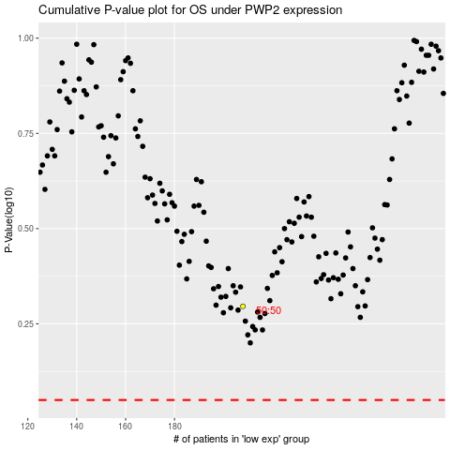

 |  |  |  |  |  | cases_OS | p_OS | rank | exp
 |  |  |  |  |  |  | cases_RFS | p_RFS | rank | exp

