PWWP2A _multivariate
Reported by Tex Li-Hsing Chi. tex@gate.sinica.edu.tw 2019-08-16

Table 2. The clinicopathological features of HNSCC cohort and PWWP2A expression. (Chi square test)
Cutoff at -0.143 (49.8%)
 |  | PWWP2A expression |  | PWWP2A expression |  | (Optimised)
 | Features | Low | (%) | High | (%) | Case no | P-value | Remark | Matthews
Gender | Female | 157 | 37.8 | 149 | 35.9 | 415 | 0.3881 | 0 | 0
2 | Male | 50 | 12 | 59 | 14.2
Age at diagnosis | <=65y | 134 | 32.3 | 140 | 33.7 | 415 | 0.6529 | 0 | 0
4 | >65y | 73 | 17.6 | 68 | 16.4
Clinical T Status | T1+T2 | 57 | 13.7 | 92 | 22.2 | 415 | 6e-04 | 1 | 0
6 | T3+T4 | 150 | 36.1 | 116 | 28
Clinical N Status | N0 | 105 | 25.3 | 111 | 26.7 | 415 | 0.6598 | 0 | 0
8 | N1-3 | 102 | 24.6 | 97 | 23.4
Clinical M Status | M0 | 205 | 49.4 | 207 | 49.9 | 415 | 0.6232 | 0 | 0
10 | M1 | 2 | 0.5 | 1 | 0.2
Clinical Stage | Stage I+II | 41 | 9.9 | 61 | 14.7 | 415 | 0.0325 | 1 | 0
12 | Stage III+IV | 166 | 40 | 147 | 35.4
Surgical Margin status | Negative | 169 | 40.7 | 149 | 35.9 | 415 | 0.0201 | 1 | 0
14 | Positive | 38 | 9.2 | 59 | 14.2
Tobacco Exposure | Low | 69 | 16.6 | 92 | 22.2 | 415 | 0.0266 | 1 | 0
16 | High | 138 | 33.3 | 116 | 28

Table 3. Univariate/Multivariate Cox's proportional hazards regression analyses on OS time of PWWP2A gene expression in HNSCC

 |  | Univariate |  |  |  | Multivariate
 | Features | HR | CI95%(L) | CI95%(H) | P-value | HR | CI95%(L) | CI95%(H) | P-value
1 | Female | 1 |  |  |  | 1
Gender | Male | 1.157 | 0.843 | 1.587 | 0.367 | 1.202 | 0.861 | 1.678 | 0.281
11 | <=65y | 1 |  |  |  | 1
Age at diagnosis | >65y | 1.329 | 0.99 | 1.784 | 0.058 | 1.399 | 1.028 | 1.903 | 0.033
12 | T1+T2 | 1 |  |  |  | 1
Clinical T Status | T3+T4 | 1.409 | 1.028 | 1.931 | 0.033 | 2.248 | 1.185 | 4.266 | 0.013
13 | N0 | 1 |  |  |  | 1
Clinical N Status | N1-3 | 1.185 | 0.89 | 1.577 | 0.246 | 1.247 | 0.874 | 1.779 | 0.224
14 | M0 | 1 |  |  |  | 1
Clinical M Status | M1 | 4.097 | 1.009 | 16.644 | 0.049 | 9.78 | 2.121 | 45.092 | 0.003
15 | Stage I+II | 1 |  |  |  | 1
Clinical Stage | Stage III+IV | 1.245 | 0.882 | 1.759 | 0.213 | 0.503 | 0.234 | 1.081 | 0.078
16 | Negative | 1 |  |  |  | 1
Surgical Margin status | Positive | 1.591 | 1.155 | 2.191 | 0.004 | 1.646 | 1.186 | 2.283 | 0.003
17 | Low | 1 |  |  |  | 1
Tobacco Exposure | High | 1.364 | 1.008 | 1.844 | 0.044 | 1.475 | 1.066 | 2.041 | 0.019
18 | Low | 1 |  |  |  | 1
RNAseq(z-score) | High | 0.989 | 0.743 | 1.317 | 0.939 | 1.093 | 0.806 | 1.482 | 0.567

Table 4. Univariate/Multivariate Cox's proportional hazards regression analyses on RFS time of PWWP2A gene expression in HNSCC

 |  | Univariate |  |  |  | Multivariate
 | Features | HR | CI95%(L) | CI95%(H) | P-value | HR | CI95%(L) | CI95%(H) | P-value
1 | Female | 1 |  |  |  | 1
Gender | Male | 1.157 | 0.843 | 1.587 | 0.367 | 1.202 | 0.861 | 1.678 | 0.281
11 | <=65y | 1 |  |  |  | 1
Age at diagnosis | >65y | 1.329 | 0.99 | 1.784 | 0.058 | 1.399 | 1.028 | 1.903 | 0.033
12 | T1+T2 | 1 |  |  |  | 1
Clinical T Status | T3+T4 | 1.409 | 1.028 | 1.931 | 0.033 | 2.248 | 1.185 | 4.266 | 0.013
13 | N0 | 1 |  |  |  | 1
Clinical N Status | N1-3 | 1.185 | 0.89 | 1.577 | 0.246 | 1.247 | 0.874 | 1.779 | 0.224
14 | M0 | 1 |  |  |  | 1
Clinical M Status | M1 | 4.097 | 1.009 | 16.644 | 0.049 | 9.78 | 2.121 | 45.092 | 0.003
15 | Stage I+II | 1 |  |  |  | 1
Clinical Stage | Stage III+IV | 1.245 | 0.882 | 1.759 | 0.213 | 0.503 | 0.234 | 1.081 | 0.078
16 | Negative | 1 |  |  |  | 1
Surgical Margin status | Positive | 1.591 | 1.155 | 2.191 | 0.004 | 1.646 | 1.186 | 2.283 | 0.003
17 | Low | 1 |  |  |  | 1
Tobacco Exposure | High | 1.364 | 1.008 | 1.844 | 0.044 | 1.475 | 1.066 | 2.041 | 0.019
18 | Low | 1 |  |  |  | 1
RNAseq(z-score) | High | 0.989 | 0.743 | 1.317 | 0.939 | 1.093 | 0.806 | 1.482 | 0.567

Kaplan-Meier survival estimate: Cutoff at -0.143 (49.8%)



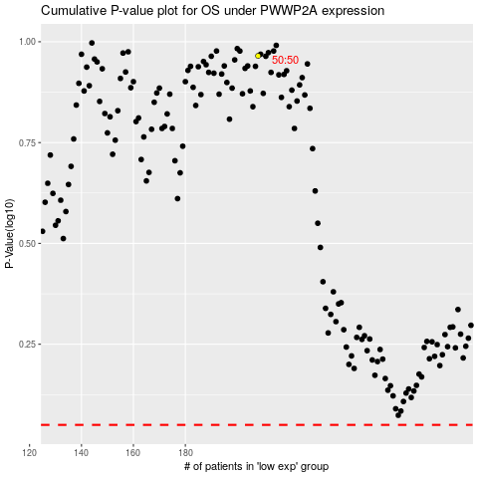

 |  |  |  |  |  | cases_OS | p_OS | rank | exp
 |  |  |  |  |  |  | cases_RFS | p_RFS | rank | exp

