PWWP2B _multivariate
Reported by Tex Li-Hsing Chi. tex@gate.sinica.edu.tw 2019-08-16

Table 2. The clinicopathological features of HNSCC cohort and PWWP2B expression. (Chi square test)
Cutoff at -0.277 (50.0%)
 |  | PWWP2B expression |  | PWWP2B expression |  | (Optimised)
 | Features | Low | (%) | High | (%) | Case no | P-value | Remark | Matthews
Gender | Female | 151 | 36.4 | 155 | 37.3 | 415 | 0.8007 | 0 | 0
2 | Male | 56 | 13.5 | 53 | 12.8
Age at diagnosis | <=65y | 144 | 34.7 | 130 | 31.3 | 415 | 0.1568 | 0 | 0
4 | >65y | 63 | 15.2 | 78 | 18.8
Clinical T Status | T1+T2 | 83 | 20 | 66 | 15.9 | 415 | 0.0941 | 0 | 0
6 | T3+T4 | 124 | 29.9 | 142 | 34.2
Clinical N Status | N0 | 108 | 26 | 108 | 26 | 415 | 1 | 0 | 0
8 | N1-3 | 99 | 23.9 | 100 | 24.1
Clinical M Status | M0 | 206 | 49.6 | 206 | 49.6 | 415 | 1 | 0 | 0
10 | M1 | 1 | 0.2 | 2 | 0.5
Clinical Stage | Stage I+II | 53 | 12.8 | 49 | 11.8 | 415 | 0.7113 | 0 | 0
12 | Stage III+IV | 154 | 37.1 | 159 | 38.3
Surgical Margin status | Negative | 160 | 38.6 | 158 | 38.1 | 415 | 0.8167 | 0 | 0
14 | Positive | 47 | 11.3 | 50 | 12
Tobacco Exposure | Low | 76 | 18.3 | 85 | 20.5 | 415 | 0.4207 | 0 | 0
16 | High | 131 | 31.6 | 123 | 29.6

Table 3. Univariate/Multivariate Cox's proportional hazards regression analyses on OS time of PWWP2B gene expression in HNSCC

 |  | Univariate |  |  |  | Multivariate
 | Features | HR | CI95%(L) | CI95%(H) | P-value | HR | CI95%(L) | CI95%(H) | P-value
1 | Female | 1 |  |  |  | 1
Gender | Male | 1.157 | 0.843 | 1.587 | 0.367 | 1.205 | 0.862 | 1.684 | 0.275
11 | <=65y | 1 |  |  |  | 1
Age at diagnosis | >65y | 1.329 | 0.99 | 1.784 | 0.058 | 1.382 | 1.016 | 1.88 | 0.039
12 | T1+T2 | 1 |  |  |  | 1
Clinical T Status | T3+T4 | 1.409 | 1.028 | 1.931 | 0.033 | 2.129 | 1.118 | 4.054 | 0.021
13 | N0 | 1 |  |  |  | 1
Clinical N Status | N1-3 | 1.185 | 0.89 | 1.577 | 0.246 | 1.219 | 0.851 | 1.746 | 0.28
14 | M0 | 1 |  |  |  | 1
Clinical M Status | M1 | 4.097 | 1.009 | 16.644 | 0.049 | 9.087 | 1.977 | 41.781 | 0.005
15 | Stage I+II | 1 |  |  |  | 1
Clinical Stage | Stage III+IV | 1.245 | 0.882 | 1.759 | 0.213 | 0.518 | 0.24 | 1.116 | 0.093
16 | Negative | 1 |  |  |  | 1
Surgical Margin status | Positive | 1.591 | 1.155 | 2.191 | 0.004 | 1.671 | 1.209 | 2.309 | 0.002
17 | Low | 1 |  |  |  | 1
Tobacco Exposure | High | 1.364 | 1.008 | 1.844 | 0.044 | 1.455 | 1.056 | 2.006 | 0.022
18 | Low | 1 |  |  |  | 1
RNAseq(z-score) | High | 1.219 | 0.915 | 1.623 | 0.175 | 1.112 | 0.829 | 1.493 | 0.479

Table 4. Univariate/Multivariate Cox's proportional hazards regression analyses on RFS time of PWWP2B gene expression in HNSCC

 |  | Univariate |  |  |  | Multivariate
 | Features | HR | CI95%(L) | CI95%(H) | P-value | HR | CI95%(L) | CI95%(H) | P-value
1 | Female | 1 |  |  |  | 1
Gender | Male | 1.157 | 0.843 | 1.587 | 0.367 | 1.205 | 0.862 | 1.684 | 0.275
11 | <=65y | 1 |  |  |  | 1
Age at diagnosis | >65y | 1.329 | 0.99 | 1.784 | 0.058 | 1.382 | 1.016 | 1.88 | 0.039
12 | T1+T2 | 1 |  |  |  | 1
Clinical T Status | T3+T4 | 1.409 | 1.028 | 1.931 | 0.033 | 2.129 | 1.118 | 4.054 | 0.021
13 | N0 | 1 |  |  |  | 1
Clinical N Status | N1-3 | 1.185 | 0.89 | 1.577 | 0.246 | 1.219 | 0.851 | 1.746 | 0.28
14 | M0 | 1 |  |  |  | 1
Clinical M Status | M1 | 4.097 | 1.009 | 16.644 | 0.049 | 9.087 | 1.977 | 41.781 | 0.005
15 | Stage I+II | 1 |  |  |  | 1
Clinical Stage | Stage III+IV | 1.245 | 0.882 | 1.759 | 0.213 | 0.518 | 0.24 | 1.116 | 0.093
16 | Negative | 1 |  |  |  | 1
Surgical Margin status | Positive | 1.591 | 1.155 | 2.191 | 0.004 | 1.671 | 1.209 | 2.309 | 0.002
17 | Low | 1 |  |  |  | 1
Tobacco Exposure | High | 1.364 | 1.008 | 1.844 | 0.044 | 1.455 | 1.056 | 2.006 | 0.022
18 | Low | 1 |  |  |  | 1
RNAseq(z-score) | High | 1.219 | 0.915 | 1.623 | 0.175 | 1.112 | 0.829 | 1.493 | 0.479

Kaplan-Meier survival estimate: Cutoff at -0.277 (50.0%)



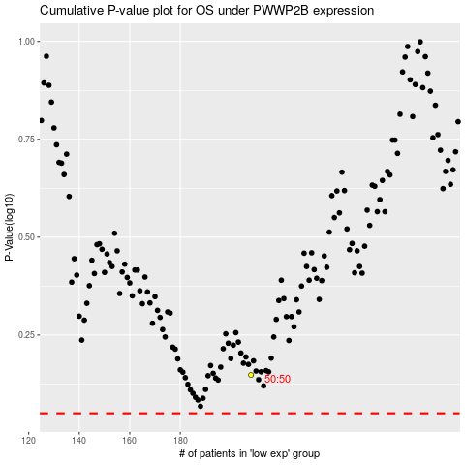

 |  |  |  |  |  | cases_OS | p_OS | rank | exp
 |  |  |  |  |  |  | cases_RFS | p_RFS | rank | exp

