PXDN _multivariate
Reported by Tex Li-Hsing Chi. tex@gate.sinica.edu.tw 2019-08-16

Table 2. The clinicopathological features of HNSCC cohort and PXDN expression. (Chi square test)
Cutoff at -0.145 (49.8%)
 |  | PXDN expression |  | PXDN expression |  | (Optimised)
 | Features | Low | (%) | High | (%) | Case no | P-value | Remark | Matthews
Gender | Female | 151 | 36.4 | 155 | 37.3 | 415 | 0.8007 | 0 | 0
2 | Male | 56 | 13.5 | 53 | 12.8
Age at diagnosis | <=65y | 140 | 33.7 | 134 | 32.3 | 415 | 0.5574 | 0 | 0
4 | >65y | 67 | 16.1 | 74 | 17.8
Clinical T Status | T1+T2 | 73 | 17.6 | 76 | 18.3 | 415 | 0.8666 | 0 | 0
6 | T3+T4 | 134 | 32.3 | 132 | 31.8
Clinical N Status | N0 | 110 | 26.5 | 106 | 25.5 | 415 | 0.7294 | 0 | 0
8 | N1-3 | 97 | 23.4 | 102 | 24.6
Clinical M Status | M0 | 205 | 49.4 | 207 | 49.9 | 415 | 0.6232 | 0 | 0
10 | M1 | 2 | 0.5 | 1 | 0.2
Clinical Stage | Stage I+II | 47 | 11.3 | 55 | 13.3 | 415 | 0.4413 | 0 | 0
12 | Stage III+IV | 160 | 38.6 | 153 | 36.9
Surgical Margin status | Negative | 157 | 37.8 | 161 | 38.8 | 415 | 0.729 | 0 | 0
14 | Positive | 50 | 12 | 47 | 11.3
Tobacco Exposure | Low | 80 | 19.3 | 81 | 19.5 | 415 | 1 | 0 | 0
16 | High | 127 | 30.6 | 127 | 30.6

Table 3. Univariate/Multivariate Cox's proportional hazards regression analyses on OS time of PXDN gene expression in HNSCC

 |  | Univariate |  |  |  | Multivariate
 | Features | HR | CI95%(L) | CI95%(H) | P-value | HR | CI95%(L) | CI95%(H) | P-value
1 | Female | 1 |  |  |  | 1
Gender | Male | 1.157 | 0.843 | 1.587 | 0.367 | 1.216 | 0.87 | 1.702 | 0.253
11 | <=65y | 1 |  |  |  | 1
Age at diagnosis | >65y | 1.329 | 0.99 | 1.784 | 0.058 | 1.39 | 1.022 | 1.89 | 0.036
12 | T1+T2 | 1 |  |  |  | 1
Clinical T Status | T3+T4 | 1.409 | 1.028 | 1.931 | 0.033 | 2.19 | 1.157 | 4.142 | 0.016
13 | N0 | 1 |  |  |  | 1
Clinical N Status | N1-3 | 1.185 | 0.89 | 1.577 | 0.246 | 1.236 | 0.866 | 1.763 | 0.244
14 | M0 | 1 |  |  |  | 1
Clinical M Status | M1 | 4.097 | 1.009 | 16.644 | 0.049 | 9.474 | 2.066 | 43.436 | 0.004
15 | Stage I+II | 1 |  |  |  | 1
Clinical Stage | Stage III+IV | 1.245 | 0.882 | 1.759 | 0.213 | 0.514 | 0.239 | 1.104 | 0.088
16 | Negative | 1 |  |  |  | 1
Surgical Margin status | Positive | 1.591 | 1.155 | 2.191 | 0.004 | 1.684 | 1.218 | 2.328 | 0.002
17 | Low | 1 |  |  |  | 1
Tobacco Exposure | High | 1.364 | 1.008 | 1.844 | 0.044 | 1.463 | 1.061 | 2.017 | 0.02
18 | Low | 1 |  |  |  | 1
RNAseq(z-score) | High | 1.064 | 0.798 | 1.418 | 0.671 | 1.117 | 0.835 | 1.494 | 0.457

Table 4. Univariate/Multivariate Cox's proportional hazards regression analyses on RFS time of PXDN gene expression in HNSCC

 |  | Univariate |  |  |  | Multivariate
 | Features | HR | CI95%(L) | CI95%(H) | P-value | HR | CI95%(L) | CI95%(H) | P-value
1 | Female | 1 |  |  |  | 1
Gender | Male | 1.157 | 0.843 | 1.587 | 0.367 | 1.216 | 0.87 | 1.702 | 0.253
11 | <=65y | 1 |  |  |  | 1
Age at diagnosis | >65y | 1.329 | 0.99 | 1.784 | 0.058 | 1.39 | 1.022 | 1.89 | 0.036
12 | T1+T2 | 1 |  |  |  | 1
Clinical T Status | T3+T4 | 1.409 | 1.028 | 1.931 | 0.033 | 2.19 | 1.157 | 4.142 | 0.016
13 | N0 | 1 |  |  |  | 1
Clinical N Status | N1-3 | 1.185 | 0.89 | 1.577 | 0.246 | 1.236 | 0.866 | 1.763 | 0.244
14 | M0 | 1 |  |  |  | 1
Clinical M Status | M1 | 4.097 | 1.009 | 16.644 | 0.049 | 9.474 | 2.066 | 43.436 | 0.004
15 | Stage I+II | 1 |  |  |  | 1
Clinical Stage | Stage III+IV | 1.245 | 0.882 | 1.759 | 0.213 | 0.514 | 0.239 | 1.104 | 0.088
16 | Negative | 1 |  |  |  | 1
Surgical Margin status | Positive | 1.591 | 1.155 | 2.191 | 0.004 | 1.684 | 1.218 | 2.328 | 0.002
17 | Low | 1 |  |  |  | 1
Tobacco Exposure | High | 1.364 | 1.008 | 1.844 | 0.044 | 1.463 | 1.061 | 2.017 | 0.02
18 | Low | 1 |  |  |  | 1
RNAseq(z-score) | High | 1.064 | 0.798 | 1.418 | 0.671 | 1.117 | 0.835 | 1.494 | 0.457

Kaplan-Meier survival estimate: Cutoff at -0.145 (49.8%)

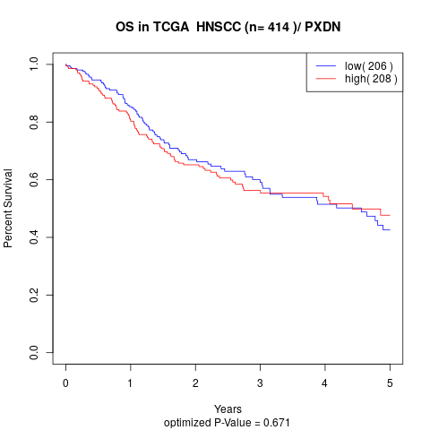

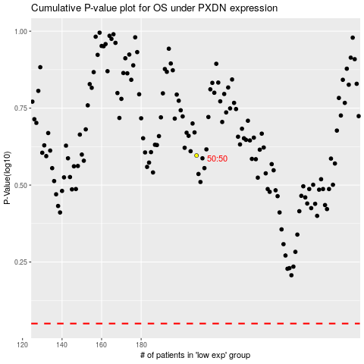

 |  |  |  |  |  | cases_OS | p_OS | rank | exp
 |  |  |  |  |  |  | cases_RFS | p_RFS | rank | exp

