PXDNL _multivariate
Reported by Tex Li-Hsing Chi. tex@gate.sinica.edu.tw 2019-08-16

Table 2. The clinicopathological features of HNSCC cohort and PXDNL expression. (Chi square test)
Cutoff at -0.286 (50.0%)
 |  | PXDNL expression |  | PXDNL expression |  | (Optimised)
 | Features | Low | (%) | High | (%) | Case no | P-value | Remark | Matthews
Gender | Female | 160 | 38.6 | 146 | 35.2 | 415 | 0.1254 | 0 | 0
2 | Male | 47 | 11.3 | 62 | 14.9
Age at diagnosis | <=65y | 139 | 33.5 | 135 | 32.5 | 415 | 0.7044 | 0 | 0
4 | >65y | 68 | 16.4 | 73 | 17.6
Clinical T Status | T1+T2 | 64 | 15.4 | 85 | 20.5 | 415 | 0.0445 | 1 | 0
6 | T3+T4 | 143 | 34.5 | 123 | 29.6
Clinical N Status | N0 | 109 | 26.3 | 107 | 25.8 | 415 | 0.8812 | 0 | 0
8 | N1-3 | 98 | 23.6 | 101 | 24.3
Clinical M Status | M0 | 204 | 49.2 | 208 | 50.1 | 415 | 0.1232 | 0 | 0
10 | M1 | 3 | 0.7 | 0 | 0
Clinical Stage | Stage I+II | 43 | 10.4 | 59 | 14.2 | 415 | 0.0925 | 0 | 0
12 | Stage III+IV | 164 | 39.5 | 149 | 35.9
Surgical Margin status | Negative | 154 | 37.1 | 164 | 39.5 | 415 | 0.2984 | 0 | 0
14 | Positive | 53 | 12.8 | 44 | 10.6
Tobacco Exposure | Low | 78 | 18.8 | 83 | 20 | 415 | 0.6873 | 0 | 0
16 | High | 129 | 31.1 | 125 | 30.1

Table 3. Univariate/Multivariate Cox's proportional hazards regression analyses on OS time of PXDNL gene expression in HNSCC

 |  | Univariate |  |  |  | Multivariate
 | Features | HR | CI95%(L) | CI95%(H) | P-value | HR | CI95%(L) | CI95%(H) | P-value
1 | Female | 1 |  |  |  | 1
Gender | Male | 1.157 | 0.843 | 1.587 | 0.367 | 1.208 | 0.864 | 1.687 | 0.269
11 | <=65y | 1 |  |  |  | 1
Age at diagnosis | >65y | 1.329 | 0.99 | 1.784 | 0.058 | 1.395 | 1.027 | 1.896 | 0.033
12 | T1+T2 | 1 |  |  |  | 1
Clinical T Status | T3+T4 | 1.409 | 1.028 | 1.931 | 0.033 | 2.19 | 1.158 | 4.141 | 0.016
13 | N0 | 1 |  |  |  | 1
Clinical N Status | N1-3 | 1.185 | 0.89 | 1.577 | 0.246 | 1.261 | 0.883 | 1.802 | 0.202
14 | M0 | 1 |  |  |  | 1
Clinical M Status | M1 | 4.097 | 1.009 | 16.644 | 0.049 | 8.66 | 1.875 | 39.991 | 0.006
15 | Stage I+II | 1 |  |  |  | 1
Clinical Stage | Stage III+IV | 1.245 | 0.882 | 1.759 | 0.213 | 0.495 | 0.23 | 1.062 | 0.071
16 | Negative | 1 |  |  |  | 1
Surgical Margin status | Positive | 1.591 | 1.155 | 2.191 | 0.004 | 1.671 | 1.209 | 2.309 | 0.002
17 | Low | 1 |  |  |  | 1
Tobacco Exposure | High | 1.364 | 1.008 | 1.844 | 0.044 | 1.441 | 1.045 | 1.986 | 0.026
18 | Low | 1 |  |  |  | 1
RNAseq(z-score) | High | 0.829 | 0.621 | 1.107 | 0.203 | 0.854 | 0.637 | 1.145 | 0.293

Table 4. Univariate/Multivariate Cox's proportional hazards regression analyses on RFS time of PXDNL gene expression in HNSCC

 |  | Univariate |  |  |  | Multivariate
 | Features | HR | CI95%(L) | CI95%(H) | P-value | HR | CI95%(L) | CI95%(H) | P-value
1 | Female | 1 |  |  |  | 1
Gender | Male | 1.157 | 0.843 | 1.587 | 0.367 | 1.208 | 0.864 | 1.687 | 0.269
11 | <=65y | 1 |  |  |  | 1
Age at diagnosis | >65y | 1.329 | 0.99 | 1.784 | 0.058 | 1.395 | 1.027 | 1.896 | 0.033
12 | T1+T2 | 1 |  |  |  | 1
Clinical T Status | T3+T4 | 1.409 | 1.028 | 1.931 | 0.033 | 2.19 | 1.158 | 4.141 | 0.016
13 | N0 | 1 |  |  |  | 1
Clinical N Status | N1-3 | 1.185 | 0.89 | 1.577 | 0.246 | 1.261 | 0.883 | 1.802 | 0.202
14 | M0 | 1 |  |  |  | 1
Clinical M Status | M1 | 4.097 | 1.009 | 16.644 | 0.049 | 8.66 | 1.875 | 39.991 | 0.006
15 | Stage I+II | 1 |  |  |  | 1
Clinical Stage | Stage III+IV | 1.245 | 0.882 | 1.759 | 0.213 | 0.495 | 0.23 | 1.062 | 0.071
16 | Negative | 1 |  |  |  | 1
Surgical Margin status | Positive | 1.591 | 1.155 | 2.191 | 0.004 | 1.671 | 1.209 | 2.309 | 0.002
17 | Low | 1 |  |  |  | 1
Tobacco Exposure | High | 1.364 | 1.008 | 1.844 | 0.044 | 1.441 | 1.045 | 1.986 | 0.026
18 | Low | 1 |  |  |  | 1
RNAseq(z-score) | High | 0.829 | 0.621 | 1.107 | 0.203 | 0.854 | 0.637 | 1.145 | 0.293

Kaplan-Meier survival estimate: Cutoff at -0.286 (50.0%)



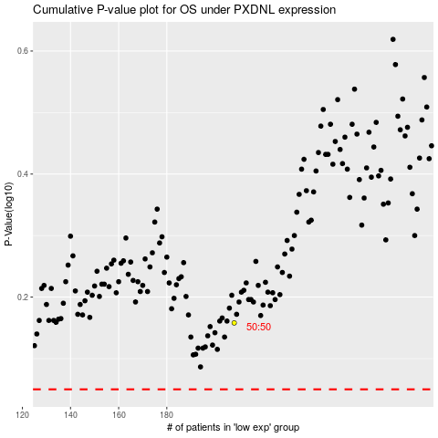

 |  |  |  |  |  | cases_OS | p_OS | rank | exp
 |  |  |  |  |  |  | cases_RFS | p_RFS | rank | exp

