PYCR1 _multivariate
Reported by Tex Li-Hsing Chi. tex@gate.sinica.edu.tw 2019-08-16

Table 2. The clinicopathological features of HNSCC cohort and PYCR1 expression. (Chi square test)
Cutoff at -0.176 (49.8%)
 |  | PYCR1 expression |  | PYCR1 expression |  | (Optimised)
 | Features | Low | (%) | High | (%) | Case no | P-value | Remark | Matthews
Gender | Female | 135 | 32.5 | 171 | 41.2 | 415 | 1e-04 | 1 | 0
2 | Male | 72 | 17.3 | 37 | 8.9
Age at diagnosis | <=65y | 130 | 31.3 | 144 | 34.7 | 415 | 0.2009 | 0 | 0
4 | >65y | 77 | 18.6 | 64 | 15.4
Clinical T Status | T1+T2 | 91 | 21.9 | 58 | 14 | 415 | 9e-04 | 1 | 0
6 | T3+T4 | 116 | 28 | 150 | 36.1
Clinical N Status | N0 | 115 | 27.7 | 101 | 24.3 | 415 | 0.184 | 1 | 0
8 | N1-3 | 92 | 22.2 | 107 | 25.8
Clinical M Status | M0 | 206 | 49.6 | 206 | 49.6 | 415 | 1 | 0 | 0
10 | M1 | 1 | 0.2 | 2 | 0.5
Clinical Stage | Stage I+II | 63 | 15.2 | 39 | 9.4 | 415 | 0.008 | 1 | 0
12 | Stage III+IV | 144 | 34.7 | 169 | 40.7
Surgical Margin status | Negative | 160 | 38.6 | 158 | 38.1 | 415 | 0.8167 | 0 | 0
14 | Positive | 47 | 11.3 | 50 | 12
Tobacco Exposure | Low | 110 | 26.5 | 51 | 12.3 | 415 | 0 | 1 | 0
16 | High | 97 | 23.4 | 157 | 37.8

Table 3. Univariate/Multivariate Cox's proportional hazards regression analyses on OS time of PYCR1 gene expression in HNSCC

 |  | Univariate |  |  |  | Multivariate
 | Features | HR | CI95%(L) | CI95%(H) | P-value | HR | CI95%(L) | CI95%(H) | P-value
1 | Female | 1 |  |  |  | 1
Gender | Male | 1.157 | 0.843 | 1.587 | 0.367 | 1.191 | 0.851 | 1.667 | 0.307
11 | <=65y | 1 |  |  |  | 1
Age at diagnosis | >65y | 1.329 | 0.99 | 1.784 | 0.058 | 1.387 | 1.02 | 1.886 | 0.037
12 | T1+T2 | 1 |  |  |  | 1
Clinical T Status | T3+T4 | 1.409 | 1.028 | 1.931 | 0.033 | 2.234 | 1.178 | 4.238 | 0.014
13 | N0 | 1 |  |  |  | 1
Clinical N Status | N1-3 | 1.185 | 0.89 | 1.577 | 0.246 | 1.239 | 0.869 | 1.767 | 0.237
14 | M0 | 1 |  |  |  | 1
Clinical M Status | M1 | 4.097 | 1.009 | 16.644 | 0.049 | 9.566 | 2.083 | 43.921 | 0.004
15 | Stage I+II | 1 |  |  |  | 1
Clinical Stage | Stage III+IV | 1.245 | 0.882 | 1.759 | 0.213 | 0.505 | 0.235 | 1.085 | 0.08
16 | Negative | 1 |  |  |  | 1
Surgical Margin status | Positive | 1.591 | 1.155 | 2.191 | 0.004 | 1.681 | 1.215 | 2.326 | 0.002
17 | Low | 1 |  |  |  | 1
Tobacco Exposure | High | 1.364 | 1.008 | 1.844 | 0.044 | 1.479 | 1.065 | 2.054 | 0.02
18 | Low | 1 |  |  |  | 1
RNAseq(z-score) | High | 1.06 | 0.794 | 1.416 | 0.692 | 0.927 | 0.68 | 1.263 | 0.63

Table 4. Univariate/Multivariate Cox's proportional hazards regression analyses on RFS time of PYCR1 gene expression in HNSCC

 |  | Univariate |  |  |  | Multivariate
 | Features | HR | CI95%(L) | CI95%(H) | P-value | HR | CI95%(L) | CI95%(H) | P-value
1 | Female | 1 |  |  |  | 1
Gender | Male | 1.157 | 0.843 | 1.587 | 0.367 | 1.191 | 0.851 | 1.667 | 0.307
11 | <=65y | 1 |  |  |  | 1
Age at diagnosis | >65y | 1.329 | 0.99 | 1.784 | 0.058 | 1.387 | 1.02 | 1.886 | 0.037
12 | T1+T2 | 1 |  |  |  | 1
Clinical T Status | T3+T4 | 1.409 | 1.028 | 1.931 | 0.033 | 2.234 | 1.178 | 4.238 | 0.014
13 | N0 | 1 |  |  |  | 1
Clinical N Status | N1-3 | 1.185 | 0.89 | 1.577 | 0.246 | 1.239 | 0.869 | 1.767 | 0.237
14 | M0 | 1 |  |  |  | 1
Clinical M Status | M1 | 4.097 | 1.009 | 16.644 | 0.049 | 9.566 | 2.083 | 43.921 | 0.004
15 | Stage I+II | 1 |  |  |  | 1
Clinical Stage | Stage III+IV | 1.245 | 0.882 | 1.759 | 0.213 | 0.505 | 0.235 | 1.085 | 0.08
16 | Negative | 1 |  |  |  | 1
Surgical Margin status | Positive | 1.591 | 1.155 | 2.191 | 0.004 | 1.681 | 1.215 | 2.326 | 0.002
17 | Low | 1 |  |  |  | 1
Tobacco Exposure | High | 1.364 | 1.008 | 1.844 | 0.044 | 1.479 | 1.065 | 2.054 | 0.02
18 | Low | 1 |  |  |  | 1
RNAseq(z-score) | High | 1.06 | 0.794 | 1.416 | 0.692 | 0.927 | 0.68 | 1.263 | 0.63

Kaplan-Meier survival estimate: Cutoff at -0.176 (49.8%)



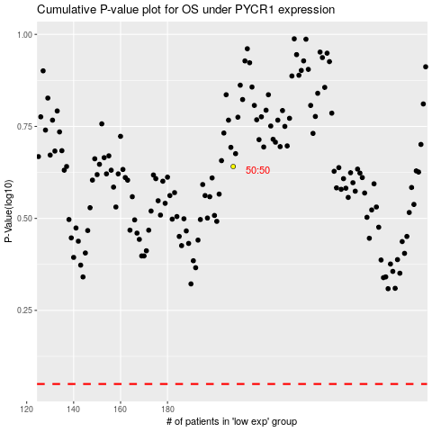

 |  |  |  |  |  | cases_OS | p_OS | rank | exp
 |  |  |  |  |  |  | cases_RFS | p_RFS | rank | exp

