PYCR2 _multivariate
Reported by Tex Li-Hsing Chi. tex@gate.sinica.edu.tw 2019-08-16

Table 2. The clinicopathological features of HNSCC cohort and PYCR2 expression. (Chi square test)
Cutoff at -0.208 (49.8%)
 |  | PYCR2 expression |  | PYCR2 expression |  | (Optimised)
 | Features | Low | (%) | High | (%) | Case no | P-value | Remark | Matthews
Gender | Female | 143 | 34.5 | 163 | 39.3 | 415 | 0.0416 | 1 | 0
2 | Male | 64 | 15.4 | 45 | 10.8
Age at diagnosis | <=65y | 133 | 32 | 141 | 34 | 415 | 0.5111 | 0 | 0
4 | >65y | 74 | 17.8 | 67 | 16.1
Clinical T Status | T1+T2 | 79 | 19 | 70 | 16.9 | 415 | 0.3924 | 0 | 0
6 | T3+T4 | 128 | 30.8 | 138 | 33.3
Clinical N Status | N0 | 114 | 27.5 | 102 | 24.6 | 415 | 0.2576 | 1 | 0
8 | N1-3 | 93 | 22.4 | 106 | 25.5
Clinical M Status | M0 | 207 | 49.9 | 205 | 49.4 | 415 | 0.2482 | 0 | 0
10 | M1 | 0 | 0 | 3 | 0.7
Clinical Stage | Stage I+II | 62 | 14.9 | 40 | 9.6 | 415 | 0.0154 | 1 | 0
12 | Stage III+IV | 145 | 34.9 | 168 | 40.5
Surgical Margin status | Negative | 159 | 38.3 | 159 | 38.3 | 415 | 1 | 0 | 0
14 | Positive | 48 | 11.6 | 49 | 11.8
Tobacco Exposure | Low | 101 | 24.3 | 60 | 14.5 | 415 | 0 | 1 | 0
16 | High | 106 | 25.5 | 148 | 35.7

Table 3. Univariate/Multivariate Cox's proportional hazards regression analyses on OS time of PYCR2 gene expression in HNSCC

 |  | Univariate |  |  |  | Multivariate
 | Features | HR | CI95%(L) | CI95%(H) | P-value | HR | CI95%(L) | CI95%(H) | P-value
1 | Female | 1 |  |  |  | 1
Gender | Male | 1.157 | 0.843 | 1.587 | 0.367 | 1.205 | 0.861 | 1.685 | 0.277
11 | <=65y | 1 |  |  |  | 1
Age at diagnosis | >65y | 1.329 | 0.99 | 1.784 | 0.058 | 1.393 | 1.025 | 1.894 | 0.034
12 | T1+T2 | 1 |  |  |  | 1
Clinical T Status | T3+T4 | 1.409 | 1.028 | 1.931 | 0.033 | 2.208 | 1.167 | 4.179 | 0.015
13 | N0 | 1 |  |  |  | 1
Clinical N Status | N1-3 | 1.185 | 0.89 | 1.577 | 0.246 | 1.241 | 0.87 | 1.771 | 0.233
14 | M0 | 1 |  |  |  | 1
Clinical M Status | M1 | 4.097 | 1.009 | 16.644 | 0.049 | 9.323 | 2.026 | 42.899 | 0.004
15 | Stage I+II | 1 |  |  |  | 1
Clinical Stage | Stage III+IV | 1.245 | 0.882 | 1.759 | 0.213 | 0.502 | 0.233 | 1.08 | 0.078
16 | Negative | 1 |  |  |  | 1
Surgical Margin status | Positive | 1.591 | 1.155 | 2.191 | 0.004 | 1.672 | 1.21 | 2.31 | 0.002
17 | Low | 1 |  |  |  | 1
Tobacco Exposure | High | 1.364 | 1.008 | 1.844 | 0.044 | 1.446 | 1.043 | 2.004 | 0.027
18 | Low | 1 |  |  |  | 1
RNAseq(z-score) | High | 1.058 | 0.794 | 1.411 | 0.699 | 1.025 | 0.759 | 1.384 | 0.872

Table 4. Univariate/Multivariate Cox's proportional hazards regression analyses on RFS time of PYCR2 gene expression in HNSCC

 |  | Univariate |  |  |  | Multivariate
 | Features | HR | CI95%(L) | CI95%(H) | P-value | HR | CI95%(L) | CI95%(H) | P-value
1 | Female | 1 |  |  |  | 1
Gender | Male | 1.157 | 0.843 | 1.587 | 0.367 | 1.205 | 0.861 | 1.685 | 0.277
11 | <=65y | 1 |  |  |  | 1
Age at diagnosis | >65y | 1.329 | 0.99 | 1.784 | 0.058 | 1.393 | 1.025 | 1.894 | 0.034
12 | T1+T2 | 1 |  |  |  | 1
Clinical T Status | T3+T4 | 1.409 | 1.028 | 1.931 | 0.033 | 2.208 | 1.167 | 4.179 | 0.015
13 | N0 | 1 |  |  |  | 1
Clinical N Status | N1-3 | 1.185 | 0.89 | 1.577 | 0.246 | 1.241 | 0.87 | 1.771 | 0.233
14 | M0 | 1 |  |  |  | 1
Clinical M Status | M1 | 4.097 | 1.009 | 16.644 | 0.049 | 9.323 | 2.026 | 42.899 | 0.004
15 | Stage I+II | 1 |  |  |  | 1
Clinical Stage | Stage III+IV | 1.245 | 0.882 | 1.759 | 0.213 | 0.502 | 0.233 | 1.08 | 0.078
16 | Negative | 1 |  |  |  | 1
Surgical Margin status | Positive | 1.591 | 1.155 | 2.191 | 0.004 | 1.672 | 1.21 | 2.31 | 0.002
17 | Low | 1 |  |  |  | 1
Tobacco Exposure | High | 1.364 | 1.008 | 1.844 | 0.044 | 1.446 | 1.043 | 2.004 | 0.027
18 | Low | 1 |  |  |  | 1
RNAseq(z-score) | High | 1.058 | 0.794 | 1.411 | 0.699 | 1.025 | 0.759 | 1.384 | 0.872

Kaplan-Meier survival estimate: Cutoff at -0.208 (49.8%)



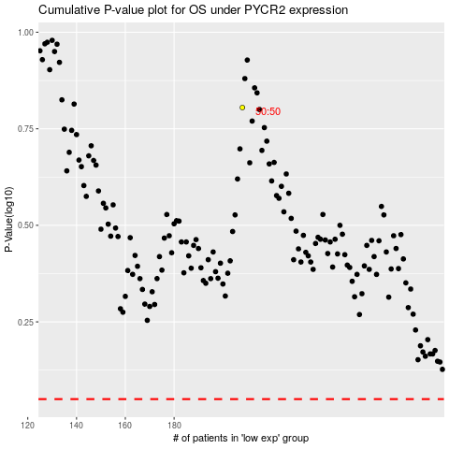

 |  |  |  |  |  | cases_OS | p_OS | rank | exp
 |  |  |  |  |  |  | cases_RFS | p_RFS | rank | exp

