PYCRL _multivariate
Reported by Tex Li-Hsing Chi. tex@gate.sinica.edu.tw 2019-08-16

Table 2. The clinicopathological features of HNSCC cohort and PYCRL expression. (Chi square test)
Cutoff at -0.514 (30.9%)
 |  | PYCRL expression |  | PYCRL expression |  | (Optimised)
 | Features | Low | (%) | High | (%) | Case no | P-value | Remark | Matthews
Gender | Female | 95 | 22.9 | 211 | 50.8 | 415 | 0.977 | 0 | 0
2 | Male | 33 | 8 | 76 | 18.3
Age at diagnosis | <=65y | 80 | 19.3 | 194 | 46.7 | 415 | 0.3681 | 0 | 0
4 | >65y | 48 | 11.6 | 93 | 22.4
Clinical T Status | T1+T2 | 53 | 12.8 | 96 | 23.1 | 415 | 0.1471 | 0 | 0
6 | T3+T4 | 75 | 18.1 | 191 | 46
Clinical N Status | N0 | 66 | 15.9 | 150 | 36.1 | 415 | 0.9793 | 0 | 0
8 | N1-3 | 62 | 14.9 | 137 | 33
Clinical M Status | M0 | 128 | 30.8 | 284 | 68.4 | 415 | 0.5558 | 0 | 0
10 | M1 | 0 | 0 | 3 | 0.7
Clinical Stage | Stage I+II | 33 | 8 | 69 | 16.6 | 415 | 0.7974 | 0 | 0
12 | Stage III+IV | 95 | 22.9 | 218 | 52.5
Surgical Margin status | Negative | 95 | 22.9 | 223 | 53.7 | 415 | 0.4528 | 0 | 0
14 | Positive | 33 | 8 | 64 | 15.4
Tobacco Exposure | Low | 59 | 14.2 | 102 | 24.6 | 415 | 0.0495 | 1 | 0
16 | High | 69 | 16.6 | 185 | 44.6

Table 3. Univariate/Multivariate Cox's proportional hazards regression analyses on OS time of PYCRL gene expression in HNSCC

 |  | Univariate |  |  |  | Multivariate
 | Features | HR | CI95%(L) | CI95%(H) | P-value | HR | CI95%(L) | CI95%(H) | P-value
1 | Female | 1 |  |  |  | 1
Gender | Male | 1.157 | 0.843 | 1.587 | 0.367 | 1.198 | 0.857 | 1.675 | 0.291
11 | <=65y | 1 |  |  |  | 1
Age at diagnosis | >65y | 1.329 | 0.99 | 1.784 | 0.058 | 1.386 | 1.019 | 1.884 | 0.037
12 | T1+T2 | 1 |  |  |  | 1
Clinical T Status | T3+T4 | 1.409 | 1.028 | 1.931 | 0.033 | 2.096 | 1.104 | 3.976 | 0.024
13 | N0 | 1 |  |  |  | 1
Clinical N Status | N1-3 | 1.185 | 0.89 | 1.577 | 0.246 | 1.218 | 0.853 | 1.74 | 0.277
14 | M0 | 1 |  |  |  | 1
Clinical M Status | M1 | 4.097 | 1.009 | 16.644 | 0.049 | 8.448 | 1.829 | 39.015 | 0.006
15 | Stage I+II | 1 |  |  |  | 1
Clinical Stage | Stage III+IV | 1.245 | 0.882 | 1.759 | 0.213 | 0.539 | 0.25 | 1.163 | 0.115
16 | Negative | 1 |  |  |  | 1
Surgical Margin status | Positive | 1.591 | 1.155 | 2.191 | 0.004 | 1.66 | 1.201 | 2.294 | 0.002
17 | Low | 1 |  |  |  | 1
Tobacco Exposure | High | 1.364 | 1.008 | 1.844 | 0.044 | 1.429 | 1.037 | 1.97 | 0.029
18 | Low | 1 |  |  |  | 1
RNAseq(z-score) | High | 1.385 | 1.005 | 1.908 | 0.047 | 1.25 | 0.903 | 1.729 | 0.178

Table 4. Univariate/Multivariate Cox's proportional hazards regression analyses on RFS time of PYCRL gene expression in HNSCC

 |  | Univariate |  |  |  | Multivariate
 | Features | HR | CI95%(L) | CI95%(H) | P-value | HR | CI95%(L) | CI95%(H) | P-value
1 | Female | 1 |  |  |  | 1
Gender | Male | 1.157 | 0.843 | 1.587 | 0.367 | 1.198 | 0.857 | 1.675 | 0.291
11 | <=65y | 1 |  |  |  | 1
Age at diagnosis | >65y | 1.329 | 0.99 | 1.784 | 0.058 | 1.386 | 1.019 | 1.884 | 0.037
12 | T1+T2 | 1 |  |  |  | 1
Clinical T Status | T3+T4 | 1.409 | 1.028 | 1.931 | 0.033 | 2.096 | 1.104 | 3.976 | 0.024
13 | N0 | 1 |  |  |  | 1
Clinical N Status | N1-3 | 1.185 | 0.89 | 1.577 | 0.246 | 1.218 | 0.853 | 1.74 | 0.277
14 | M0 | 1 |  |  |  | 1
Clinical M Status | M1 | 4.097 | 1.009 | 16.644 | 0.049 | 8.448 | 1.829 | 39.015 | 0.006
15 | Stage I+II | 1 |  |  |  | 1
Clinical Stage | Stage III+IV | 1.245 | 0.882 | 1.759 | 0.213 | 0.539 | 0.25 | 1.163 | 0.115
16 | Negative | 1 |  |  |  | 1
Surgical Margin status | Positive | 1.591 | 1.155 | 2.191 | 0.004 | 1.66 | 1.201 | 2.294 | 0.002
17 | Low | 1 |  |  |  | 1
Tobacco Exposure | High | 1.364 | 1.008 | 1.844 | 0.044 | 1.429 | 1.037 | 1.97 | 0.029
18 | Low | 1 |  |  |  | 1
RNAseq(z-score) | High | 1.385 | 1.005 | 1.908 | 0.047 | 1.25 | 0.903 | 1.729 | 0.178

Kaplan-Meier survival estimate: Cutoff at -0.514 (30.9%)



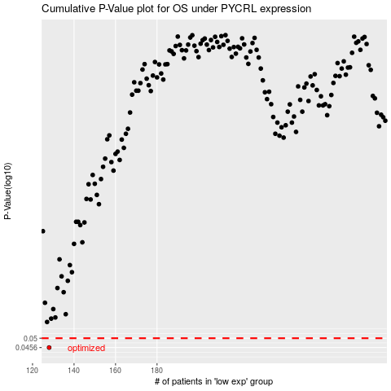

 |  |  |  |  |  | cases_OS | p_OS | rank | exp
 |  |  |  |  |  | 128 | 0.0456 | 221 | -0.51399944446
 |  |  |  |  |  |  | cases_RFS | p_RFS | rank | exp
 |  |  |  |  |  |  | 127 | 0.0456 | 122 | -0.52260327836

