PYGL _multivariate
Reported by Tex Li-Hsing Chi. tex@gate.sinica.edu.tw 2019-08-16

Table 2. The clinicopathological features of HNSCC cohort and PYGL expression. (Chi square test)
Cutoff at -0.468 (30.7%)
 |  | PYGL expression |  | PYGL expression |  | (Optimised)
 | Features | Low | (%) | High | (%) | Case no | P-value | Remark | Matthews
Gender | Female | 98 | 23.6 | 208 | 50.1 | 415 | 0.3506 | 0 | 0
2 | Male | 29 | 7 | 80 | 19.3
Age at diagnosis | <=65y | 92 | 22.2 | 182 | 43.9 | 415 | 0.0854 | 0 | 0
4 | >65y | 35 | 8.4 | 106 | 25.5
Clinical T Status | T1+T2 | 55 | 13.3 | 94 | 22.7 | 415 | 0.0481 | 1 | 0
6 | T3+T4 | 72 | 17.3 | 194 | 46.7
Clinical N Status | N0 | 56 | 13.5 | 160 | 38.6 | 415 | 0.0406 | 1 | 0
8 | N1-3 | 71 | 17.1 | 128 | 30.8
Clinical M Status | M0 | 127 | 30.6 | 285 | 68.7 | 415 | 0.5562 | 0 | 0
10 | M1 | 0 | 0 | 3 | 0.7
Clinical Stage | Stage I+II | 28 | 6.7 | 74 | 17.8 | 415 | 0.5019 | 0 | 0
12 | Stage III+IV | 99 | 23.9 | 214 | 51.6
Surgical Margin status | Negative | 91 | 21.9 | 227 | 54.7 | 415 | 0.1309 | 0 | 0
14 | Positive | 36 | 8.7 | 61 | 14.7
Tobacco Exposure | Low | 47 | 11.3 | 114 | 27.5 | 415 | 0.6626 | 0 | 0
16 | High | 80 | 19.3 | 174 | 41.9

Table 3. Univariate/Multivariate Cox's proportional hazards regression analyses on OS time of PYGL gene expression in HNSCC

 |  | Univariate |  |  |  | Multivariate
 | Features | HR | CI95%(L) | CI95%(H) | P-value | HR | CI95%(L) | CI95%(H) | P-value
1 | Female | 1 |  |  |  | 1
Gender | Male | 1.157 | 0.843 | 1.587 | 0.367 | 1.147 | 0.818 | 1.608 | 0.427
11 | <=65y | 1 |  |  |  | 1
Age at diagnosis | >65y | 1.329 | 0.99 | 1.784 | 0.058 | 1.362 | 1.001 | 1.852 | 0.049
12 | T1+T2 | 1 |  |  |  | 1
Clinical T Status | T3+T4 | 1.409 | 1.028 | 1.931 | 0.033 | 1.973 | 1.036 | 3.758 | 0.039
13 | N0 | 1 |  |  |  | 1
Clinical N Status | N1-3 | 1.185 | 0.89 | 1.577 | 0.246 | 1.286 | 0.901 | 1.837 | 0.166
14 | M0 | 1 |  |  |  | 1
Clinical M Status | M1 | 4.097 | 1.009 | 16.644 | 0.049 | 7.402 | 1.596 | 34.337 | 0.011
15 | Stage I+II | 1 |  |  |  | 1
Clinical Stage | Stage III+IV | 1.245 | 0.882 | 1.759 | 0.213 | 0.562 | 0.26 | 1.216 | 0.144
16 | Negative | 1 |  |  |  | 1
Surgical Margin status | Positive | 1.591 | 1.155 | 2.191 | 0.004 | 1.7 | 1.231 | 2.348 | 0.001
17 | Low | 1 |  |  |  | 1
Tobacco Exposure | High | 1.364 | 1.008 | 1.844 | 0.044 | 1.466 | 1.064 | 2.02 | 0.019
18 | Low | 1 |  |  |  | 1
RNAseq(z-score) | High | 1.519 | 1.091 | 2.114 | 0.013 | 1.477 | 1.048 | 2.082 | 0.026

Table 4. Univariate/Multivariate Cox's proportional hazards regression analyses on RFS time of PYGL gene expression in HNSCC

 |  | Univariate |  |  |  | Multivariate
 | Features | HR | CI95%(L) | CI95%(H) | P-value | HR | CI95%(L) | CI95%(H) | P-value
1 | Female | 1 |  |  |  | 1
Gender | Male | 1.157 | 0.843 | 1.587 | 0.367 | 1.147 | 0.818 | 1.608 | 0.427
11 | <=65y | 1 |  |  |  | 1
Age at diagnosis | >65y | 1.329 | 0.99 | 1.784 | 0.058 | 1.362 | 1.001 | 1.852 | 0.049
12 | T1+T2 | 1 |  |  |  | 1
Clinical T Status | T3+T4 | 1.409 | 1.028 | 1.931 | 0.033 | 1.973 | 1.036 | 3.758 | 0.039
13 | N0 | 1 |  |  |  | 1
Clinical N Status | N1-3 | 1.185 | 0.89 | 1.577 | 0.246 | 1.286 | 0.901 | 1.837 | 0.166
14 | M0 | 1 |  |  |  | 1
Clinical M Status | M1 | 4.097 | 1.009 | 16.644 | 0.049 | 7.402 | 1.596 | 34.337 | 0.011
15 | Stage I+II | 1 |  |  |  | 1
Clinical Stage | Stage III+IV | 1.245 | 0.882 | 1.759 | 0.213 | 0.562 | 0.26 | 1.216 | 0.144
16 | Negative | 1 |  |  |  | 1
Surgical Margin status | Positive | 1.591 | 1.155 | 2.191 | 0.004 | 1.7 | 1.231 | 2.348 | 0.001
17 | Low | 1 |  |  |  | 1
Tobacco Exposure | High | 1.364 | 1.008 | 1.844 | 0.044 | 1.466 | 1.064 | 2.02 | 0.019
18 | Low | 1 |  |  |  | 1
RNAseq(z-score) | High | 1.519 | 1.091 | 2.114 | 0.013 | 1.477 | 1.048 | 2.082 | 0.026

Kaplan-Meier survival estimate: Cutoff at -0.468 (30.7%)

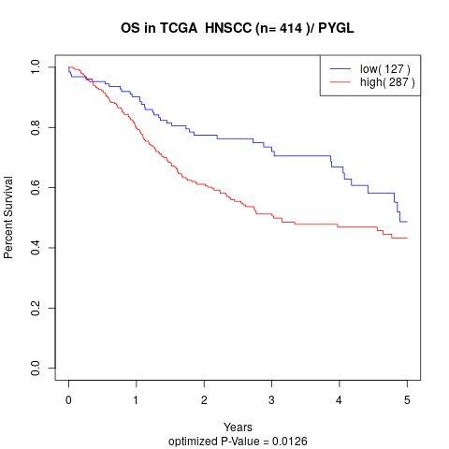

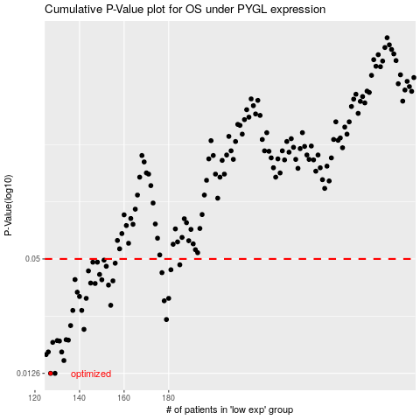

 |  |  |  |  |  | cases_OS | p_OS | rank | exp
 |  |  |  |  |  | 127 | 0.0126 | 196 | -0.46753138508
 |  |  |  |  |  | 129 | 0.0126 | 285 | -0.46336714706
 |  |  |  |  |  | 133 | 0.0147 | 405 | -0.44831926094
 |  |  |  |  |  | 125 | 0.0158 | 179 | -0.49084746131
 |  |  |  |  |  | 126 | 0.0163 | 165 | -0.48456778024
 |  |  |  |  |  | 132 | 0.0163 | 415 | -0.45351070691
 |  |  |  |  |  | 128 | 0.0183 | 35 | -0.46590761824
 |  |  |  |  |  | 131 | 0.0186 | 408 | -0.46218709328
 |  |  |  |  |  | 130 | 0.0187 | 358 | -0.46300453586
 |  |  |  |  |  | 135 | 0.0188 | 3 | -0.44447010336
 |  |  |  |  |  | 134 | 0.0189 | 277 | -0.44564598777
 |  |  |  |  |  | 142 | 0.0214 | 85 | -0.40721423464
 |  |  |  |  |  | 136 | 0.0224 | 244 | -0.43712809903
 |  |  |  |  |  | 179 | 0.0241 | 185 | -0.1929872682
 |  |  |  |  |  | 141 | 0.0269 | 152 | -0.40870214196
 |  |  |  |  |  | 137 | 0.0269 | 398 | -0.4293090576
 |  |  |  |  |  | 154 | 0.0286 | 372 | -0.34147382155
 |  |  |  |  |  | 178 | 0.0302 | 402 | -0.20210208644
 |  |  |  |  |  | 143 | 0.0311 | 61 | -0.40280601157
 |  |  |  |  |  | 180 | 0.0311 | 257 | -0.17408284319
 |  |  |  |  |  | 140 | 0.0318 | 39 | -0.41009288763
 |  |  |  |  |  | 139 | 0.0335 | 81 | -0.41497194008
 |  |  |  |  |  | 153 | 0.0365 | 49 | -0.34276722028
 |  |  |  |  |  | 147 | 0.0372 | 258 | -0.38502203385
 |  |  |  |  |  | 145 | 0.0374 | 92 | -0.39306708574
 |  |  |  |  |  | 155 | 0.0384 | 74 | -0.3393534988
 |  |  |  |  |  | 150 | 0.0389 | 236 | -0.35769277414
 |  |  |  |  |  | 138 | 0.039 | 317 | -0.42780966136
 |  |  |  |  |  | 149 | 0.0415 | 144 | -0.37451013868
 |  |  |  |  |  | 177 | 0.0424 | 57 | -0.20231710213
 |  |  |  |  |  | 144 | 0.0433 | 293 | -0.39342117291
 |  |  |  |  |  | 181 | 0.0439 | 377 | -0.16564760052
 |  |  |  |  |  | 152 | 0.0458 | 400 | -0.3494150717
 |  |  |  |  |  | 185 | 0.0466 | 198 | -0.14121394922
 |  |  |  |  |  | 156 | 0.0475 | 221 | -0.33867423207
 |  |  |  |  |  | 146 | 0.0481 | 122 | -0.39106569799
 |  |  |  |  |  | 148 | 0.0481 | 311 | -0.37765881209
 |  |  |  |  |  | 151 | 0.0493 | 380 | -0.35109152696
 |  |  |  |  |  |  | cases_RFS | p_RFS | rank | exp
 |  |  |  |  |  |  | 128 | 0.0126 | 35 | -0.46590761824
 |  |  |  |  |  |  | 126 | 0.0126 | 165 | -0.48456778024
 |  |  |  |  |  |  | 132 | 0.0147 | 415 | -0.45351070691
 |  |  |  |  |  |  |  | 0.0158 | 157 | -0.49132193502
 |  |  |  |  |  |  | 125 | 0.0163 | 179 | -0.49084746131
 |  |  |  |  |  |  | 131 | 0.0163 | 408 | -0.46218709328
 |  |  |  |  |  |  | 127 | 0.0183 | 196 | -0.46753138508
 |  |  |  |  |  |  | 130 | 0.0186 | 358 | -0.46300453586
 |  |  |  |  |  |  | 129 | 0.0187 | 285 | -0.46336714706
 |  |  |  |  |  |  | 134 | 0.0188 | 277 | -0.44564598777
 |  |  |  |  |  |  | 133 | 0.0189 | 405 | -0.44831926094
 |  |  |  |  |  |  | 141 | 0.0214 | 152 | -0.40870214196
 |  |  |  |  |  |  | 135 | 0.0224 | 3 | -0.44447010336
 |  |  |  |  |  |  | 178 | 0.0241 | 402 | -0.20210208644
 |  |  |  |  |  |  | 140 | 0.0269 | 39 | -0.41009288763
 |  |  |  |  |  |  | 136 | 0.0269 | 244 | -0.43712809903
 |  |  |  |  |  |  | 153 | 0.0286 | 49 | -0.34276722028
 |  |  |  |  |  |  | 177 | 0.0302 | 57 | -0.20231710213
 |  |  |  |  |  |  | 142 | 0.0311 | 85 | -0.40721423464
 |  |  |  |  |  |  | 179 | 0.0311 | 185 | -0.1929872682
 |  |  |  |  |  |  | 139 | 0.0318 | 81 | -0.41497194008
 |  |  |  |  |  |  | 138 | 0.0335 | 317 | -0.42780966136
 |  |  |  |  |  |  | 152 | 0.0365 | 400 | -0.3494150717
 |  |  |  |  |  |  | 146 | 0.0372 | 122 | -0.39106569799
 |  |  |  |  |  |  | 144 | 0.0374 | 293 | -0.39342117291
 |  |  |  |  |  |  | 154 | 0.0384 | 372 | -0.34147382155
 |  |  |  |  |  |  | 149 | 0.0389 | 144 | -0.37451013868
 |  |  |  |  |  |  | 137 | 0.039 | 398 | -0.4293090576
 |  |  |  |  |  |  | 148 | 0.0415 | 311 | -0.37765881209
 |  |  |  |  |  |  | 176 | 0.0424 | 112 | -0.21041749847
 |  |  |  |  |  |  | 143 | 0.0433 | 61 | -0.40280601157
 |  |  |  |  |  |  | 180 | 0.0439 | 257 | -0.17408284319
 |  |  |  |  |  |  | 151 | 0.0458 | 380 | -0.35109152696
 |  |  |  |  |  |  | 184 | 0.0466 | 111 | -0.15372192007
 |  |  |  |  |  |  | 155 | 0.0475 | 74 | -0.3393534988
 |  |  |  |  |  |  | 145 | 0.0481 | 92 | -0.39306708574
 |  |  |  |  |  |  | 147 | 0.0481 | 258 | -0.38502203385
 |  |  |  |  |  |  | 150 | 0.0493 | 236 | -0.35769277414

