PYROXD2 _multivariate
Reported by Tex Li-Hsing Chi. tex@gate.sinica.edu.tw 2019-08-16

Table 2. The clinicopathological features of HNSCC cohort and PYROXD2 expression. (Chi square test)
Cutoff at -0.307 (49.8%)
 |  | PYROXD2 expression |  | PYROXD2 expression |  | (Optimised)
 | Features | Low | (%) | High | (%) | Case no | P-value | Remark | Matthews
Gender | Female | 143 | 34.5 | 163 | 39.3 | 415 | 0.0416 | 1 | 0
2 | Male | 64 | 15.4 | 45 | 10.8
Age at diagnosis | <=65y | 137 | 33 | 137 | 33 | 415 | 1 | 0 | 0
4 | >65y | 70 | 16.9 | 71 | 17.1
Clinical T Status | T1+T2 | 66 | 15.9 | 83 | 20 | 415 | 0.1095 | 0 | 0
6 | T3+T4 | 141 | 34 | 125 | 30.1
Clinical N Status | N0 | 105 | 25.3 | 111 | 26.7 | 415 | 0.6598 | 0 | 0
8 | N1-3 | 102 | 24.6 | 97 | 23.4
Clinical M Status | M0 | 205 | 49.4 | 207 | 49.9 | 415 | 0.6232 | 0 | 0
10 | M1 | 2 | 0.5 | 1 | 0.2
Clinical Stage | Stage I+II | 45 | 10.8 | 57 | 13.7 | 415 | 0.2202 | 0 | 0
12 | Stage III+IV | 162 | 39 | 151 | 36.4
Surgical Margin status | Negative | 163 | 39.3 | 155 | 37.3 | 415 | 0.3537 | 0 | 0
14 | Positive | 44 | 10.6 | 53 | 12.8
Tobacco Exposure | Low | 79 | 19 | 82 | 19.8 | 415 | 0.8405 | 0 | 0
16 | High | 128 | 30.8 | 126 | 30.4

Table 3. Univariate/Multivariate Cox's proportional hazards regression analyses on OS time of PYROXD2 gene expression in HNSCC

 |  | Univariate |  |  |  | Multivariate
 | Features | HR | CI95%(L) | CI95%(H) | P-value | HR | CI95%(L) | CI95%(H) | P-value
1 | Female | 1 |  |  |  | 1
Gender | Male | 1.157 | 0.843 | 1.587 | 0.367 | 1.188 | 0.845 | 1.668 | 0.321
11 | <=65y | 1 |  |  |  | 1
Age at diagnosis | >65y | 1.329 | 0.99 | 1.784 | 0.058 | 1.398 | 1.027 | 1.902 | 0.033
12 | T1+T2 | 1 |  |  |  | 1
Clinical T Status | T3+T4 | 1.409 | 1.028 | 1.931 | 0.033 | 2.207 | 1.167 | 4.171 | 0.015
13 | N0 | 1 |  |  |  | 1
Clinical N Status | N1-3 | 1.185 | 0.89 | 1.577 | 0.246 | 1.243 | 0.871 | 1.774 | 0.231
14 | M0 | 1 |  |  |  | 1
Clinical M Status | M1 | 4.097 | 1.009 | 16.644 | 0.049 | 9.245 | 2.012 | 42.493 | 0.004
15 | Stage I+II | 1 |  |  |  | 1
Clinical Stage | Stage III+IV | 1.245 | 0.882 | 1.759 | 0.213 | 0.502 | 0.234 | 1.078 | 0.077
16 | Negative | 1 |  |  |  | 1
Surgical Margin status | Positive | 1.591 | 1.155 | 2.191 | 0.004 | 1.67 | 1.209 | 2.308 | 0.002
17 | Low | 1 |  |  |  | 1
Tobacco Exposure | High | 1.364 | 1.008 | 1.844 | 0.044 | 1.456 | 1.056 | 2.007 | 0.022
18 | Low | 1 |  |  |  | 1
RNAseq(z-score) | High | 0.917 | 0.688 | 1.223 | 0.557 | 0.945 | 0.704 | 1.269 | 0.707

Table 4. Univariate/Multivariate Cox's proportional hazards regression analyses on RFS time of PYROXD2 gene expression in HNSCC

 |  | Univariate |  |  |  | Multivariate
 | Features | HR | CI95%(L) | CI95%(H) | P-value | HR | CI95%(L) | CI95%(H) | P-value
1 | Female | 1 |  |  |  | 1
Gender | Male | 1.157 | 0.843 | 1.587 | 0.367 | 1.188 | 0.845 | 1.668 | 0.321
11 | <=65y | 1 |  |  |  | 1
Age at diagnosis | >65y | 1.329 | 0.99 | 1.784 | 0.058 | 1.398 | 1.027 | 1.902 | 0.033
12 | T1+T2 | 1 |  |  |  | 1
Clinical T Status | T3+T4 | 1.409 | 1.028 | 1.931 | 0.033 | 2.207 | 1.167 | 4.171 | 0.015
13 | N0 | 1 |  |  |  | 1
Clinical N Status | N1-3 | 1.185 | 0.89 | 1.577 | 0.246 | 1.243 | 0.871 | 1.774 | 0.231
14 | M0 | 1 |  |  |  | 1
Clinical M Status | M1 | 4.097 | 1.009 | 16.644 | 0.049 | 9.245 | 2.012 | 42.493 | 0.004
15 | Stage I+II | 1 |  |  |  | 1
Clinical Stage | Stage III+IV | 1.245 | 0.882 | 1.759 | 0.213 | 0.502 | 0.234 | 1.078 | 0.077
16 | Negative | 1 |  |  |  | 1
Surgical Margin status | Positive | 1.591 | 1.155 | 2.191 | 0.004 | 1.67 | 1.209 | 2.308 | 0.002
17 | Low | 1 |  |  |  | 1
Tobacco Exposure | High | 1.364 | 1.008 | 1.844 | 0.044 | 1.456 | 1.056 | 2.007 | 0.022
18 | Low | 1 |  |  |  | 1
RNAseq(z-score) | High | 0.917 | 0.688 | 1.223 | 0.557 | 0.945 | 0.704 | 1.269 | 0.707

Kaplan-Meier survival estimate: Cutoff at -0.307 (49.8%)



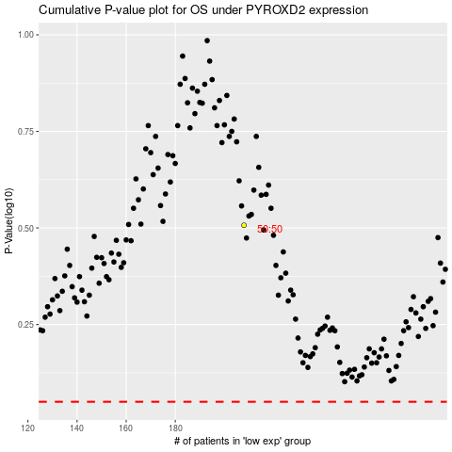

 |  |  |  |  |  | cases_OS | p_OS | rank | exp
 |  |  |  |  |  |  | cases_RFS | p_RFS | rank | exp

