PYY2 _multivariate
Reported by Tex Li-Hsing Chi. tex@gate.sinica.edu.tw 2019-08-16

Table 2. The clinicopathological features of HNSCC cohort and PYY2 expression. (Chi square test)
Cutoff at -0.282 (49.8%)
 |  | PYY2 expression |  | PYY2 expression |  | (Optimised)
 | Features | Low | (%) | High | (%) | Case no | P-value | Remark | Matthews
Gender | Female | 154 | 37.1 | 152 | 36.6 | 415 | 0.8463 | 0 | 0
2 | Male | 53 | 12.8 | 56 | 13.5
Age at diagnosis | <=65y | 146 | 35.2 | 128 | 30.8 | 415 | 0.0672 | 0 | 0
4 | >65y | 61 | 14.7 | 80 | 19.3
Clinical T Status | T1+T2 | 91 | 21.9 | 58 | 14 | 415 | 9e-04 | 1 | 0
6 | T3+T4 | 116 | 28 | 150 | 36.1
Clinical N Status | N0 | 101 | 24.3 | 115 | 27.7 | 415 | 0.2201 | 0 | 0
8 | N1-3 | 106 | 25.5 | 93 | 22.4
Clinical M Status | M0 | 205 | 49.4 | 207 | 49.9 | 415 | 0.6232 | 0 | 0
10 | M1 | 2 | 0.5 | 1 | 0.2
Clinical Stage | Stage I+II | 62 | 14.9 | 40 | 9.6 | 415 | 0.0154 | 1 | 0
12 | Stage III+IV | 145 | 34.9 | 168 | 40.5
Surgical Margin status | Negative | 156 | 37.6 | 162 | 39 | 415 | 0.5636 | 0 | 0
14 | Positive | 51 | 12.3 | 46 | 11.1
Tobacco Exposure | Low | 83 | 20 | 78 | 18.8 | 415 | 0.6152 | 0 | 0
16 | High | 124 | 29.9 | 130 | 31.3

Table 3. Univariate/Multivariate Cox's proportional hazards regression analyses on OS time of PYY2 gene expression in HNSCC

 |  | Univariate |  |  |  | Multivariate
 | Features | HR | CI95%(L) | CI95%(H) | P-value | HR | CI95%(L) | CI95%(H) | P-value
1 | Female | 1 |  |  |  | 1
Gender | Male | 1.157 | 0.843 | 1.587 | 0.367 | 1.216 | 0.87 | 1.698 | 0.252
11 | <=65y | 1 |  |  |  | 1
Age at diagnosis | >65y | 1.329 | 0.99 | 1.784 | 0.058 | 1.413 | 1.039 | 1.922 | 0.027
12 | T1+T2 | 1 |  |  |  | 1
Clinical T Status | T3+T4 | 1.409 | 1.028 | 1.931 | 0.033 | 2.214 | 1.172 | 4.183 | 0.014
13 | N0 | 1 |  |  |  | 1
Clinical N Status | N1-3 | 1.185 | 0.89 | 1.577 | 0.246 | 1.22 | 0.855 | 1.742 | 0.274
14 | M0 | 1 |  |  |  | 1
Clinical M Status | M1 | 4.097 | 1.009 | 16.644 | 0.049 | 9.293 | 2.028 | 42.585 | 0.004
15 | Stage I+II | 1 |  |  |  | 1
Clinical Stage | Stage III+IV | 1.245 | 0.882 | 1.759 | 0.213 | 0.528 | 0.245 | 1.136 | 0.102
16 | Negative | 1 |  |  |  | 1
Surgical Margin status | Positive | 1.591 | 1.155 | 2.191 | 0.004 | 1.639 | 1.185 | 2.267 | 0.003
17 | Low | 1 |  |  |  | 1
Tobacco Exposure | High | 1.364 | 1.008 | 1.844 | 0.044 | 1.468 | 1.065 | 2.023 | 0.019
18 | Low | 1 |  |  |  | 1
RNAseq(z-score) | High | 0.863 | 0.648 | 1.15 | 0.315 | 0.82 | 0.611 | 1.1 | 0.186

Table 4. Univariate/Multivariate Cox's proportional hazards regression analyses on RFS time of PYY2 gene expression in HNSCC

 |  | Univariate |  |  |  | Multivariate
 | Features | HR | CI95%(L) | CI95%(H) | P-value | HR | CI95%(L) | CI95%(H) | P-value
1 | Female | 1 |  |  |  | 1
Gender | Male | 1.157 | 0.843 | 1.587 | 0.367 | 1.216 | 0.87 | 1.698 | 0.252
11 | <=65y | 1 |  |  |  | 1
Age at diagnosis | >65y | 1.329 | 0.99 | 1.784 | 0.058 | 1.413 | 1.039 | 1.922 | 0.027
12 | T1+T2 | 1 |  |  |  | 1
Clinical T Status | T3+T4 | 1.409 | 1.028 | 1.931 | 0.033 | 2.214 | 1.172 | 4.183 | 0.014
13 | N0 | 1 |  |  |  | 1
Clinical N Status | N1-3 | 1.185 | 0.89 | 1.577 | 0.246 | 1.22 | 0.855 | 1.742 | 0.274
14 | M0 | 1 |  |  |  | 1
Clinical M Status | M1 | 4.097 | 1.009 | 16.644 | 0.049 | 9.293 | 2.028 | 42.585 | 0.004
15 | Stage I+II | 1 |  |  |  | 1
Clinical Stage | Stage III+IV | 1.245 | 0.882 | 1.759 | 0.213 | 0.528 | 0.245 | 1.136 | 0.102
16 | Negative | 1 |  |  |  | 1
Surgical Margin status | Positive | 1.591 | 1.155 | 2.191 | 0.004 | 1.639 | 1.185 | 2.267 | 0.003
17 | Low | 1 |  |  |  | 1
Tobacco Exposure | High | 1.364 | 1.008 | 1.844 | 0.044 | 1.468 | 1.065 | 2.023 | 0.019
18 | Low | 1 |  |  |  | 1
RNAseq(z-score) | High | 0.863 | 0.648 | 1.15 | 0.315 | 0.82 | 0.611 | 1.1 | 0.186

Kaplan-Meier survival estimate: Cutoff at -0.282 (49.8%)



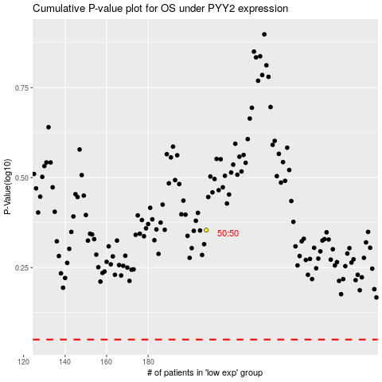

 |  |  |  |  |  | cases_OS | p_OS | rank | exp
 |  |  |  |  |  |  | cases_RFS | p_RFS | rank | exp

