QRICH1 _multivariate
Reported by Tex Li-Hsing Chi. tex@gate.sinica.edu.tw 2019-08-16

Table 2. The clinicopathological features of HNSCC cohort and QRICH1 expression. (Chi square test)
Cutoff at -0.187 (49.8%)
 |  | QRICH1 expression |  | QRICH1 expression |  | (Optimised)
 | Features | Low | (%) | High | (%) | Case no | P-value | Remark | Matthews
Gender | Female | 160 | 38.6 | 146 | 35.2 | 415 | 0.1254 | 0 | 0
2 | Male | 47 | 11.3 | 62 | 14.9
Age at diagnosis | <=65y | 139 | 33.5 | 135 | 32.5 | 415 | 0.7044 | 0 | 0
4 | >65y | 68 | 16.4 | 73 | 17.6
Clinical T Status | T1+T2 | 77 | 18.6 | 72 | 17.3 | 415 | 0.6556 | 0 | 0
6 | T3+T4 | 130 | 31.3 | 136 | 32.8
Clinical N Status | N0 | 108 | 26 | 108 | 26 | 415 | 1 | 0 | 0
8 | N1-3 | 99 | 23.9 | 100 | 24.1
Clinical M Status | M0 | 204 | 49.2 | 208 | 50.1 | 415 | 0.1232 | 0 | 0
10 | M1 | 3 | 0.7 | 0 | 0
Clinical Stage | Stage I+II | 53 | 12.8 | 49 | 11.8 | 415 | 0.7113 | 0 | 0
12 | Stage III+IV | 154 | 37.1 | 159 | 38.3
Surgical Margin status | Negative | 157 | 37.8 | 161 | 38.8 | 415 | 0.729 | 0 | 0
14 | Positive | 50 | 12 | 47 | 11.3
Tobacco Exposure | Low | 69 | 16.6 | 92 | 22.2 | 415 | 0.0266 | 1 | 0
16 | High | 138 | 33.3 | 116 | 28

Table 3. Univariate/Multivariate Cox's proportional hazards regression analyses on OS time of QRICH1 gene expression in HNSCC

 |  | Univariate |  |  |  | Multivariate
 | Features | HR | CI95%(L) | CI95%(H) | P-value | HR | CI95%(L) | CI95%(H) | P-value
1 | Female | 1 |  |  |  | 1
Gender | Male | 1.157 | 0.843 | 1.587 | 0.367 | 1.208 | 0.864 | 1.688 | 0.27
11 | <=65y | 1 |  |  |  | 1
Age at diagnosis | >65y | 1.329 | 0.99 | 1.784 | 0.058 | 1.386 | 1.02 | 1.884 | 0.037
12 | T1+T2 | 1 |  |  |  | 1
Clinical T Status | T3+T4 | 1.409 | 1.028 | 1.931 | 0.033 | 2.196 | 1.162 | 4.151 | 0.015
13 | N0 | 1 |  |  |  | 1
Clinical N Status | N1-3 | 1.185 | 0.89 | 1.577 | 0.246 | 1.224 | 0.857 | 1.748 | 0.267
14 | M0 | 1 |  |  |  | 1
Clinical M Status | M1 | 4.097 | 1.009 | 16.644 | 0.049 | 8.836 | 1.916 | 40.736 | 0.005
15 | Stage I+II | 1 |  |  |  | 1
Clinical Stage | Stage III+IV | 1.245 | 0.882 | 1.759 | 0.213 | 0.512 | 0.238 | 1.099 | 0.086
16 | Negative | 1 |  |  |  | 1
Surgical Margin status | Positive | 1.591 | 1.155 | 2.191 | 0.004 | 1.659 | 1.201 | 2.294 | 0.002
17 | Low | 1 |  |  |  | 1
Tobacco Exposure | High | 1.364 | 1.008 | 1.844 | 0.044 | 1.437 | 1.041 | 1.982 | 0.027
18 | Low | 1 |  |  |  | 1
RNAseq(z-score) | High | 0.822 | 0.615 | 1.098 | 0.185 | 0.875 | 0.652 | 1.174 | 0.373

Table 4. Univariate/Multivariate Cox's proportional hazards regression analyses on RFS time of QRICH1 gene expression in HNSCC

 |  | Univariate |  |  |  | Multivariate
 | Features | HR | CI95%(L) | CI95%(H) | P-value | HR | CI95%(L) | CI95%(H) | P-value
1 | Female | 1 |  |  |  | 1
Gender | Male | 1.157 | 0.843 | 1.587 | 0.367 | 1.208 | 0.864 | 1.688 | 0.27
11 | <=65y | 1 |  |  |  | 1
Age at diagnosis | >65y | 1.329 | 0.99 | 1.784 | 0.058 | 1.386 | 1.02 | 1.884 | 0.037
12 | T1+T2 | 1 |  |  |  | 1
Clinical T Status | T3+T4 | 1.409 | 1.028 | 1.931 | 0.033 | 2.196 | 1.162 | 4.151 | 0.015
13 | N0 | 1 |  |  |  | 1
Clinical N Status | N1-3 | 1.185 | 0.89 | 1.577 | 0.246 | 1.224 | 0.857 | 1.748 | 0.267
14 | M0 | 1 |  |  |  | 1
Clinical M Status | M1 | 4.097 | 1.009 | 16.644 | 0.049 | 8.836 | 1.916 | 40.736 | 0.005
15 | Stage I+II | 1 |  |  |  | 1
Clinical Stage | Stage III+IV | 1.245 | 0.882 | 1.759 | 0.213 | 0.512 | 0.238 | 1.099 | 0.086
16 | Negative | 1 |  |  |  | 1
Surgical Margin status | Positive | 1.591 | 1.155 | 2.191 | 0.004 | 1.659 | 1.201 | 2.294 | 0.002
17 | Low | 1 |  |  |  | 1
Tobacco Exposure | High | 1.364 | 1.008 | 1.844 | 0.044 | 1.437 | 1.041 | 1.982 | 0.027
18 | Low | 1 |  |  |  | 1
RNAseq(z-score) | High | 0.822 | 0.615 | 1.098 | 0.185 | 0.875 | 0.652 | 1.174 | 0.373

Kaplan-Meier survival estimate: Cutoff at -0.187 (49.8%)



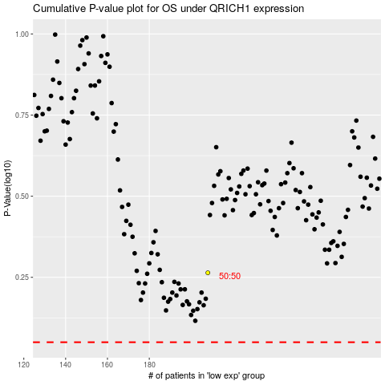

 |  |  |  |  |  | cases_OS | p_OS | rank | exp
 |  |  |  |  |  |  | cases_RFS | p_RFS | rank | exp

