QRICH2 _multivariate
Reported by Tex Li-Hsing Chi. tex@gate.sinica.edu.tw 2019-08-16

Table 2. The clinicopathological features of HNSCC cohort and QRICH2 expression. (Chi square test)
Cutoff at -0.257 (50.0%)
 |  | QRICH2 expression |  | QRICH2 expression |  | (Optimised)
 | Features | Low | (%) | High | (%) | Case no | P-value | Remark | Matthews
Gender | Female | 148 | 35.7 | 158 | 38.1 | 415 | 0.3567 | 0 | 0
2 | Male | 59 | 14.2 | 50 | 12
Age at diagnosis | <=65y | 136 | 32.8 | 138 | 33.3 | 415 | 0.9719 | 0 | 0
4 | >65y | 71 | 17.1 | 70 | 16.9
Clinical T Status | T1+T2 | 67 | 16.1 | 82 | 19.8 | 415 | 0.1628 | 0 | 0
6 | T3+T4 | 140 | 33.7 | 126 | 30.4
Clinical N Status | N0 | 107 | 25.8 | 109 | 26.3 | 415 | 0.9624 | 0 | 0
8 | N1-3 | 100 | 24.1 | 99 | 23.9
Clinical M Status | M0 | 206 | 49.6 | 206 | 49.6 | 415 | 1 | 0 | 0
10 | M1 | 1 | 0.2 | 2 | 0.5
Clinical Stage | Stage I+II | 50 | 12 | 52 | 12.5 | 415 | 0.9315 | 0 | 0
12 | Stage III+IV | 157 | 37.8 | 156 | 37.6
Surgical Margin status | Negative | 162 | 39 | 156 | 37.6 | 415 | 0.4867 | 0 | 0
14 | Positive | 45 | 10.8 | 52 | 12.5
Tobacco Exposure | Low | 84 | 20.2 | 77 | 18.6 | 415 | 0.4816 | 0 | 0
16 | High | 123 | 29.6 | 131 | 31.6

Table 3. Univariate/Multivariate Cox's proportional hazards regression analyses on OS time of QRICH2 gene expression in HNSCC

 |  | Univariate |  |  |  | Multivariate
 | Features | HR | CI95%(L) | CI95%(H) | P-value | HR | CI95%(L) | CI95%(H) | P-value
1 | Female | 1 |  |  |  | 1
Gender | Male | 1.157 | 0.843 | 1.587 | 0.367 | 1.173 | 0.838 | 1.64 | 0.352
11 | <=65y | 1 |  |  |  | 1
Age at diagnosis | >65y | 1.329 | 0.99 | 1.784 | 0.058 | 1.416 | 1.04 | 1.928 | 0.027
12 | T1+T2 | 1 |  |  |  | 1
Clinical T Status | T3+T4 | 1.409 | 1.028 | 1.931 | 0.033 | 2.09 | 1.102 | 3.964 | 0.024
13 | N0 | 1 |  |  |  | 1
Clinical N Status | N1-3 | 1.185 | 0.89 | 1.577 | 0.246 | 1.242 | 0.87 | 1.773 | 0.232
14 | M0 | 1 |  |  |  | 1
Clinical M Status | M1 | 4.097 | 1.009 | 16.644 | 0.049 | 9.207 | 2.008 | 42.215 | 0.004
15 | Stage I+II | 1 |  |  |  | 1
Clinical Stage | Stage III+IV | 1.245 | 0.882 | 1.759 | 0.213 | 0.519 | 0.242 | 1.115 | 0.093
16 | Negative | 1 |  |  |  | 1
Surgical Margin status | Positive | 1.591 | 1.155 | 2.191 | 0.004 | 1.696 | 1.227 | 2.344 | 0.001
17 | Low | 1 |  |  |  | 1
Tobacco Exposure | High | 1.364 | 1.008 | 1.844 | 0.044 | 1.497 | 1.083 | 2.068 | 0.015
18 | Low | 1 |  |  |  | 1
RNAseq(z-score) | High | 0.777 | 0.583 | 1.037 | 0.087 | 0.781 | 0.582 | 1.048 | 0.099

Table 4. Univariate/Multivariate Cox's proportional hazards regression analyses on RFS time of QRICH2 gene expression in HNSCC

 |  | Univariate |  |  |  | Multivariate
 | Features | HR | CI95%(L) | CI95%(H) | P-value | HR | CI95%(L) | CI95%(H) | P-value
1 | Female | 1 |  |  |  | 1
Gender | Male | 1.157 | 0.843 | 1.587 | 0.367 | 1.173 | 0.838 | 1.64 | 0.352
11 | <=65y | 1 |  |  |  | 1
Age at diagnosis | >65y | 1.329 | 0.99 | 1.784 | 0.058 | 1.416 | 1.04 | 1.928 | 0.027
12 | T1+T2 | 1 |  |  |  | 1
Clinical T Status | T3+T4 | 1.409 | 1.028 | 1.931 | 0.033 | 2.09 | 1.102 | 3.964 | 0.024
13 | N0 | 1 |  |  |  | 1
Clinical N Status | N1-3 | 1.185 | 0.89 | 1.577 | 0.246 | 1.242 | 0.87 | 1.773 | 0.232
14 | M0 | 1 |  |  |  | 1
Clinical M Status | M1 | 4.097 | 1.009 | 16.644 | 0.049 | 9.207 | 2.008 | 42.215 | 0.004
15 | Stage I+II | 1 |  |  |  | 1
Clinical Stage | Stage III+IV | 1.245 | 0.882 | 1.759 | 0.213 | 0.519 | 0.242 | 1.115 | 0.093
16 | Negative | 1 |  |  |  | 1
Surgical Margin status | Positive | 1.591 | 1.155 | 2.191 | 0.004 | 1.696 | 1.227 | 2.344 | 0.001
17 | Low | 1 |  |  |  | 1
Tobacco Exposure | High | 1.364 | 1.008 | 1.844 | 0.044 | 1.497 | 1.083 | 2.068 | 0.015
18 | Low | 1 |  |  |  | 1
RNAseq(z-score) | High | 0.777 | 0.583 | 1.037 | 0.087 | 0.781 | 0.582 | 1.048 | 0.099

Kaplan-Meier survival estimate: Cutoff at -0.257 (50.0%)



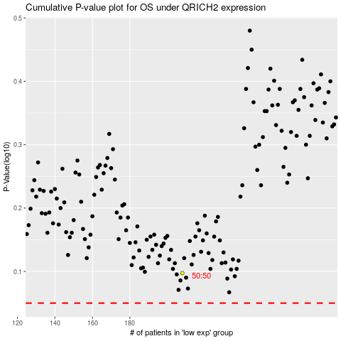

 |  |  |  |  |  | cases_OS | p_OS | rank | exp
 |  |  |  |  |  |  | cases_RFS | p_RFS | rank | exp

