QRSL1 _multivariate
Reported by Tex Li-Hsing Chi. tex@gate.sinica.edu.tw 2019-08-16

Table 2. The clinicopathological features of HNSCC cohort and QRSL1 expression. (Chi square test)
Cutoff at -0.135 (49.8%)
 |  | QRSL1 expression |  | QRSL1 expression |  | (Optimised)
 | Features | Low | (%) | High | (%) | Case no | P-value | Remark | Matthews
Gender | Female | 143 | 34.5 | 163 | 39.3 | 415 | 0.0416 | 1 | 0
2 | Male | 64 | 15.4 | 45 | 10.8
Age at diagnosis | <=65y | 133 | 32 | 141 | 34 | 415 | 0.5111 | 0 | 0
4 | >65y | 74 | 17.8 | 67 | 16.1
Clinical T Status | T1+T2 | 63 | 15.2 | 86 | 20.7 | 415 | 0.0268 | 1 | 0
6 | T3+T4 | 144 | 34.7 | 122 | 29.4
Clinical N Status | N0 | 117 | 28.2 | 99 | 23.9 | 415 | 0.0852 | 1 | 0
8 | N1-3 | 90 | 21.7 | 109 | 26.3
Clinical M Status | M0 | 206 | 49.6 | 206 | 49.6 | 415 | 1 | 0 | 0
10 | M1 | 1 | 0.2 | 2 | 0.5
Clinical Stage | Stage I+II | 49 | 11.8 | 53 | 12.8 | 415 | 0.7535 | 0 | 0
12 | Stage III+IV | 158 | 38.1 | 155 | 37.3
Surgical Margin status | Negative | 161 | 38.8 | 157 | 37.8 | 415 | 0.6429 | 0 | 0
14 | Positive | 46 | 11.1 | 51 | 12.3
Tobacco Exposure | Low | 81 | 19.5 | 80 | 19.3 | 415 | 0.9199 | 0 | 0
16 | High | 126 | 30.4 | 128 | 30.8

Table 3. Univariate/Multivariate Cox's proportional hazards regression analyses on OS time of QRSL1 gene expression in HNSCC

 |  | Univariate |  |  |  | Multivariate
 | Features | HR | CI95%(L) | CI95%(H) | P-value | HR | CI95%(L) | CI95%(H) | P-value
1 | Female | 1 |  |  |  | 1
Gender | Male | 1.157 | 0.843 | 1.587 | 0.367 | 1.221 | 0.872 | 1.708 | 0.245
11 | <=65y | 1 |  |  |  | 1
Age at diagnosis | >65y | 1.329 | 0.99 | 1.784 | 0.058 | 1.377 | 1.012 | 1.874 | 0.042
12 | T1+T2 | 1 |  |  |  | 1
Clinical T Status | T3+T4 | 1.409 | 1.028 | 1.931 | 0.033 | 2.284 | 1.203 | 4.338 | 0.012
13 | N0 | 1 |  |  |  | 1
Clinical N Status | N1-3 | 1.185 | 0.89 | 1.577 | 0.246 | 1.216 | 0.85 | 1.739 | 0.284
14 | M0 | 1 |  |  |  | 1
Clinical M Status | M1 | 4.097 | 1.009 | 16.644 | 0.049 | 9.384 | 2.046 | 43.036 | 0.004
15 | Stage I+II | 1 |  |  |  | 1
Clinical Stage | Stage III+IV | 1.245 | 0.882 | 1.759 | 0.213 | 0.497 | 0.231 | 1.067 | 0.073
16 | Negative | 1 |  |  |  | 1
Surgical Margin status | Positive | 1.591 | 1.155 | 2.191 | 0.004 | 1.675 | 1.212 | 2.315 | 0.002
17 | Low | 1 |  |  |  | 1
Tobacco Exposure | High | 1.364 | 1.008 | 1.844 | 0.044 | 1.456 | 1.056 | 2.008 | 0.022
18 | Low | 1 |  |  |  | 1
RNAseq(z-score) | High | 1.112 | 0.835 | 1.481 | 0.466 | 1.157 | 0.863 | 1.552 | 0.33

Table 4. Univariate/Multivariate Cox's proportional hazards regression analyses on RFS time of QRSL1 gene expression in HNSCC

 |  | Univariate |  |  |  | Multivariate
 | Features | HR | CI95%(L) | CI95%(H) | P-value | HR | CI95%(L) | CI95%(H) | P-value
1 | Female | 1 |  |  |  | 1
Gender | Male | 1.157 | 0.843 | 1.587 | 0.367 | 1.221 | 0.872 | 1.708 | 0.245
11 | <=65y | 1 |  |  |  | 1
Age at diagnosis | >65y | 1.329 | 0.99 | 1.784 | 0.058 | 1.377 | 1.012 | 1.874 | 0.042
12 | T1+T2 | 1 |  |  |  | 1
Clinical T Status | T3+T4 | 1.409 | 1.028 | 1.931 | 0.033 | 2.284 | 1.203 | 4.338 | 0.012
13 | N0 | 1 |  |  |  | 1
Clinical N Status | N1-3 | 1.185 | 0.89 | 1.577 | 0.246 | 1.216 | 0.85 | 1.739 | 0.284
14 | M0 | 1 |  |  |  | 1
Clinical M Status | M1 | 4.097 | 1.009 | 16.644 | 0.049 | 9.384 | 2.046 | 43.036 | 0.004
15 | Stage I+II | 1 |  |  |  | 1
Clinical Stage | Stage III+IV | 1.245 | 0.882 | 1.759 | 0.213 | 0.497 | 0.231 | 1.067 | 0.073
16 | Negative | 1 |  |  |  | 1
Surgical Margin status | Positive | 1.591 | 1.155 | 2.191 | 0.004 | 1.675 | 1.212 | 2.315 | 0.002
17 | Low | 1 |  |  |  | 1
Tobacco Exposure | High | 1.364 | 1.008 | 1.844 | 0.044 | 1.456 | 1.056 | 2.008 | 0.022
18 | Low | 1 |  |  |  | 1
RNAseq(z-score) | High | 1.112 | 0.835 | 1.481 | 0.466 | 1.157 | 0.863 | 1.552 | 0.33

Kaplan-Meier survival estimate: Cutoff at -0.135 (49.8%)



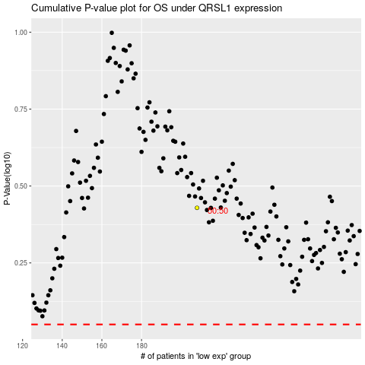

 |  |  |  |  |  | cases_OS | p_OS | rank | exp
 |  |  |  |  |  |  | cases_RFS | p_RFS | rank | exp

