QSOX1 _multivariate
Reported by Tex Li-Hsing Chi. tex@gate.sinica.edu.tw 2019-08-16

Table 2. The clinicopathological features of HNSCC cohort and QSOX1 expression. (Chi square test)
Cutoff at -0.181 (50.0%)
 |  | QSOX1 expression |  | QSOX1 expression |  | (Optimised)
 | Features | Low | (%) | High | (%) | Case no | P-value | Remark | Matthews
Gender | Female | 162 | 39 | 144 | 34.7 | 415 | 0.0479 | 1 | 0
2 | Male | 45 | 10.8 | 64 | 15.4
Age at diagnosis | <=65y | 143 | 34.5 | 131 | 31.6 | 415 | 0.2269 | 0 | 0
4 | >65y | 64 | 15.4 | 77 | 18.6
Clinical T Status | T1+T2 | 83 | 20 | 66 | 15.9 | 415 | 0.0941 | 0 | 0
6 | T3+T4 | 124 | 29.9 | 142 | 34.2
Clinical N Status | N0 | 105 | 25.3 | 111 | 26.7 | 415 | 0.6598 | 0 | 0
8 | N1-3 | 102 | 24.6 | 97 | 23.4
Clinical M Status | M0 | 206 | 49.6 | 206 | 49.6 | 415 | 1 | 0 | 0
10 | M1 | 1 | 0.2 | 2 | 0.5
Clinical Stage | Stage I+II | 55 | 13.3 | 47 | 11.3 | 415 | 0.4087 | 0 | 0
12 | Stage III+IV | 152 | 36.6 | 161 | 38.8
Surgical Margin status | Negative | 151 | 36.4 | 167 | 40.2 | 415 | 0.0828 | 0 | 0
14 | Positive | 56 | 13.5 | 41 | 9.9
Tobacco Exposure | Low | 75 | 18.1 | 86 | 20.7 | 415 | 0.3141 | 0 | 0
16 | High | 132 | 31.8 | 122 | 29.4

Table 3. Univariate/Multivariate Cox's proportional hazards regression analyses on OS time of QSOX1 gene expression in HNSCC

 |  | Univariate |  |  |  | Multivariate
 | Features | HR | CI95%(L) | CI95%(H) | P-value | HR | CI95%(L) | CI95%(H) | P-value
1 | Female | 1 |  |  |  | 1
Gender | Male | 1.157 | 0.843 | 1.587 | 0.367 | 1.241 | 0.884 | 1.742 | 0.212
11 | <=65y | 1 |  |  |  | 1
Age at diagnosis | >65y | 1.329 | 0.99 | 1.784 | 0.058 | 1.414 | 1.039 | 1.924 | 0.028
12 | T1+T2 | 1 |  |  |  | 1
Clinical T Status | T3+T4 | 1.409 | 1.028 | 1.931 | 0.033 | 2.24 | 1.184 | 4.239 | 0.013
13 | N0 | 1 |  |  |  | 1
Clinical N Status | N1-3 | 1.185 | 0.89 | 1.577 | 0.246 | 1.235 | 0.865 | 1.764 | 0.245
14 | M0 | 1 |  |  |  | 1
Clinical M Status | M1 | 4.097 | 1.009 | 16.644 | 0.049 | 10.171 | 2.205 | 46.913 | 0.003
15 | Stage I+II | 1 |  |  |  | 1
Clinical Stage | Stage III+IV | 1.245 | 0.882 | 1.759 | 0.213 | 0.502 | 0.234 | 1.078 | 0.077
16 | Negative | 1 |  |  |  | 1
Surgical Margin status | Positive | 1.591 | 1.155 | 2.191 | 0.004 | 1.648 | 1.191 | 2.279 | 0.003
17 | Low | 1 |  |  |  | 1
Tobacco Exposure | High | 1.364 | 1.008 | 1.844 | 0.044 | 1.459 | 1.059 | 2.01 | 0.021
18 | Low | 1 |  |  |  | 1
RNAseq(z-score) | High | 0.897 | 0.674 | 1.195 | 0.457 | 0.842 | 0.627 | 1.13 | 0.252

Table 4. Univariate/Multivariate Cox's proportional hazards regression analyses on RFS time of QSOX1 gene expression in HNSCC

 |  | Univariate |  |  |  | Multivariate
 | Features | HR | CI95%(L) | CI95%(H) | P-value | HR | CI95%(L) | CI95%(H) | P-value
1 | Female | 1 |  |  |  | 1
Gender | Male | 1.157 | 0.843 | 1.587 | 0.367 | 1.241 | 0.884 | 1.742 | 0.212
11 | <=65y | 1 |  |  |  | 1
Age at diagnosis | >65y | 1.329 | 0.99 | 1.784 | 0.058 | 1.414 | 1.039 | 1.924 | 0.028
12 | T1+T2 | 1 |  |  |  | 1
Clinical T Status | T3+T4 | 1.409 | 1.028 | 1.931 | 0.033 | 2.24 | 1.184 | 4.239 | 0.013
13 | N0 | 1 |  |  |  | 1
Clinical N Status | N1-3 | 1.185 | 0.89 | 1.577 | 0.246 | 1.235 | 0.865 | 1.764 | 0.245
14 | M0 | 1 |  |  |  | 1
Clinical M Status | M1 | 4.097 | 1.009 | 16.644 | 0.049 | 10.171 | 2.205 | 46.913 | 0.003
15 | Stage I+II | 1 |  |  |  | 1
Clinical Stage | Stage III+IV | 1.245 | 0.882 | 1.759 | 0.213 | 0.502 | 0.234 | 1.078 | 0.077
16 | Negative | 1 |  |  |  | 1
Surgical Margin status | Positive | 1.591 | 1.155 | 2.191 | 0.004 | 1.648 | 1.191 | 2.279 | 0.003
17 | Low | 1 |  |  |  | 1
Tobacco Exposure | High | 1.364 | 1.008 | 1.844 | 0.044 | 1.459 | 1.059 | 2.01 | 0.021
18 | Low | 1 |  |  |  | 1
RNAseq(z-score) | High | 0.897 | 0.674 | 1.195 | 0.457 | 0.842 | 0.627 | 1.13 | 0.252

Kaplan-Meier survival estimate: Cutoff at -0.181 (50.0%)



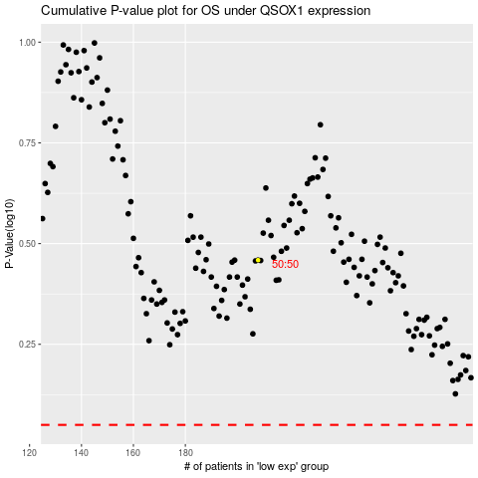

 |  |  |  |  |  | cases_OS | p_OS | rank | exp
 |  |  |  |  |  |  | cases_RFS | p_RFS | rank | exp

