R3HDM1 _multivariate
Reported by Tex Li-Hsing Chi. tex@gate.sinica.edu.tw 2019-08-16

Table 2. The clinicopathological features of HNSCC cohort and R3HDM1 expression. (Chi square test)
Cutoff at -0.001 (49.8%)
 |  | R3HDM1 expression |  | R3HDM1 expression |  | (Optimised)
 | Features | Low | (%) | High | (%) | Case no | P-value | Remark | Matthews
Gender | Female | 141 | 34 | 165 | 39.8 | 415 | 0.013 | 1 | 0
2 | Male | 66 | 15.9 | 43 | 10.4
Age at diagnosis | <=65y | 132 | 31.8 | 142 | 34.2 | 415 | 0.3874 | 0 | 0
4 | >65y | 75 | 18.1 | 66 | 15.9
Clinical T Status | T1+T2 | 77 | 18.6 | 72 | 17.3 | 415 | 0.6556 | 0 | 0
6 | T3+T4 | 130 | 31.3 | 136 | 32.8
Clinical N Status | N0 | 113 | 27.2 | 103 | 24.8 | 415 | 0.3495 | 1 | 0
8 | N1-3 | 94 | 22.7 | 105 | 25.3
Clinical M Status | M0 | 205 | 49.4 | 207 | 49.9 | 415 | 0.6232 | 0 | 0
10 | M1 | 2 | 0.5 | 1 | 0.2
Clinical Stage | Stage I+II | 57 | 13.7 | 45 | 10.8 | 415 | 0.1998 | 0 | 0
12 | Stage III+IV | 150 | 36.1 | 163 | 39.3
Surgical Margin status | Negative | 153 | 36.9 | 165 | 39.8 | 415 | 0.2036 | 0 | 0
14 | Positive | 54 | 13 | 43 | 10.4
Tobacco Exposure | Low | 93 | 22.4 | 68 | 16.4 | 415 | 0.0118 | 1 | 0
16 | High | 114 | 27.5 | 140 | 33.7

Table 3. Univariate/Multivariate Cox's proportional hazards regression analyses on OS time of R3HDM1 gene expression in HNSCC

 |  | Univariate |  |  |  | Multivariate
 | Features | HR | CI95%(L) | CI95%(H) | P-value | HR | CI95%(L) | CI95%(H) | P-value
1 | Female | 1 |  |  |  | 1
Gender | Male | 1.157 | 0.843 | 1.587 | 0.367 | 1.199 | 0.855 | 1.681 | 0.293
11 | <=65y | 1 |  |  |  | 1
Age at diagnosis | >65y | 1.329 | 0.99 | 1.784 | 0.058 | 1.391 | 1.023 | 1.891 | 0.035
12 | T1+T2 | 1 |  |  |  | 1
Clinical T Status | T3+T4 | 1.409 | 1.028 | 1.931 | 0.033 | 2.2 | 1.163 | 4.162 | 0.015
13 | N0 | 1 |  |  |  | 1
Clinical N Status | N1-3 | 1.185 | 0.89 | 1.577 | 0.246 | 1.241 | 0.87 | 1.771 | 0.233
14 | M0 | 1 |  |  |  | 1
Clinical M Status | M1 | 4.097 | 1.009 | 16.644 | 0.049 | 9.371 | 2.04 | 43.039 | 0.004
15 | Stage I+II | 1 |  |  |  | 1
Clinical Stage | Stage III+IV | 1.245 | 0.882 | 1.759 | 0.213 | 0.506 | 0.235 | 1.086 | 0.08
16 | Negative | 1 |  |  |  | 1
Surgical Margin status | Positive | 1.591 | 1.155 | 2.191 | 0.004 | 1.669 | 1.206 | 2.31 | 0.002
17 | Low | 1 |  |  |  | 1
Tobacco Exposure | High | 1.364 | 1.008 | 1.844 | 0.044 | 1.454 | 1.055 | 2.006 | 0.022
18 | Low | 1 |  |  |  | 1
RNAseq(z-score) | High | 0.951 | 0.714 | 1.267 | 0.73 | 0.986 | 0.733 | 1.325 | 0.924

Table 4. Univariate/Multivariate Cox's proportional hazards regression analyses on RFS time of R3HDM1 gene expression in HNSCC

 |  | Univariate |  |  |  | Multivariate
 | Features | HR | CI95%(L) | CI95%(H) | P-value | HR | CI95%(L) | CI95%(H) | P-value
1 | Female | 1 |  |  |  | 1
Gender | Male | 1.157 | 0.843 | 1.587 | 0.367 | 1.199 | 0.855 | 1.681 | 0.293
11 | <=65y | 1 |  |  |  | 1
Age at diagnosis | >65y | 1.329 | 0.99 | 1.784 | 0.058 | 1.391 | 1.023 | 1.891 | 0.035
12 | T1+T2 | 1 |  |  |  | 1
Clinical T Status | T3+T4 | 1.409 | 1.028 | 1.931 | 0.033 | 2.2 | 1.163 | 4.162 | 0.015
13 | N0 | 1 |  |  |  | 1
Clinical N Status | N1-3 | 1.185 | 0.89 | 1.577 | 0.246 | 1.241 | 0.87 | 1.771 | 0.233
14 | M0 | 1 |  |  |  | 1
Clinical M Status | M1 | 4.097 | 1.009 | 16.644 | 0.049 | 9.371 | 2.04 | 43.039 | 0.004
15 | Stage I+II | 1 |  |  |  | 1
Clinical Stage | Stage III+IV | 1.245 | 0.882 | 1.759 | 0.213 | 0.506 | 0.235 | 1.086 | 0.08
16 | Negative | 1 |  |  |  | 1
Surgical Margin status | Positive | 1.591 | 1.155 | 2.191 | 0.004 | 1.669 | 1.206 | 2.31 | 0.002
17 | Low | 1 |  |  |  | 1
Tobacco Exposure | High | 1.364 | 1.008 | 1.844 | 0.044 | 1.454 | 1.055 | 2.006 | 0.022
18 | Low | 1 |  |  |  | 1
RNAseq(z-score) | High | 0.951 | 0.714 | 1.267 | 0.73 | 0.986 | 0.733 | 1.325 | 0.924

Kaplan-Meier survival estimate: Cutoff at -0.001 (49.8%)



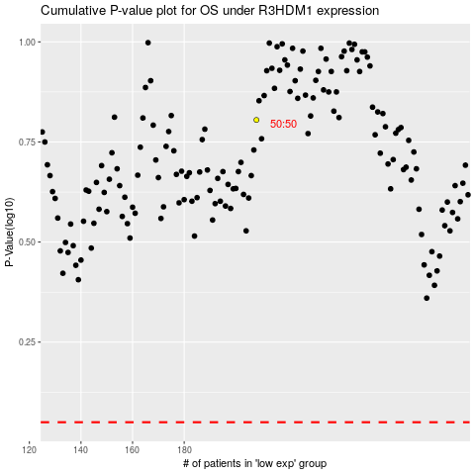

 |  |  |  |  |  | cases_OS | p_OS | rank | exp
 |  |  |  |  |  |  | cases_RFS | p_RFS | rank | exp

