R3HDM2 _multivariate
Reported by Tex Li-Hsing Chi. tex@gate.sinica.edu.tw 2019-08-16

Table 2. The clinicopathological features of HNSCC cohort and R3HDM2 expression. (Chi square test)
Cutoff at -0.085 (50.0%)
 |  | R3HDM2 expression |  | R3HDM2 expression |  | (Optimised)
 | Features | Low | (%) | High | (%) | Case no | P-value | Remark | Matthews
Gender | Female | 155 | 37.3 | 151 | 36.4 | 415 | 0.6768 | 0 | 0
2 | Male | 52 | 12.5 | 57 | 13.7
Age at diagnosis | <=65y | 141 | 34 | 133 | 32 | 415 | 0.4272 | 0 | 0
4 | >65y | 66 | 15.9 | 75 | 18.1
Clinical T Status | T1+T2 | 68 | 16.4 | 81 | 19.5 | 415 | 0.2336 | 0 | 0
6 | T3+T4 | 139 | 33.5 | 127 | 30.6
Clinical N Status | N0 | 106 | 25.5 | 110 | 26.5 | 415 | 0.8075 | 0 | 0
8 | N1-3 | 101 | 24.3 | 98 | 23.6
Clinical M Status | M0 | 207 | 49.9 | 205 | 49.4 | 415 | 0.2482 | 0 | 0
10 | M1 | 0 | 0 | 3 | 0.7
Clinical Stage | Stage I+II | 48 | 11.6 | 54 | 13 | 415 | 0.5878 | 0 | 0
12 | Stage III+IV | 159 | 38.3 | 154 | 37.1
Surgical Margin status | Negative | 157 | 37.8 | 161 | 38.8 | 415 | 0.729 | 0 | 0
14 | Positive | 50 | 12 | 47 | 11.3
Tobacco Exposure | Low | 67 | 16.1 | 94 | 22.7 | 415 | 0.0088 | 1 | 0
16 | High | 140 | 33.7 | 114 | 27.5

Table 3. Univariate/Multivariate Cox's proportional hazards regression analyses on OS time of R3HDM2 gene expression in HNSCC

 |  | Univariate |  |  |  | Multivariate
 | Features | HR | CI95%(L) | CI95%(H) | P-value | HR | CI95%(L) | CI95%(H) | P-value
1 | Female | 1 |  |  |  | 1
Gender | Male | 1.157 | 0.843 | 1.587 | 0.367 | 1.204 | 0.862 | 1.683 | 0.277
11 | <=65y | 1 |  |  |  | 1
Age at diagnosis | >65y | 1.329 | 0.99 | 1.784 | 0.058 | 1.392 | 1.024 | 1.892 | 0.035
12 | T1+T2 | 1 |  |  |  | 1
Clinical T Status | T3+T4 | 1.409 | 1.028 | 1.931 | 0.033 | 2.216 | 1.169 | 4.2 | 0.015
13 | N0 | 1 |  |  |  | 1
Clinical N Status | N1-3 | 1.185 | 0.89 | 1.577 | 0.246 | 1.242 | 0.87 | 1.772 | 0.233
14 | M0 | 1 |  |  |  | 1
Clinical M Status | M1 | 4.097 | 1.009 | 16.644 | 0.049 | 9.31 | 2.025 | 42.797 | 0.004
15 | Stage I+II | 1 |  |  |  | 1
Clinical Stage | Stage III+IV | 1.245 | 0.882 | 1.759 | 0.213 | 0.501 | 0.233 | 1.078 | 0.077
16 | Negative | 1 |  |  |  | 1
Surgical Margin status | Positive | 1.591 | 1.155 | 2.191 | 0.004 | 1.671 | 1.21 | 2.309 | 0.002
17 | Low | 1 |  |  |  | 1
Tobacco Exposure | High | 1.364 | 1.008 | 1.844 | 0.044 | 1.46 | 1.057 | 2.018 | 0.022
18 | Low | 1 |  |  |  | 1
RNAseq(z-score) | High | 0.981 | 0.736 | 1.306 | 0.893 | 1.033 | 0.771 | 1.384 | 0.827

Table 4. Univariate/Multivariate Cox's proportional hazards regression analyses on RFS time of R3HDM2 gene expression in HNSCC

 |  | Univariate |  |  |  | Multivariate
 | Features | HR | CI95%(L) | CI95%(H) | P-value | HR | CI95%(L) | CI95%(H) | P-value
1 | Female | 1 |  |  |  | 1
Gender | Male | 1.157 | 0.843 | 1.587 | 0.367 | 1.204 | 0.862 | 1.683 | 0.277
11 | <=65y | 1 |  |  |  | 1
Age at diagnosis | >65y | 1.329 | 0.99 | 1.784 | 0.058 | 1.392 | 1.024 | 1.892 | 0.035
12 | T1+T2 | 1 |  |  |  | 1
Clinical T Status | T3+T4 | 1.409 | 1.028 | 1.931 | 0.033 | 2.216 | 1.169 | 4.2 | 0.015
13 | N0 | 1 |  |  |  | 1
Clinical N Status | N1-3 | 1.185 | 0.89 | 1.577 | 0.246 | 1.242 | 0.87 | 1.772 | 0.233
14 | M0 | 1 |  |  |  | 1
Clinical M Status | M1 | 4.097 | 1.009 | 16.644 | 0.049 | 9.31 | 2.025 | 42.797 | 0.004
15 | Stage I+II | 1 |  |  |  | 1
Clinical Stage | Stage III+IV | 1.245 | 0.882 | 1.759 | 0.213 | 0.501 | 0.233 | 1.078 | 0.077
16 | Negative | 1 |  |  |  | 1
Surgical Margin status | Positive | 1.591 | 1.155 | 2.191 | 0.004 | 1.671 | 1.21 | 2.309 | 0.002
17 | Low | 1 |  |  |  | 1
Tobacco Exposure | High | 1.364 | 1.008 | 1.844 | 0.044 | 1.46 | 1.057 | 2.018 | 0.022
18 | Low | 1 |  |  |  | 1
RNAseq(z-score) | High | 0.981 | 0.736 | 1.306 | 0.893 | 1.033 | 0.771 | 1.384 | 0.827

Kaplan-Meier survival estimate: Cutoff at -0.085 (50.0%)



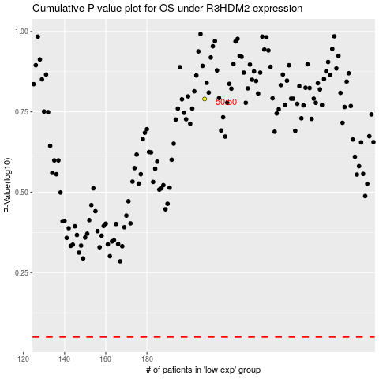

 |  |  |  |  |  | cases_OS | p_OS | rank | exp
 |  |  |  |  |  |  | cases_RFS | p_RFS | rank | exp

