RAB10 _multivariate
Reported by Tex Li-Hsing Chi. tex@gate.sinica.edu.tw 2019-08-16

Table 2. The clinicopathological features of HNSCC cohort and RAB10 expression. (Chi square test)
Cutoff at -0.223 (50.0%)
 |  | RAB10 expression |  | RAB10 expression |  | (Optimised)
 | Features | Low | (%) | High | (%) | Case no | P-value | Remark | Matthews
Gender | Female | 162 | 39 | 144 | 34.7 | 415 | 0.0479 | 1 | 0
2 | Male | 45 | 10.8 | 64 | 15.4
Age at diagnosis | <=65y | 137 | 33 | 137 | 33 | 415 | 1 | 0 | 0
4 | >65y | 70 | 16.9 | 71 | 17.1
Clinical T Status | T1+T2 | 80 | 19.3 | 69 | 16.6 | 415 | 0.2891 | 0 | 0
6 | T3+T4 | 127 | 30.6 | 139 | 33.5
Clinical N Status | N0 | 99 | 23.9 | 117 | 28.2 | 415 | 0.1054 | 0 | 0
8 | N1-3 | 108 | 26 | 91 | 21.9
Clinical M Status | M0 | 205 | 49.4 | 207 | 49.9 | 415 | 0.6232 | 0 | 0
10 | M1 | 2 | 0.5 | 1 | 0.2
Clinical Stage | Stage I+II | 48 | 11.6 | 54 | 13 | 415 | 0.5878 | 0 | 0
12 | Stage III+IV | 159 | 38.3 | 154 | 37.1
Surgical Margin status | Negative | 152 | 36.6 | 166 | 40 | 415 | 0.1329 | 0 | 0
14 | Positive | 55 | 13.3 | 42 | 10.1
Tobacco Exposure | Low | 74 | 17.8 | 87 | 21 | 415 | 0.227 | 0 | 0
16 | High | 133 | 32 | 121 | 29.2

Table 3. Univariate/Multivariate Cox's proportional hazards regression analyses on OS time of RAB10 gene expression in HNSCC

 |  | Univariate |  |  |  | Multivariate
 | Features | HR | CI95%(L) | CI95%(H) | P-value | HR | CI95%(L) | CI95%(H) | P-value
1 | Female | 1 |  |  |  | 1
Gender | Male | 1.157 | 0.843 | 1.587 | 0.367 | 1.193 | 0.854 | 1.666 | 0.302
11 | <=65y | 1 |  |  |  | 1
Age at diagnosis | >65y | 1.329 | 0.99 | 1.784 | 0.058 | 1.403 | 1.032 | 1.908 | 0.031
12 | T1+T2 | 1 |  |  |  | 1
Clinical T Status | T3+T4 | 1.409 | 1.028 | 1.931 | 0.033 | 2.165 | 1.143 | 4.099 | 0.018
13 | N0 | 1 |  |  |  | 1
Clinical N Status | N1-3 | 1.185 | 0.89 | 1.577 | 0.246 | 1.245 | 0.873 | 1.776 | 0.227
14 | M0 | 1 |  |  |  | 1
Clinical M Status | M1 | 4.097 | 1.009 | 16.644 | 0.049 | 9.391 | 2.048 | 43.061 | 0.004
15 | Stage I+II | 1 |  |  |  | 1
Clinical Stage | Stage III+IV | 1.245 | 0.882 | 1.759 | 0.213 | 0.514 | 0.239 | 1.103 | 0.088
16 | Negative | 1 |  |  |  | 1
Surgical Margin status | Positive | 1.591 | 1.155 | 2.191 | 0.004 | 1.699 | 1.226 | 2.353 | 0.001
17 | Low | 1 |  |  |  | 1
Tobacco Exposure | High | 1.364 | 1.008 | 1.844 | 0.044 | 1.459 | 1.058 | 2.01 | 0.021
18 | Low | 1 |  |  |  | 1
RNAseq(z-score) | High | 1.078 | 0.81 | 1.436 | 0.606 | 1.136 | 0.85 | 1.519 | 0.389

Table 4. Univariate/Multivariate Cox's proportional hazards regression analyses on RFS time of RAB10 gene expression in HNSCC

 |  | Univariate |  |  |  | Multivariate
 | Features | HR | CI95%(L) | CI95%(H) | P-value | HR | CI95%(L) | CI95%(H) | P-value
1 | Female | 1 |  |  |  | 1
Gender | Male | 1.157 | 0.843 | 1.587 | 0.367 | 1.193 | 0.854 | 1.666 | 0.302
11 | <=65y | 1 |  |  |  | 1
Age at diagnosis | >65y | 1.329 | 0.99 | 1.784 | 0.058 | 1.403 | 1.032 | 1.908 | 0.031
12 | T1+T2 | 1 |  |  |  | 1
Clinical T Status | T3+T4 | 1.409 | 1.028 | 1.931 | 0.033 | 2.165 | 1.143 | 4.099 | 0.018
13 | N0 | 1 |  |  |  | 1
Clinical N Status | N1-3 | 1.185 | 0.89 | 1.577 | 0.246 | 1.245 | 0.873 | 1.776 | 0.227
14 | M0 | 1 |  |  |  | 1
Clinical M Status | M1 | 4.097 | 1.009 | 16.644 | 0.049 | 9.391 | 2.048 | 43.061 | 0.004
15 | Stage I+II | 1 |  |  |  | 1
Clinical Stage | Stage III+IV | 1.245 | 0.882 | 1.759 | 0.213 | 0.514 | 0.239 | 1.103 | 0.088
16 | Negative | 1 |  |  |  | 1
Surgical Margin status | Positive | 1.591 | 1.155 | 2.191 | 0.004 | 1.699 | 1.226 | 2.353 | 0.001
17 | Low | 1 |  |  |  | 1
Tobacco Exposure | High | 1.364 | 1.008 | 1.844 | 0.044 | 1.459 | 1.058 | 2.01 | 0.021
18 | Low | 1 |  |  |  | 1
RNAseq(z-score) | High | 1.078 | 0.81 | 1.436 | 0.606 | 1.136 | 0.85 | 1.519 | 0.389

Kaplan-Meier survival estimate: Cutoff at -0.223 (50.0%)



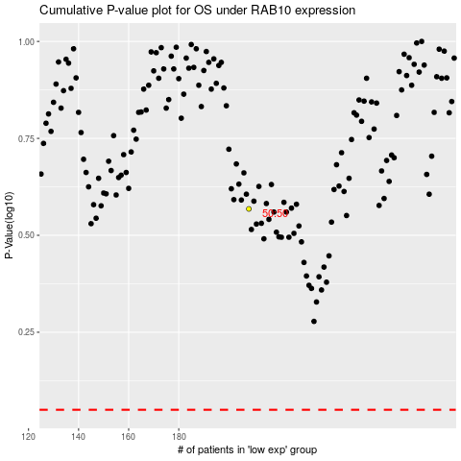

 |  |  |  |  |  | cases_OS | p_OS | rank | exp
 |  |  |  |  |  |  | cases_RFS | p_RFS | rank | exp

