RAB11FIP2 _multivariate
Reported by Tex Li-Hsing Chi. tex@gate.sinica.edu.tw 2019-08-16

Table 2. The clinicopathological features of HNSCC cohort and RAB11FIP2 expression. (Chi square test)
Cutoff at -0.081 (49.8%)
 |  | RAB11FIP2 expression |  | RAB11FIP2 expression |  | (Optimised)
 | Features | Low | (%) | High | (%) | Case no | P-value | Remark | Matthews
Gender | Female | 157 | 37.8 | 149 | 35.9 | 415 | 0.3881 | 0 | 0
2 | Male | 50 | 12 | 59 | 14.2
Age at diagnosis | <=65y | 138 | 33.3 | 136 | 32.8 | 415 | 0.8634 | 0 | 0
4 | >65y | 69 | 16.6 | 72 | 17.3
Clinical T Status | T1+T2 | 72 | 17.3 | 77 | 18.6 | 415 | 0.7095 | 0 | 0
6 | T3+T4 | 135 | 32.5 | 131 | 31.6
Clinical N Status | N0 | 108 | 26 | 108 | 26 | 415 | 1 | 0 | 0
8 | N1-3 | 99 | 23.9 | 100 | 24.1
Clinical M Status | M0 | 205 | 49.4 | 207 | 49.9 | 415 | 0.6232 | 0 | 0
10 | M1 | 2 | 0.5 | 1 | 0.2
Clinical Stage | Stage I+II | 43 | 10.4 | 59 | 14.2 | 415 | 0.0925 | 0 | 0
12 | Stage III+IV | 164 | 39.5 | 149 | 35.9
Surgical Margin status | Negative | 163 | 39.3 | 155 | 37.3 | 415 | 0.3537 | 0 | 0
14 | Positive | 44 | 10.6 | 53 | 12.8
Tobacco Exposure | Low | 71 | 17.1 | 90 | 21.7 | 415 | 0.0698 | 0 | 0
16 | High | 136 | 32.8 | 118 | 28.4

Table 3. Univariate/Multivariate Cox's proportional hazards regression analyses on OS time of RAB11FIP2 gene expression in HNSCC

 |  | Univariate |  |  |  | Multivariate
 | Features | HR | CI95%(L) | CI95%(H) | P-value | HR | CI95%(L) | CI95%(H) | P-value
1 | Female | 1 |  |  |  | 1
Gender | Male | 1.157 | 0.843 | 1.587 | 0.367 | 1.203 | 0.861 | 1.681 | 0.279
11 | <=65y | 1 |  |  |  | 1
Age at diagnosis | >65y | 1.329 | 0.99 | 1.784 | 0.058 | 1.393 | 1.025 | 1.894 | 0.034
12 | T1+T2 | 1 |  |  |  | 1
Clinical T Status | T3+T4 | 1.409 | 1.028 | 1.931 | 0.033 | 2.213 | 1.169 | 4.19 | 0.015
13 | N0 | 1 |  |  |  | 1
Clinical N Status | N1-3 | 1.185 | 0.89 | 1.577 | 0.246 | 1.244 | 0.871 | 1.776 | 0.229
14 | M0 | 1 |  |  |  | 1
Clinical M Status | M1 | 4.097 | 1.009 | 16.644 | 0.049 | 9.35 | 2.038 | 42.896 | 0.004
15 | Stage I+II | 1 |  |  |  | 1
Clinical Stage | Stage III+IV | 1.245 | 0.882 | 1.759 | 0.213 | 0.5 | 0.232 | 1.077 | 0.077
16 | Negative | 1 |  |  |  | 1
Surgical Margin status | Positive | 1.591 | 1.155 | 2.191 | 0.004 | 1.671 | 1.21 | 2.309 | 0.002
17 | Low | 1 |  |  |  | 1
Tobacco Exposure | High | 1.364 | 1.008 | 1.844 | 0.044 | 1.447 | 1.048 | 1.998 | 0.025
18 | Low | 1 |  |  |  | 1
RNAseq(z-score) | High | 0.938 | 0.705 | 1.249 | 0.662 | 0.966 | 0.721 | 1.293 | 0.815

Table 4. Univariate/Multivariate Cox's proportional hazards regression analyses on RFS time of RAB11FIP2 gene expression in HNSCC

 |  | Univariate |  |  |  | Multivariate
 | Features | HR | CI95%(L) | CI95%(H) | P-value | HR | CI95%(L) | CI95%(H) | P-value
1 | Female | 1 |  |  |  | 1
Gender | Male | 1.157 | 0.843 | 1.587 | 0.367 | 1.203 | 0.861 | 1.681 | 0.279
11 | <=65y | 1 |  |  |  | 1
Age at diagnosis | >65y | 1.329 | 0.99 | 1.784 | 0.058 | 1.393 | 1.025 | 1.894 | 0.034
12 | T1+T2 | 1 |  |  |  | 1
Clinical T Status | T3+T4 | 1.409 | 1.028 | 1.931 | 0.033 | 2.213 | 1.169 | 4.19 | 0.015
13 | N0 | 1 |  |  |  | 1
Clinical N Status | N1-3 | 1.185 | 0.89 | 1.577 | 0.246 | 1.244 | 0.871 | 1.776 | 0.229
14 | M0 | 1 |  |  |  | 1
Clinical M Status | M1 | 4.097 | 1.009 | 16.644 | 0.049 | 9.35 | 2.038 | 42.896 | 0.004
15 | Stage I+II | 1 |  |  |  | 1
Clinical Stage | Stage III+IV | 1.245 | 0.882 | 1.759 | 0.213 | 0.5 | 0.232 | 1.077 | 0.077
16 | Negative | 1 |  |  |  | 1
Surgical Margin status | Positive | 1.591 | 1.155 | 2.191 | 0.004 | 1.671 | 1.21 | 2.309 | 0.002
17 | Low | 1 |  |  |  | 1
Tobacco Exposure | High | 1.364 | 1.008 | 1.844 | 0.044 | 1.447 | 1.048 | 1.998 | 0.025
18 | Low | 1 |  |  |  | 1
RNAseq(z-score) | High | 0.938 | 0.705 | 1.249 | 0.662 | 0.966 | 0.721 | 1.293 | 0.815

Kaplan-Meier survival estimate: Cutoff at -0.081 (49.8%)



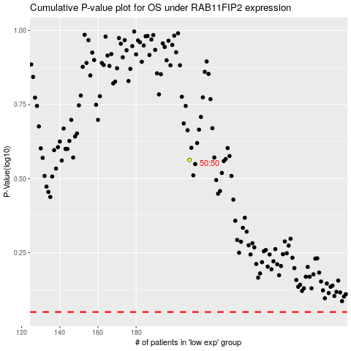

 |  |  |  |  |  | cases_OS | p_OS | rank | exp
 |  |  |  |  |  |  | cases_RFS | p_RFS | rank | exp

