RAB11FIP5 _multivariate
Reported by Tex Li-Hsing Chi. tex@gate.sinica.edu.tw 2019-08-16

Table 2. The clinicopathological features of HNSCC cohort and RAB11FIP5 expression. (Chi square test)
Cutoff at 0.054 (50.0%)
 |  | RAB11FIP5 expression |  | RAB11FIP5 expression |  | (Optimised)
 | Features | Low | (%) | High | (%) | Case no | P-value | Remark | Matthews
Gender | Female | 159 | 38.3 | 147 | 35.4 | 415 | 0.1905 | 0 | 0
2 | Male | 48 | 11.6 | 61 | 14.7
Age at diagnosis | <=65y | 138 | 33.3 | 136 | 32.8 | 415 | 0.8634 | 0 | 0
4 | >65y | 69 | 16.6 | 72 | 17.3
Clinical T Status | T1+T2 | 82 | 19.8 | 67 | 16.1 | 415 | 0.1417 | 0 | 0
6 | T3+T4 | 125 | 30.1 | 141 | 34
Clinical N Status | N0 | 101 | 24.3 | 115 | 27.7 | 415 | 0.2201 | 0 | 0
8 | N1-3 | 106 | 25.5 | 93 | 22.4
Clinical M Status | M0 | 205 | 49.4 | 207 | 49.9 | 415 | 0.6232 | 0 | 0
10 | M1 | 2 | 0.5 | 1 | 0.2
Clinical Stage | Stage I+II | 52 | 12.5 | 50 | 12 | 415 | 0.8871 | 0 | 0
12 | Stage III+IV | 155 | 37.3 | 158 | 38.1
Surgical Margin status | Negative | 151 | 36.4 | 167 | 40.2 | 415 | 0.0828 | 0 | 0
14 | Positive | 56 | 13.5 | 41 | 9.9
Tobacco Exposure | Low | 70 | 16.9 | 91 | 21.9 | 415 | 0.0439 | 1 | 0
16 | High | 137 | 33 | 117 | 28.2

Table 3. Univariate/Multivariate Cox's proportional hazards regression analyses on OS time of RAB11FIP5 gene expression in HNSCC

 |  | Univariate |  |  |  | Multivariate
 | Features | HR | CI95%(L) | CI95%(H) | P-value | HR | CI95%(L) | CI95%(H) | P-value
1 | Female | 1 |  |  |  | 1
Gender | Male | 1.157 | 0.843 | 1.587 | 0.367 | 1.183 | 0.846 | 1.653 | 0.325
11 | <=65y | 1 |  |  |  | 1
Age at diagnosis | >65y | 1.329 | 0.99 | 1.784 | 0.058 | 1.388 | 1.021 | 1.886 | 0.036
12 | T1+T2 | 1 |  |  |  | 1
Clinical T Status | T3+T4 | 1.409 | 1.028 | 1.931 | 0.033 | 2.125 | 1.121 | 4.029 | 0.021
13 | N0 | 1 |  |  |  | 1
Clinical N Status | N1-3 | 1.185 | 0.89 | 1.577 | 0.246 | 1.256 | 0.88 | 1.792 | 0.21
14 | M0 | 1 |  |  |  | 1
Clinical M Status | M1 | 4.097 | 1.009 | 16.644 | 0.049 | 9.252 | 2.018 | 42.413 | 0.004
15 | Stage I+II | 1 |  |  |  | 1
Clinical Stage | Stage III+IV | 1.245 | 0.882 | 1.759 | 0.213 | 0.516 | 0.24 | 1.11 | 0.09
16 | Negative | 1 |  |  |  | 1
Surgical Margin status | Positive | 1.591 | 1.155 | 2.191 | 0.004 | 1.702 | 1.23 | 2.356 | 0.001
17 | Low | 1 |  |  |  | 1
Tobacco Exposure | High | 1.364 | 1.008 | 1.844 | 0.044 | 1.485 | 1.075 | 2.05 | 0.016
18 | Low | 1 |  |  |  | 1
RNAseq(z-score) | High | 1.138 | 0.852 | 1.52 | 0.38 | 1.196 | 0.889 | 1.608 | 0.236

Table 4. Univariate/Multivariate Cox's proportional hazards regression analyses on RFS time of RAB11FIP5 gene expression in HNSCC

 |  | Univariate |  |  |  | Multivariate
 | Features | HR | CI95%(L) | CI95%(H) | P-value | HR | CI95%(L) | CI95%(H) | P-value
1 | Female | 1 |  |  |  | 1
Gender | Male | 1.157 | 0.843 | 1.587 | 0.367 | 1.183 | 0.846 | 1.653 | 0.325
11 | <=65y | 1 |  |  |  | 1
Age at diagnosis | >65y | 1.329 | 0.99 | 1.784 | 0.058 | 1.388 | 1.021 | 1.886 | 0.036
12 | T1+T2 | 1 |  |  |  | 1
Clinical T Status | T3+T4 | 1.409 | 1.028 | 1.931 | 0.033 | 2.125 | 1.121 | 4.029 | 0.021
13 | N0 | 1 |  |  |  | 1
Clinical N Status | N1-3 | 1.185 | 0.89 | 1.577 | 0.246 | 1.256 | 0.88 | 1.792 | 0.21
14 | M0 | 1 |  |  |  | 1
Clinical M Status | M1 | 4.097 | 1.009 | 16.644 | 0.049 | 9.252 | 2.018 | 42.413 | 0.004
15 | Stage I+II | 1 |  |  |  | 1
Clinical Stage | Stage III+IV | 1.245 | 0.882 | 1.759 | 0.213 | 0.516 | 0.24 | 1.11 | 0.09
16 | Negative | 1 |  |  |  | 1
Surgical Margin status | Positive | 1.591 | 1.155 | 2.191 | 0.004 | 1.702 | 1.23 | 2.356 | 0.001
17 | Low | 1 |  |  |  | 1
Tobacco Exposure | High | 1.364 | 1.008 | 1.844 | 0.044 | 1.485 | 1.075 | 2.05 | 0.016
18 | Low | 1 |  |  |  | 1
RNAseq(z-score) | High | 1.138 | 0.852 | 1.52 | 0.38 | 1.196 | 0.889 | 1.608 | 0.236

Kaplan-Meier survival estimate: Cutoff at 0.054 (50.0%)



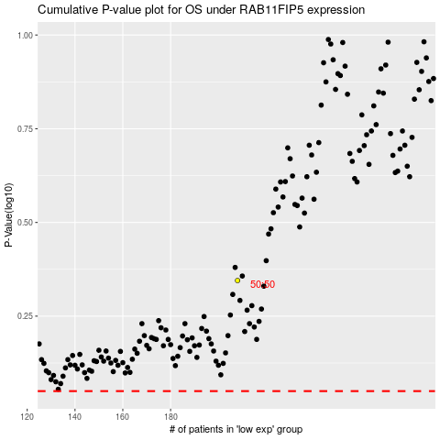

 |  |  |  |  |  | cases_OS | p_OS | rank | exp
 |  |  |  |  |  |  | cases_RFS | p_RFS | rank | exp

