RAB14 _multivariate
Reported by Tex Li-Hsing Chi. tex@gate.sinica.edu.tw 2019-08-16

Table 2. The clinicopathological features of HNSCC cohort and RAB14 expression. (Chi square test)
Cutoff at 0.227 (64.7%)
 |  | RAB14 expression |  | RAB14 expression |  | (Optimised)
 | Features | Low | (%) | High | (%) | Case no | P-value | Remark | Matthews
Gender | Female | 197 | 47.5 | 109 | 26.3 | 415 | 0.8432 | 0 | 0
2 | Male | 72 | 17.3 | 37 | 8.9
Age at diagnosis | <=65y | 181 | 43.6 | 93 | 22.4 | 415 | 0.5298 | 0 | 0
4 | >65y | 88 | 21.2 | 53 | 12.8
Clinical T Status | T1+T2 | 95 | 22.9 | 54 | 13 | 415 | 0.8169 | 0 | 0
6 | T3+T4 | 174 | 41.9 | 92 | 22.2
Clinical N Status | N0 | 141 | 34 | 75 | 18.1 | 415 | 0.9196 | 0 | 0
8 | N1-3 | 128 | 30.8 | 71 | 17.1
Clinical M Status | M0 | 267 | 64.3 | 145 | 34.9 | 415 | 1 | 0 | 0
10 | M1 | 2 | 0.5 | 1 | 0.2
Clinical Stage | Stage I+II | 68 | 16.4 | 34 | 8.2 | 415 | 0.741 | 0 | 0
12 | Stage III+IV | 201 | 48.4 | 112 | 27
Surgical Margin status | Negative | 215 | 51.8 | 103 | 24.8 | 415 | 0.0387 | 1 | 0
14 | Positive | 54 | 13 | 43 | 10.4
Tobacco Exposure | Low | 104 | 25.1 | 57 | 13.7 | 415 | 1 | 0 | 0
16 | High | 165 | 39.8 | 89 | 21.4

Table 3. Univariate/Multivariate Cox's proportional hazards regression analyses on OS time of RAB14 gene expression in HNSCC

 |  | Univariate |  |  |  | Multivariate
 | Features | HR | CI95%(L) | CI95%(H) | P-value | HR | CI95%(L) | CI95%(H) | P-value
1 | Female | 1 |  |  |  | 1
Gender | Male | 1.157 | 0.843 | 1.587 | 0.367 | 1.238 | 0.885 | 1.731 | 0.213
11 | <=65y | 1 |  |  |  | 1
Age at diagnosis | >65y | 1.329 | 0.99 | 1.784 | 0.058 | 1.35 | 0.991 | 1.84 | 0.057
12 | T1+T2 | 1 |  |  |  | 1
Clinical T Status | T3+T4 | 1.409 | 1.028 | 1.931 | 0.033 | 2.277 | 1.202 | 4.312 | 0.012
13 | N0 | 1 |  |  |  | 1
Clinical N Status | N1-3 | 1.185 | 0.89 | 1.577 | 0.246 | 1.223 | 0.857 | 1.746 | 0.267
14 | M0 | 1 |  |  |  | 1
Clinical M Status | M1 | 4.097 | 1.009 | 16.644 | 0.049 | 10.254 | 2.23 | 47.139 | 0.003
15 | Stage I+II | 1 |  |  |  | 1
Clinical Stage | Stage III+IV | 1.245 | 0.882 | 1.759 | 0.213 | 0.49 | 0.228 | 1.053 | 0.068
16 | Negative | 1 |  |  |  | 1
Surgical Margin status | Positive | 1.591 | 1.155 | 2.191 | 0.004 | 1.6 | 1.154 | 2.219 | 0.005
17 | Low | 1 |  |  |  | 1
Tobacco Exposure | High | 1.364 | 1.008 | 1.844 | 0.044 | 1.479 | 1.073 | 2.04 | 0.017
18 | Low | 1 |  |  |  | 1
RNAseq(z-score) | High | 1.364 | 1.015 | 1.833 | 0.039 | 1.339 | 0.989 | 1.813 | 0.059

Table 4. Univariate/Multivariate Cox's proportional hazards regression analyses on RFS time of RAB14 gene expression in HNSCC

 |  | Univariate |  |  |  | Multivariate
 | Features | HR | CI95%(L) | CI95%(H) | P-value | HR | CI95%(L) | CI95%(H) | P-value
1 | Female | 1 |  |  |  | 1
Gender | Male | 1.157 | 0.843 | 1.587 | 0.367 | 1.238 | 0.885 | 1.731 | 0.213
11 | <=65y | 1 |  |  |  | 1
Age at diagnosis | >65y | 1.329 | 0.99 | 1.784 | 0.058 | 1.35 | 0.991 | 1.84 | 0.057
12 | T1+T2 | 1 |  |  |  | 1
Clinical T Status | T3+T4 | 1.409 | 1.028 | 1.931 | 0.033 | 2.277 | 1.202 | 4.312 | 0.012
13 | N0 | 1 |  |  |  | 1
Clinical N Status | N1-3 | 1.185 | 0.89 | 1.577 | 0.246 | 1.223 | 0.857 | 1.746 | 0.267
14 | M0 | 1 |  |  |  | 1
Clinical M Status | M1 | 4.097 | 1.009 | 16.644 | 0.049 | 10.254 | 2.23 | 47.139 | 0.003
15 | Stage I+II | 1 |  |  |  | 1
Clinical Stage | Stage III+IV | 1.245 | 0.882 | 1.759 | 0.213 | 0.49 | 0.228 | 1.053 | 0.068
16 | Negative | 1 |  |  |  | 1
Surgical Margin status | Positive | 1.591 | 1.155 | 2.191 | 0.004 | 1.6 | 1.154 | 2.219 | 0.005
17 | Low | 1 |  |  |  | 1
Tobacco Exposure | High | 1.364 | 1.008 | 1.844 | 0.044 | 1.479 | 1.073 | 2.04 | 0.017
18 | Low | 1 |  |  |  | 1
RNAseq(z-score) | High | 1.364 | 1.015 | 1.833 | 0.039 | 1.339 | 0.989 | 1.813 | 0.059

Kaplan-Meier survival estimate: Cutoff at 0.227 (64.7%)



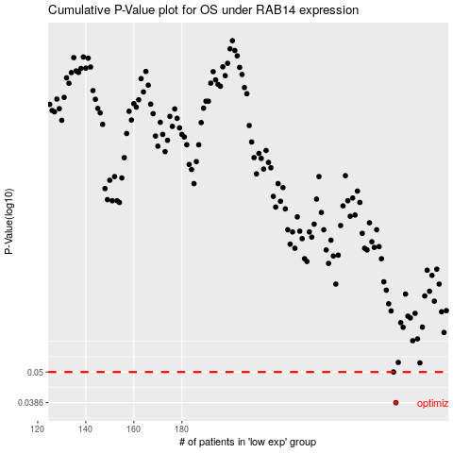

 |  |  |  |  |  | cases_OS | p_OS | rank | exp
 |  |  |  |  |  | 269 | 0.0386 | 289 | 0.22657476979
 |  |  |  |  |  | 268 | 0.05 | 40 | 0.22525852743
 |  |  |  |  |  |  | cases_RFS | p_RFS | rank | exp
 |  |  |  |  |  |  | 268 | 0.0386 | 40 | 0.22525852743
 |  |  |  |  |  |  | 267 | 0.05 | 230 | 0.22417563423

