RAB18 _multivariate
Reported by Tex Li-Hsing Chi. tex@gate.sinica.edu.tw 2019-08-16

Table 2. The clinicopathological features of HNSCC cohort and RAB18 expression. (Chi square test)
Cutoff at -0.061 (50.0%)
 |  | RAB18 expression |  | RAB18 expression |  | (Optimised)
 | Features | Low | (%) | High | (%) | Case no | P-value | Remark | Matthews
Gender | Female | 165 | 39.8 | 141 | 34 | 415 | 0.0081 | 1 | 0
2 | Male | 42 | 10.1 | 67 | 16.1
Age at diagnosis | <=65y | 141 | 34 | 133 | 32 | 415 | 0.4272 | 0 | 0
4 | >65y | 66 | 15.9 | 75 | 18.1
Clinical T Status | T1+T2 | 72 | 17.3 | 77 | 18.6 | 415 | 0.7095 | 0 | 0
6 | T3+T4 | 135 | 32.5 | 131 | 31.6
Clinical N Status | N0 | 98 | 23.6 | 118 | 28.4 | 415 | 0.0694 | 0 | 0
8 | N1-3 | 109 | 26.3 | 90 | 21.7
Clinical M Status | M0 | 207 | 49.9 | 205 | 49.4 | 415 | 0.2482 | 0 | 0
10 | M1 | 0 | 0 | 3 | 0.7
Clinical Stage | Stage I+II | 43 | 10.4 | 59 | 14.2 | 415 | 0.0925 | 0 | 0
12 | Stage III+IV | 164 | 39.5 | 149 | 35.9
Surgical Margin status | Negative | 157 | 37.8 | 161 | 38.8 | 415 | 0.729 | 0 | 0
14 | Positive | 50 | 12 | 47 | 11.3
Tobacco Exposure | Low | 77 | 18.6 | 84 | 20.2 | 415 | 0.5459 | 0 | 0
16 | High | 130 | 31.3 | 124 | 29.9

Table 3. Univariate/Multivariate Cox's proportional hazards regression analyses on OS time of RAB18 gene expression in HNSCC

 |  | Univariate |  |  |  | Multivariate
 | Features | HR | CI95%(L) | CI95%(H) | P-value | HR | CI95%(L) | CI95%(H) | P-value
1 | Female | 1 |  |  |  | 1
Gender | Male | 1.157 | 0.843 | 1.587 | 0.367 | 1.198 | 0.855 | 1.679 | 0.294
11 | <=65y | 1 |  |  |  | 1
Age at diagnosis | >65y | 1.329 | 0.99 | 1.784 | 0.058 | 1.393 | 1.024 | 1.894 | 0.035
12 | T1+T2 | 1 |  |  |  | 1
Clinical T Status | T3+T4 | 1.409 | 1.028 | 1.931 | 0.033 | 2.202 | 1.164 | 4.164 | 0.015
13 | N0 | 1 |  |  |  | 1
Clinical N Status | N1-3 | 1.185 | 0.89 | 1.577 | 0.246 | 1.243 | 0.87 | 1.776 | 0.231
14 | M0 | 1 |  |  |  | 1
Clinical M Status | M1 | 4.097 | 1.009 | 16.644 | 0.049 | 9.292 | 2.004 | 43.078 | 0.004
15 | Stage I+II | 1 |  |  |  | 1
Clinical Stage | Stage III+IV | 1.245 | 0.882 | 1.759 | 0.213 | 0.506 | 0.235 | 1.087 | 0.081
16 | Negative | 1 |  |  |  | 1
Surgical Margin status | Positive | 1.591 | 1.155 | 2.191 | 0.004 | 1.674 | 1.211 | 2.314 | 0.002
17 | Low | 1 |  |  |  | 1
Tobacco Exposure | High | 1.364 | 1.008 | 1.844 | 0.044 | 1.449 | 1.048 | 2.002 | 0.025
18 | Low | 1 |  |  |  | 1
RNAseq(z-score) | High | 1.041 | 0.781 | 1.387 | 0.784 | 1.02 | 0.757 | 1.374 | 0.898

Table 4. Univariate/Multivariate Cox's proportional hazards regression analyses on RFS time of RAB18 gene expression in HNSCC

 |  | Univariate |  |  |  | Multivariate
 | Features | HR | CI95%(L) | CI95%(H) | P-value | HR | CI95%(L) | CI95%(H) | P-value
1 | Female | 1 |  |  |  | 1
Gender | Male | 1.157 | 0.843 | 1.587 | 0.367 | 1.198 | 0.855 | 1.679 | 0.294
11 | <=65y | 1 |  |  |  | 1
Age at diagnosis | >65y | 1.329 | 0.99 | 1.784 | 0.058 | 1.393 | 1.024 | 1.894 | 0.035
12 | T1+T2 | 1 |  |  |  | 1
Clinical T Status | T3+T4 | 1.409 | 1.028 | 1.931 | 0.033 | 2.202 | 1.164 | 4.164 | 0.015
13 | N0 | 1 |  |  |  | 1
Clinical N Status | N1-3 | 1.185 | 0.89 | 1.577 | 0.246 | 1.243 | 0.87 | 1.776 | 0.231
14 | M0 | 1 |  |  |  | 1
Clinical M Status | M1 | 4.097 | 1.009 | 16.644 | 0.049 | 9.292 | 2.004 | 43.078 | 0.004
15 | Stage I+II | 1 |  |  |  | 1
Clinical Stage | Stage III+IV | 1.245 | 0.882 | 1.759 | 0.213 | 0.506 | 0.235 | 1.087 | 0.081
16 | Negative | 1 |  |  |  | 1
Surgical Margin status | Positive | 1.591 | 1.155 | 2.191 | 0.004 | 1.674 | 1.211 | 2.314 | 0.002
17 | Low | 1 |  |  |  | 1
Tobacco Exposure | High | 1.364 | 1.008 | 1.844 | 0.044 | 1.449 | 1.048 | 2.002 | 0.025
18 | Low | 1 |  |  |  | 1
RNAseq(z-score) | High | 1.041 | 0.781 | 1.387 | 0.784 | 1.02 | 0.757 | 1.374 | 0.898

Kaplan-Meier survival estimate: Cutoff at -0.061 (50.0%)

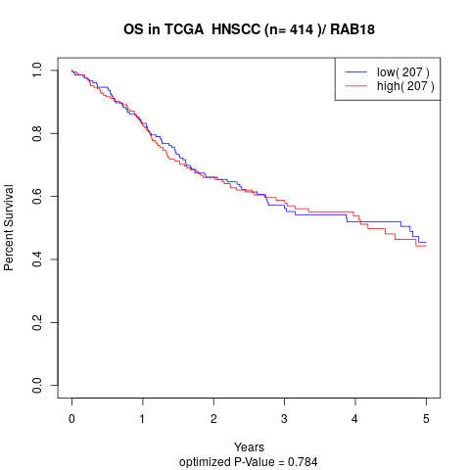

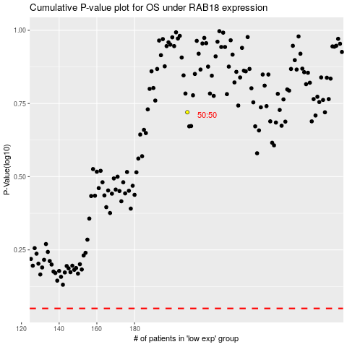

 |  |  |  |  |  | cases_OS | p_OS | rank | exp
 |  |  |  |  |  |  | cases_RFS | p_RFS | rank | exp

