RAB19 _multivariate
Reported by Tex Li-Hsing Chi. tex@gate.sinica.edu.tw 2019-08-16

Table 2. The clinicopathological features of HNSCC cohort and RAB19 expression. (Chi square test)
Cutoff at -0.408 (49.8%)
 |  | RAB19 expression |  | RAB19 expression |  | (Optimised)
 | Features | Low | (%) | High | (%) | Case no | P-value | Remark | Matthews
Gender | Female | 152 | 36.6 | 154 | 37.1 | 415 | 0.9766 | 0 | 0
2 | Male | 55 | 13.3 | 54 | 13
Age at diagnosis | <=65y | 143 | 34.5 | 131 | 31.6 | 415 | 0.2269 | 0 | 0
4 | >65y | 64 | 15.4 | 77 | 18.6
Clinical T Status | T1+T2 | 73 | 17.6 | 76 | 18.3 | 415 | 0.8666 | 0 | 0
6 | T3+T4 | 134 | 32.3 | 132 | 31.8
Clinical N Status | N0 | 114 | 27.5 | 102 | 24.6 | 415 | 0.2576 | 1 | 0
8 | N1-3 | 93 | 22.4 | 106 | 25.5
Clinical M Status | M0 | 206 | 49.6 | 206 | 49.6 | 415 | 1 | 0 | 0
10 | M1 | 1 | 0.2 | 2 | 0.5
Clinical Stage | Stage I+II | 54 | 13 | 48 | 11.6 | 415 | 0.5498 | 0 | 0
12 | Stage III+IV | 153 | 36.9 | 160 | 38.6
Surgical Margin status | Negative | 159 | 38.3 | 159 | 38.3 | 415 | 1 | 0 | 0
14 | Positive | 48 | 11.6 | 49 | 11.8
Tobacco Exposure | Low | 89 | 21.4 | 72 | 17.3 | 415 | 0.0872 | 0 | 0
16 | High | 118 | 28.4 | 136 | 32.8

Table 3. Univariate/Multivariate Cox's proportional hazards regression analyses on OS time of RAB19 gene expression in HNSCC

 |  | Univariate |  |  |  | Multivariate
 | Features | HR | CI95%(L) | CI95%(H) | P-value | HR | CI95%(L) | CI95%(H) | P-value
1 | Female | 1 |  |  |  | 1
Gender | Male | 1.157 | 0.843 | 1.587 | 0.367 | 1.214 | 0.869 | 1.695 | 0.257
11 | <=65y | 1 |  |  |  | 1
Age at diagnosis | >65y | 1.329 | 0.99 | 1.784 | 0.058 | 1.357 | 0.995 | 1.851 | 0.054
12 | T1+T2 | 1 |  |  |  | 1
Clinical T Status | T3+T4 | 1.409 | 1.028 | 1.931 | 0.033 | 2.268 | 1.196 | 4.3 | 0.012
13 | N0 | 1 |  |  |  | 1
Clinical N Status | N1-3 | 1.185 | 0.89 | 1.577 | 0.246 | 1.242 | 0.87 | 1.772 | 0.233
14 | M0 | 1 |  |  |  | 1
Clinical M Status | M1 | 4.097 | 1.009 | 16.644 | 0.049 | 9.549 | 2.081 | 43.816 | 0.004
15 | Stage I+II | 1 |  |  |  | 1
Clinical Stage | Stage III+IV | 1.245 | 0.882 | 1.759 | 0.213 | 0.486 | 0.226 | 1.047 | 0.065
16 | Negative | 1 |  |  |  | 1
Surgical Margin status | Positive | 1.591 | 1.155 | 2.191 | 0.004 | 1.693 | 1.224 | 2.343 | 0.001
17 | Low | 1 |  |  |  | 1
Tobacco Exposure | High | 1.364 | 1.008 | 1.844 | 0.044 | 1.452 | 1.054 | 2.002 | 0.023
18 | Low | 1 |  |  |  | 1
RNAseq(z-score) | High | 1.2 | 0.901 | 1.6 | 0.213 | 1.199 | 0.895 | 1.607 | 0.223

Table 4. Univariate/Multivariate Cox's proportional hazards regression analyses on RFS time of RAB19 gene expression in HNSCC

 |  | Univariate |  |  |  | Multivariate
 | Features | HR | CI95%(L) | CI95%(H) | P-value | HR | CI95%(L) | CI95%(H) | P-value
1 | Female | 1 |  |  |  | 1
Gender | Male | 1.157 | 0.843 | 1.587 | 0.367 | 1.214 | 0.869 | 1.695 | 0.257
11 | <=65y | 1 |  |  |  | 1
Age at diagnosis | >65y | 1.329 | 0.99 | 1.784 | 0.058 | 1.357 | 0.995 | 1.851 | 0.054
12 | T1+T2 | 1 |  |  |  | 1
Clinical T Status | T3+T4 | 1.409 | 1.028 | 1.931 | 0.033 | 2.268 | 1.196 | 4.3 | 0.012
13 | N0 | 1 |  |  |  | 1
Clinical N Status | N1-3 | 1.185 | 0.89 | 1.577 | 0.246 | 1.242 | 0.87 | 1.772 | 0.233
14 | M0 | 1 |  |  |  | 1
Clinical M Status | M1 | 4.097 | 1.009 | 16.644 | 0.049 | 9.549 | 2.081 | 43.816 | 0.004
15 | Stage I+II | 1 |  |  |  | 1
Clinical Stage | Stage III+IV | 1.245 | 0.882 | 1.759 | 0.213 | 0.486 | 0.226 | 1.047 | 0.065
16 | Negative | 1 |  |  |  | 1
Surgical Margin status | Positive | 1.591 | 1.155 | 2.191 | 0.004 | 1.693 | 1.224 | 2.343 | 0.001
17 | Low | 1 |  |  |  | 1
Tobacco Exposure | High | 1.364 | 1.008 | 1.844 | 0.044 | 1.452 | 1.054 | 2.002 | 0.023
18 | Low | 1 |  |  |  | 1
RNAseq(z-score) | High | 1.2 | 0.901 | 1.6 | 0.213 | 1.199 | 0.895 | 1.607 | 0.223

Kaplan-Meier survival estimate: Cutoff at -0.408 (49.8%)



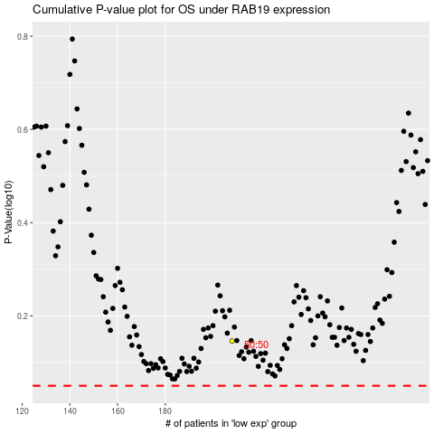

 |  |  |  |  |  | cases_OS | p_OS | rank | exp
 |  |  |  |  |  |  | cases_RFS | p_RFS | rank | exp

