RAB1B _multivariate
Reported by Tex Li-Hsing Chi. tex@gate.sinica.edu.tw 2019-08-16

Table 2. The clinicopathological features of HNSCC cohort and RAB1B expression. (Chi square test)
Cutoff at -0.199 (49.8%)
 |  | RAB1B expression |  | RAB1B expression |  | (Optimised)
 | Features | Low | (%) | High | (%) | Case no | P-value | Remark | Matthews
Gender | Female | 159 | 38.3 | 147 | 35.4 | 415 | 0.1905 | 0 | 0
2 | Male | 48 | 11.6 | 61 | 14.7
Age at diagnosis | <=65y | 135 | 32.5 | 139 | 33.5 | 415 | 0.8084 | 0 | 0
4 | >65y | 72 | 17.3 | 69 | 16.6
Clinical T Status | T1+T2 | 74 | 17.8 | 75 | 18.1 | 415 | 1 | 0 | 0
6 | T3+T4 | 133 | 32 | 133 | 32
Clinical N Status | N0 | 109 | 26.3 | 107 | 25.8 | 415 | 0.8812 | 0 | 0
8 | N1-3 | 98 | 23.6 | 101 | 24.3
Clinical M Status | M0 | 206 | 49.6 | 206 | 49.6 | 415 | 1 | 0 | 0
10 | M1 | 1 | 0.2 | 2 | 0.5
Clinical Stage | Stage I+II | 47 | 11.3 | 55 | 13.3 | 415 | 0.4413 | 0 | 0
12 | Stage III+IV | 160 | 38.6 | 153 | 36.9
Surgical Margin status | Negative | 151 | 36.4 | 167 | 40.2 | 415 | 0.0828 | 0 | 0
14 | Positive | 56 | 13.5 | 41 | 9.9
Tobacco Exposure | Low | 82 | 19.8 | 79 | 19 | 415 | 0.763 | 0 | 0
16 | High | 125 | 30.1 | 129 | 31.1

Table 3. Univariate/Multivariate Cox's proportional hazards regression analyses on OS time of RAB1B gene expression in HNSCC

 |  | Univariate |  |  |  | Multivariate
 | Features | HR | CI95%(L) | CI95%(H) | P-value | HR | CI95%(L) | CI95%(H) | P-value
1 | Female | 1 |  |  |  | 1
Gender | Male | 1.157 | 0.843 | 1.587 | 0.367 | 1.191 | 0.851 | 1.667 | 0.308
11 | <=65y | 1 |  |  |  | 1
Age at diagnosis | >65y | 1.329 | 0.99 | 1.784 | 0.058 | 1.403 | 1.031 | 1.911 | 0.031
12 | T1+T2 | 1 |  |  |  | 1
Clinical T Status | T3+T4 | 1.409 | 1.028 | 1.931 | 0.033 | 2.191 | 1.158 | 4.144 | 0.016
13 | N0 | 1 |  |  |  | 1
Clinical N Status | N1-3 | 1.185 | 0.89 | 1.577 | 0.246 | 1.234 | 0.864 | 1.762 | 0.247
14 | M0 | 1 |  |  |  | 1
Clinical M Status | M1 | 4.097 | 1.009 | 16.644 | 0.049 | 9.168 | 1.993 | 42.175 | 0.004
15 | Stage I+II | 1 |  |  |  | 1
Clinical Stage | Stage III+IV | 1.245 | 0.882 | 1.759 | 0.213 | 0.512 | 0.238 | 1.101 | 0.086
16 | Negative | 1 |  |  |  | 1
Surgical Margin status | Positive | 1.591 | 1.155 | 2.191 | 0.004 | 1.685 | 1.218 | 2.333 | 0.002
17 | Low | 1 |  |  |  | 1
Tobacco Exposure | High | 1.364 | 1.008 | 1.844 | 0.044 | 1.452 | 1.054 | 2 | 0.023
18 | Low | 1 |  |  |  | 1
RNAseq(z-score) | High | 1.047 | 0.785 | 1.397 | 0.754 | 1.075 | 0.8 | 1.445 | 0.631

Table 4. Univariate/Multivariate Cox's proportional hazards regression analyses on RFS time of RAB1B gene expression in HNSCC

 |  | Univariate |  |  |  | Multivariate
 | Features | HR | CI95%(L) | CI95%(H) | P-value | HR | CI95%(L) | CI95%(H) | P-value
1 | Female | 1 |  |  |  | 1
Gender | Male | 1.157 | 0.843 | 1.587 | 0.367 | 1.191 | 0.851 | 1.667 | 0.308
11 | <=65y | 1 |  |  |  | 1
Age at diagnosis | >65y | 1.329 | 0.99 | 1.784 | 0.058 | 1.403 | 1.031 | 1.911 | 0.031
12 | T1+T2 | 1 |  |  |  | 1
Clinical T Status | T3+T4 | 1.409 | 1.028 | 1.931 | 0.033 | 2.191 | 1.158 | 4.144 | 0.016
13 | N0 | 1 |  |  |  | 1
Clinical N Status | N1-3 | 1.185 | 0.89 | 1.577 | 0.246 | 1.234 | 0.864 | 1.762 | 0.247
14 | M0 | 1 |  |  |  | 1
Clinical M Status | M1 | 4.097 | 1.009 | 16.644 | 0.049 | 9.168 | 1.993 | 42.175 | 0.004
15 | Stage I+II | 1 |  |  |  | 1
Clinical Stage | Stage III+IV | 1.245 | 0.882 | 1.759 | 0.213 | 0.512 | 0.238 | 1.101 | 0.086
16 | Negative | 1 |  |  |  | 1
Surgical Margin status | Positive | 1.591 | 1.155 | 2.191 | 0.004 | 1.685 | 1.218 | 2.333 | 0.002
17 | Low | 1 |  |  |  | 1
Tobacco Exposure | High | 1.364 | 1.008 | 1.844 | 0.044 | 1.452 | 1.054 | 2 | 0.023
18 | Low | 1 |  |  |  | 1
RNAseq(z-score) | High | 1.047 | 0.785 | 1.397 | 0.754 | 1.075 | 0.8 | 1.445 | 0.631

Kaplan-Meier survival estimate: Cutoff at -0.199 (49.8%)



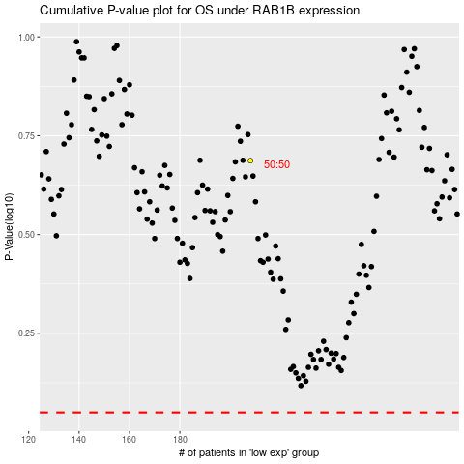

 |  |  |  |  |  | cases_OS | p_OS | rank | exp
 |  |  |  |  |  |  | cases_RFS | p_RFS | rank | exp

