RAB21 _multivariate
Reported by Tex Li-Hsing Chi. tex@gate.sinica.edu.tw 2019-08-16

Table 2. The clinicopathological features of HNSCC cohort and RAB21 expression. (Chi square test)
Cutoff at -0.114 (50.0%)
 |  | RAB21 expression |  | RAB21 expression |  | (Optimised)
 | Features | Low | (%) | High | (%) | Case no | P-value | Remark | Matthews
Gender | Female | 165 | 39.8 | 141 | 34 | 415 | 0.0081 | 1 | 0
2 | Male | 42 | 10.1 | 67 | 16.1
Age at diagnosis | <=65y | 134 | 32.3 | 140 | 33.7 | 415 | 0.6529 | 0 | 0
4 | >65y | 73 | 17.6 | 68 | 16.4
Clinical T Status | T1+T2 | 67 | 16.1 | 82 | 19.8 | 415 | 0.1628 | 0 | 0
6 | T3+T4 | 140 | 33.7 | 126 | 30.4
Clinical N Status | N0 | 96 | 23.1 | 120 | 28.9 | 415 | 0.0272 | 1 | 0
8 | N1-3 | 111 | 26.7 | 88 | 21.2
Clinical M Status | M0 | 207 | 49.9 | 205 | 49.4 | 415 | 0.2482 | 0 | 0
10 | M1 | 0 | 0 | 3 | 0.7
Clinical Stage | Stage I+II | 42 | 10.1 | 60 | 14.5 | 415 | 0.0561 | 0 | 0
12 | Stage III+IV | 165 | 39.8 | 148 | 35.7
Surgical Margin status | Negative | 151 | 36.4 | 167 | 40.2 | 415 | 0.0828 | 0 | 0
14 | Positive | 56 | 13.5 | 41 | 9.9
Tobacco Exposure | Low | 84 | 20.2 | 77 | 18.6 | 415 | 0.4816 | 0 | 0
16 | High | 123 | 29.6 | 131 | 31.6

Table 3. Univariate/Multivariate Cox's proportional hazards regression analyses on OS time of RAB21 gene expression in HNSCC

 |  | Univariate |  |  |  | Multivariate
 | Features | HR | CI95%(L) | CI95%(H) | P-value | HR | CI95%(L) | CI95%(H) | P-value
1 | Female | 1 |  |  |  | 1
Gender | Male | 1.157 | 0.843 | 1.587 | 0.367 | 1.202 | 0.858 | 1.683 | 0.285
11 | <=65y | 1 |  |  |  | 1
Age at diagnosis | >65y | 1.329 | 0.99 | 1.784 | 0.058 | 1.392 | 1.023 | 1.894 | 0.036
12 | T1+T2 | 1 |  |  |  | 1
Clinical T Status | T3+T4 | 1.409 | 1.028 | 1.931 | 0.033 | 2.202 | 1.165 | 4.164 | 0.015
13 | N0 | 1 |  |  |  | 1
Clinical N Status | N1-3 | 1.185 | 0.89 | 1.577 | 0.246 | 1.241 | 0.867 | 1.775 | 0.238
14 | M0 | 1 |  |  |  | 1
Clinical M Status | M1 | 4.097 | 1.009 | 16.644 | 0.049 | 9.412 | 2.034 | 43.553 | 0.004
15 | Stage I+II | 1 |  |  |  | 1
Clinical Stage | Stage III+IV | 1.245 | 0.882 | 1.759 | 0.213 | 0.505 | 0.235 | 1.083 | 0.079
16 | Negative | 1 |  |  |  | 1
Surgical Margin status | Positive | 1.591 | 1.155 | 2.191 | 0.004 | 1.671 | 1.208 | 2.313 | 0.002
17 | Low | 1 |  |  |  | 1
Tobacco Exposure | High | 1.364 | 1.008 | 1.844 | 0.044 | 1.453 | 1.054 | 2.003 | 0.022
18 | Low | 1 |  |  |  | 1
RNAseq(z-score) | High | 0.956 | 0.718 | 1.273 | 0.757 | 0.999 | 0.743 | 1.343 | 0.995

Table 4. Univariate/Multivariate Cox's proportional hazards regression analyses on RFS time of RAB21 gene expression in HNSCC

 |  | Univariate |  |  |  | Multivariate
 | Features | HR | CI95%(L) | CI95%(H) | P-value | HR | CI95%(L) | CI95%(H) | P-value
1 | Female | 1 |  |  |  | 1
Gender | Male | 1.157 | 0.843 | 1.587 | 0.367 | 1.202 | 0.858 | 1.683 | 0.285
11 | <=65y | 1 |  |  |  | 1
Age at diagnosis | >65y | 1.329 | 0.99 | 1.784 | 0.058 | 1.392 | 1.023 | 1.894 | 0.036
12 | T1+T2 | 1 |  |  |  | 1
Clinical T Status | T3+T4 | 1.409 | 1.028 | 1.931 | 0.033 | 2.202 | 1.165 | 4.164 | 0.015
13 | N0 | 1 |  |  |  | 1
Clinical N Status | N1-3 | 1.185 | 0.89 | 1.577 | 0.246 | 1.241 | 0.867 | 1.775 | 0.238
14 | M0 | 1 |  |  |  | 1
Clinical M Status | M1 | 4.097 | 1.009 | 16.644 | 0.049 | 9.412 | 2.034 | 43.553 | 0.004
15 | Stage I+II | 1 |  |  |  | 1
Clinical Stage | Stage III+IV | 1.245 | 0.882 | 1.759 | 0.213 | 0.505 | 0.235 | 1.083 | 0.079
16 | Negative | 1 |  |  |  | 1
Surgical Margin status | Positive | 1.591 | 1.155 | 2.191 | 0.004 | 1.671 | 1.208 | 2.313 | 0.002
17 | Low | 1 |  |  |  | 1
Tobacco Exposure | High | 1.364 | 1.008 | 1.844 | 0.044 | 1.453 | 1.054 | 2.003 | 0.022
18 | Low | 1 |  |  |  | 1
RNAseq(z-score) | High | 0.956 | 0.718 | 1.273 | 0.757 | 0.999 | 0.743 | 1.343 | 0.995

Kaplan-Meier survival estimate: Cutoff at -0.114 (50.0%)



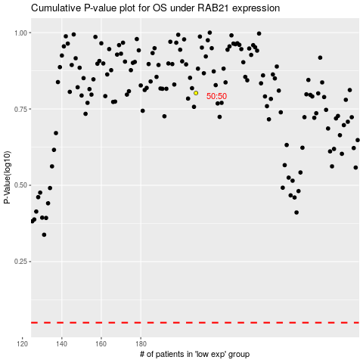

 |  |  |  |  |  | cases_OS | p_OS | rank | exp
 |  |  |  |  |  |  | cases_RFS | p_RFS | rank | exp

