RAB22A _multivariate
Reported by Tex Li-Hsing Chi. tex@gate.sinica.edu.tw 2019-08-16

Table 2. The clinicopathological features of HNSCC cohort and RAB22A expression. (Chi square test)
Cutoff at 0.001 (50.0%)
 |  | RAB22A expression |  | RAB22A expression |  | (Optimised)
 | Features | Low | (%) | High | (%) | Case no | P-value | Remark | Matthews
Gender | Female | 157 | 37.8 | 149 | 35.9 | 415 | 0.3881 | 0 | 0
2 | Male | 50 | 12 | 59 | 14.2
Age at diagnosis | <=65y | 128 | 30.8 | 146 | 35.2 | 415 | 0.0904 | 0 | 0
4 | >65y | 79 | 19 | 62 | 14.9
Clinical T Status | T1+T2 | 80 | 19.3 | 69 | 16.6 | 415 | 0.2891 | 0 | 0
6 | T3+T4 | 127 | 30.6 | 139 | 33.5
Clinical N Status | N0 | 111 | 26.7 | 105 | 25.3 | 415 | 0.5875 | 0 | 0
8 | N1-3 | 96 | 23.1 | 103 | 24.8
Clinical M Status | M0 | 206 | 49.6 | 206 | 49.6 | 415 | 1 | 0 | 0
10 | M1 | 1 | 0.2 | 2 | 0.5
Clinical Stage | Stage I+II | 49 | 11.8 | 53 | 12.8 | 415 | 0.7535 | 0 | 0
12 | Stage III+IV | 158 | 38.1 | 155 | 37.3
Surgical Margin status | Negative | 151 | 36.4 | 167 | 40.2 | 415 | 0.0828 | 0 | 0
14 | Positive | 56 | 13.5 | 41 | 9.9
Tobacco Exposure | Low | 81 | 19.5 | 80 | 19.3 | 415 | 0.9199 | 0 | 0
16 | High | 126 | 30.4 | 128 | 30.8

Table 3. Univariate/Multivariate Cox's proportional hazards regression analyses on OS time of RAB22A gene expression in HNSCC

 |  | Univariate |  |  |  | Multivariate
 | Features | HR | CI95%(L) | CI95%(H) | P-value | HR | CI95%(L) | CI95%(H) | P-value
1 | Female | 1 |  |  |  | 1
Gender | Male | 1.157 | 0.843 | 1.587 | 0.367 | 1.213 | 0.867 | 1.699 | 0.26
11 | <=65y | 1 |  |  |  | 1
Age at diagnosis | >65y | 1.329 | 0.99 | 1.784 | 0.058 | 1.379 | 1.012 | 1.879 | 0.042
12 | T1+T2 | 1 |  |  |  | 1
Clinical T Status | T3+T4 | 1.409 | 1.028 | 1.931 | 0.033 | 2.229 | 1.177 | 4.222 | 0.014
13 | N0 | 1 |  |  |  | 1
Clinical N Status | N1-3 | 1.185 | 0.89 | 1.577 | 0.246 | 1.241 | 0.869 | 1.771 | 0.235
14 | M0 | 1 |  |  |  | 1
Clinical M Status | M1 | 4.097 | 1.009 | 16.644 | 0.049 | 9.74 | 2.112 | 44.931 | 0.004
15 | Stage I+II | 1 |  |  |  | 1
Clinical Stage | Stage III+IV | 1.245 | 0.882 | 1.759 | 0.213 | 0.497 | 0.231 | 1.069 | 0.073
16 | Negative | 1 |  |  |  | 1
Surgical Margin status | Positive | 1.591 | 1.155 | 2.191 | 0.004 | 1.659 | 1.199 | 2.296 | 0.002
17 | Low | 1 |  |  |  | 1
Tobacco Exposure | High | 1.364 | 1.008 | 1.844 | 0.044 | 1.461 | 1.059 | 2.015 | 0.021
18 | Low | 1 |  |  |  | 1
RNAseq(z-score) | High | 0.936 | 0.703 | 1.246 | 0.65 | 0.928 | 0.691 | 1.245 | 0.616

Table 4. Univariate/Multivariate Cox's proportional hazards regression analyses on RFS time of RAB22A gene expression in HNSCC

 |  | Univariate |  |  |  | Multivariate
 | Features | HR | CI95%(L) | CI95%(H) | P-value | HR | CI95%(L) | CI95%(H) | P-value
1 | Female | 1 |  |  |  | 1
Gender | Male | 1.157 | 0.843 | 1.587 | 0.367 | 1.213 | 0.867 | 1.699 | 0.26
11 | <=65y | 1 |  |  |  | 1
Age at diagnosis | >65y | 1.329 | 0.99 | 1.784 | 0.058 | 1.379 | 1.012 | 1.879 | 0.042
12 | T1+T2 | 1 |  |  |  | 1
Clinical T Status | T3+T4 | 1.409 | 1.028 | 1.931 | 0.033 | 2.229 | 1.177 | 4.222 | 0.014
13 | N0 | 1 |  |  |  | 1
Clinical N Status | N1-3 | 1.185 | 0.89 | 1.577 | 0.246 | 1.241 | 0.869 | 1.771 | 0.235
14 | M0 | 1 |  |  |  | 1
Clinical M Status | M1 | 4.097 | 1.009 | 16.644 | 0.049 | 9.74 | 2.112 | 44.931 | 0.004
15 | Stage I+II | 1 |  |  |  | 1
Clinical Stage | Stage III+IV | 1.245 | 0.882 | 1.759 | 0.213 | 0.497 | 0.231 | 1.069 | 0.073
16 | Negative | 1 |  |  |  | 1
Surgical Margin status | Positive | 1.591 | 1.155 | 2.191 | 0.004 | 1.659 | 1.199 | 2.296 | 0.002
17 | Low | 1 |  |  |  | 1
Tobacco Exposure | High | 1.364 | 1.008 | 1.844 | 0.044 | 1.461 | 1.059 | 2.015 | 0.021
18 | Low | 1 |  |  |  | 1
RNAseq(z-score) | High | 0.936 | 0.703 | 1.246 | 0.65 | 0.928 | 0.691 | 1.245 | 0.616

Kaplan-Meier survival estimate: Cutoff at 0.001 (50.0%)



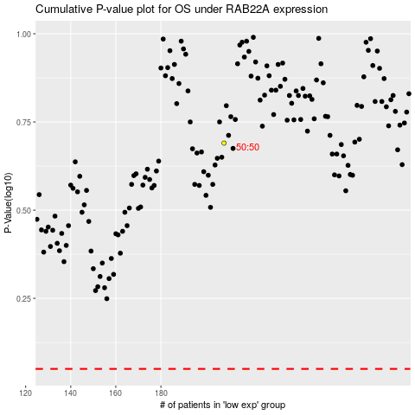

 |  |  |  |  |  | cases_OS | p_OS | rank | exp
 |  |  |  |  |  |  | cases_RFS | p_RFS | rank | exp

