RAB23 _multivariate
Reported by Tex Li-Hsing Chi. tex@gate.sinica.edu.tw 2019-08-16

Table 2. The clinicopathological features of HNSCC cohort and RAB23 expression. (Chi square test)
Cutoff at -0.047 (49.8%)
 |  | RAB23 expression |  | RAB23 expression |  | (Optimised)
 | Features | Low | (%) | High | (%) | Case no | P-value | Remark | Matthews
Gender | Female | 154 | 37.1 | 152 | 36.6 | 415 | 0.8463 | 0 | 0
2 | Male | 53 | 12.8 | 56 | 13.5
Age at diagnosis | <=65y | 132 | 31.8 | 142 | 34.2 | 415 | 0.3874 | 0 | 0
4 | >65y | 75 | 18.1 | 66 | 15.9
Clinical T Status | T1+T2 | 67 | 16.1 | 82 | 19.8 | 415 | 0.1628 | 0 | 0
6 | T3+T4 | 140 | 33.7 | 126 | 30.4
Clinical N Status | N0 | 108 | 26 | 108 | 26 | 415 | 1 | 0 | 0
8 | N1-3 | 99 | 23.9 | 100 | 24.1
Clinical M Status | M0 | 204 | 49.2 | 208 | 50.1 | 415 | 0.1232 | 0 | 0
10 | M1 | 3 | 0.7 | 0 | 0
Clinical Stage | Stage I+II | 46 | 11.1 | 56 | 13.5 | 415 | 0.3182 | 0 | 0
12 | Stage III+IV | 161 | 38.8 | 152 | 36.6
Surgical Margin status | Negative | 158 | 38.1 | 160 | 38.6 | 415 | 0.9081 | 0 | 0
14 | Positive | 49 | 11.8 | 48 | 11.6
Tobacco Exposure | Low | 85 | 20.5 | 76 | 18.3 | 415 | 0.3655 | 0 | 0
16 | High | 122 | 29.4 | 132 | 31.8

Table 3. Univariate/Multivariate Cox's proportional hazards regression analyses on OS time of RAB23 gene expression in HNSCC

 |  | Univariate |  |  |  | Multivariate
 | Features | HR | CI95%(L) | CI95%(H) | P-value | HR | CI95%(L) | CI95%(H) | P-value
1 | Female | 1 |  |  |  | 1
Gender | Male | 1.157 | 0.843 | 1.587 | 0.367 | 1.19 | 0.851 | 1.666 | 0.309
11 | <=65y | 1 |  |  |  | 1
Age at diagnosis | >65y | 1.329 | 0.99 | 1.784 | 0.058 | 1.396 | 1.026 | 1.898 | 0.033
12 | T1+T2 | 1 |  |  |  | 1
Clinical T Status | T3+T4 | 1.409 | 1.028 | 1.931 | 0.033 | 2.227 | 1.176 | 4.214 | 0.014
13 | N0 | 1 |  |  |  | 1
Clinical N Status | N1-3 | 1.185 | 0.89 | 1.577 | 0.246 | 1.242 | 0.87 | 1.773 | 0.232
14 | M0 | 1 |  |  |  | 1
Clinical M Status | M1 | 4.097 | 1.009 | 16.644 | 0.049 | 9.923 | 2.143 | 45.956 | 0.003
15 | Stage I+II | 1 |  |  |  | 1
Clinical Stage | Stage III+IV | 1.245 | 0.882 | 1.759 | 0.213 | 0.5 | 0.233 | 1.074 | 0.075
16 | Negative | 1 |  |  |  | 1
Surgical Margin status | Positive | 1.591 | 1.155 | 2.191 | 0.004 | 1.676 | 1.213 | 2.317 | 0.002
17 | Low | 1 |  |  |  | 1
Tobacco Exposure | High | 1.364 | 1.008 | 1.844 | 0.044 | 1.447 | 1.05 | 1.994 | 0.024
18 | Low | 1 |  |  |  | 1
RNAseq(z-score) | High | 1.046 | 0.784 | 1.397 | 0.759 | 1.094 | 0.817 | 1.465 | 0.547

Table 4. Univariate/Multivariate Cox's proportional hazards regression analyses on RFS time of RAB23 gene expression in HNSCC

 |  | Univariate |  |  |  | Multivariate
 | Features | HR | CI95%(L) | CI95%(H) | P-value | HR | CI95%(L) | CI95%(H) | P-value
1 | Female | 1 |  |  |  | 1
Gender | Male | 1.157 | 0.843 | 1.587 | 0.367 | 1.19 | 0.851 | 1.666 | 0.309
11 | <=65y | 1 |  |  |  | 1
Age at diagnosis | >65y | 1.329 | 0.99 | 1.784 | 0.058 | 1.396 | 1.026 | 1.898 | 0.033
12 | T1+T2 | 1 |  |  |  | 1
Clinical T Status | T3+T4 | 1.409 | 1.028 | 1.931 | 0.033 | 2.227 | 1.176 | 4.214 | 0.014
13 | N0 | 1 |  |  |  | 1
Clinical N Status | N1-3 | 1.185 | 0.89 | 1.577 | 0.246 | 1.242 | 0.87 | 1.773 | 0.232
14 | M0 | 1 |  |  |  | 1
Clinical M Status | M1 | 4.097 | 1.009 | 16.644 | 0.049 | 9.923 | 2.143 | 45.956 | 0.003
15 | Stage I+II | 1 |  |  |  | 1
Clinical Stage | Stage III+IV | 1.245 | 0.882 | 1.759 | 0.213 | 0.5 | 0.233 | 1.074 | 0.075
16 | Negative | 1 |  |  |  | 1
Surgical Margin status | Positive | 1.591 | 1.155 | 2.191 | 0.004 | 1.676 | 1.213 | 2.317 | 0.002
17 | Low | 1 |  |  |  | 1
Tobacco Exposure | High | 1.364 | 1.008 | 1.844 | 0.044 | 1.447 | 1.05 | 1.994 | 0.024
18 | Low | 1 |  |  |  | 1
RNAseq(z-score) | High | 1.046 | 0.784 | 1.397 | 0.759 | 1.094 | 0.817 | 1.465 | 0.547

Kaplan-Meier survival estimate: Cutoff at -0.047 (49.8%)



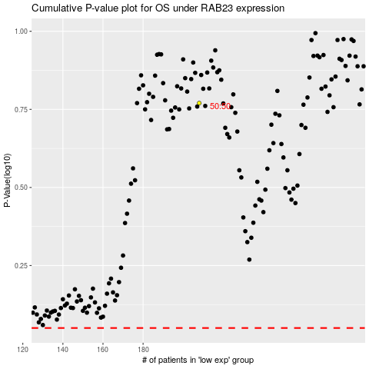

 |  |  |  |  |  | cases_OS | p_OS | rank | exp
 |  |  |  |  |  |  | cases_RFS | p_RFS | rank | exp

