RAB28 _multivariate
Reported by Tex Li-Hsing Chi. tex@gate.sinica.edu.tw 2019-08-16

Table 2. The clinicopathological features of HNSCC cohort and RAB28 expression. (Chi square test)
Cutoff at 0.254 (68.6%)
 |  | RAB28 expression |  | RAB28 expression |  | (Optimised)
 | Features | Low | (%) | High | (%) | Case no | P-value | Remark | Matthews
Gender | Female | 204 | 49.2 | 102 | 24.6 | 415 | 0.1746 | 0 | 0
2 | Male | 81 | 19.5 | 28 | 6.7
Age at diagnosis | <=65y | 184 | 44.3 | 90 | 21.7 | 415 | 0.4123 | 0 | 0
4 | >65y | 101 | 24.3 | 40 | 9.6
Clinical T Status | T1+T2 | 100 | 24.1 | 49 | 11.8 | 415 | 0.6872 | 0 | 0
6 | T3+T4 | 185 | 44.6 | 81 | 19.5
Clinical N Status | N0 | 153 | 36.9 | 63 | 15.2 | 415 | 0.3779 | 0 | 0
8 | N1-3 | 132 | 31.8 | 67 | 16.1
Clinical M Status | M0 | 282 | 68 | 130 | 31.3 | 415 | 0.5551 | 0 | 0
10 | M1 | 3 | 0.7 | 0 | 0
Clinical Stage | Stage I+II | 72 | 17.3 | 30 | 7.2 | 415 | 0.7212 | 0 | 0
12 | Stage III+IV | 213 | 51.3 | 100 | 24.1
Surgical Margin status | Negative | 221 | 53.3 | 97 | 23.4 | 415 | 0.5331 | 0 | 0
14 | Positive | 64 | 15.4 | 33 | 8
Tobacco Exposure | Low | 113 | 27.2 | 48 | 11.6 | 415 | 0.6642 | 0 | 0
16 | High | 172 | 41.4 | 82 | 19.8

Table 3. Univariate/Multivariate Cox's proportional hazards regression analyses on OS time of RAB28 gene expression in HNSCC

 |  | Univariate |  |  |  | Multivariate
 | Features | HR | CI95%(L) | CI95%(H) | P-value | HR | CI95%(L) | CI95%(H) | P-value
1 | Female | 1 |  |  |  | 1
Gender | Male | 1.157 | 0.843 | 1.587 | 0.367 | 1.165 | 0.831 | 1.633 | 0.376
11 | <=65y | 1 |  |  |  | 1
Age at diagnosis | >65y | 1.329 | 0.99 | 1.784 | 0.058 | 1.385 | 1.019 | 1.883 | 0.038
12 | T1+T2 | 1 |  |  |  | 1
Clinical T Status | T3+T4 | 1.409 | 1.028 | 1.931 | 0.033 | 2.096 | 1.108 | 3.968 | 0.023
13 | N0 | 1 |  |  |  | 1
Clinical N Status | N1-3 | 1.185 | 0.89 | 1.577 | 0.246 | 1.239 | 0.868 | 1.769 | 0.238
14 | M0 | 1 |  |  |  | 1
Clinical M Status | M1 | 4.097 | 1.009 | 16.644 | 0.049 | 8.128 | 1.763 | 37.471 | 0.007
15 | Stage I+II | 1 |  |  |  | 1
Clinical Stage | Stage III+IV | 1.245 | 0.882 | 1.759 | 0.213 | 0.534 | 0.249 | 1.146 | 0.107
16 | Negative | 1 |  |  |  | 1
Surgical Margin status | Positive | 1.591 | 1.155 | 2.191 | 0.004 | 1.704 | 1.233 | 2.357 | 0.001
17 | Low | 1 |  |  |  | 1
Tobacco Exposure | High | 1.364 | 1.008 | 1.844 | 0.044 | 1.484 | 1.074 | 2.052 | 0.017
18 | Low | 1 |  |  |  | 1
RNAseq(z-score) | High | 0.718 | 0.52 | 0.993 | 0.045 | 0.72 | 0.518 | 1 | 0.05

Table 4. Univariate/Multivariate Cox's proportional hazards regression analyses on RFS time of RAB28 gene expression in HNSCC

 |  | Univariate |  |  |  | Multivariate
 | Features | HR | CI95%(L) | CI95%(H) | P-value | HR | CI95%(L) | CI95%(H) | P-value
1 | Female | 1 |  |  |  | 1
Gender | Male | 1.157 | 0.843 | 1.587 | 0.367 | 1.165 | 0.831 | 1.633 | 0.376
11 | <=65y | 1 |  |  |  | 1
Age at diagnosis | >65y | 1.329 | 0.99 | 1.784 | 0.058 | 1.385 | 1.019 | 1.883 | 0.038
12 | T1+T2 | 1 |  |  |  | 1
Clinical T Status | T3+T4 | 1.409 | 1.028 | 1.931 | 0.033 | 2.096 | 1.108 | 3.968 | 0.023
13 | N0 | 1 |  |  |  | 1
Clinical N Status | N1-3 | 1.185 | 0.89 | 1.577 | 0.246 | 1.239 | 0.868 | 1.769 | 0.238
14 | M0 | 1 |  |  |  | 1
Clinical M Status | M1 | 4.097 | 1.009 | 16.644 | 0.049 | 8.128 | 1.763 | 37.471 | 0.007
15 | Stage I+II | 1 |  |  |  | 1
Clinical Stage | Stage III+IV | 1.245 | 0.882 | 1.759 | 0.213 | 0.534 | 0.249 | 1.146 | 0.107
16 | Negative | 1 |  |  |  | 1
Surgical Margin status | Positive | 1.591 | 1.155 | 2.191 | 0.004 | 1.704 | 1.233 | 2.357 | 0.001
17 | Low | 1 |  |  |  | 1
Tobacco Exposure | High | 1.364 | 1.008 | 1.844 | 0.044 | 1.484 | 1.074 | 2.052 | 0.017
18 | Low | 1 |  |  |  | 1
RNAseq(z-score) | High | 0.718 | 0.52 | 0.993 | 0.045 | 0.72 | 0.518 | 1 | 0.05

Kaplan-Meier survival estimate: Cutoff at 0.254 (68.6%)



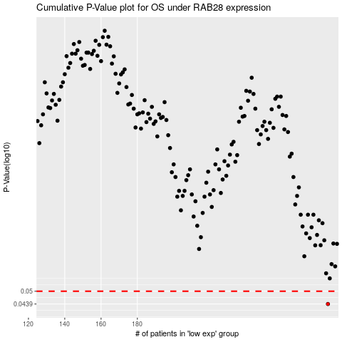

 |  |  |  |  |  | cases_OS | p_OS | rank | exp
 |  |  |  |  |  | 285 | 0.0439 | 51 | 0.25448424646
 |  |  |  |  |  |  | cases_RFS | p_RFS | rank | exp
 |  |  |  |  |  |  | 284 | 0.0439 | 196 | 0.24999256816

