RAB30 _multivariate
Reported by Tex Li-Hsing Chi. tex@gate.sinica.edu.tw 2019-08-16

Table 2. The clinicopathological features of HNSCC cohort and RAB30 expression. (Chi square test)
Cutoff at -0.565 (32.6%)
 |  | RAB30 expression |  | RAB30 expression |  | (Optimised)
 | Features | Low | (%) | High | (%) | Case no | P-value | Remark | Matthews
Gender | Female | 100 | 24.1 | 206 | 49.6 | 415 | 1 | 0 | 0
2 | Male | 35 | 8.4 | 74 | 17.8
Age at diagnosis | <=65y | 86 | 20.7 | 188 | 45.3 | 415 | 0.5603 | 0 | 0
4 | >65y | 49 | 11.8 | 92 | 22.2
Clinical T Status | T1+T2 | 50 | 12 | 99 | 23.9 | 415 | 0.822 | 0 | 0
6 | T3+T4 | 85 | 20.5 | 181 | 43.6
Clinical N Status | N0 | 67 | 16.1 | 149 | 35.9 | 415 | 0.562 | 0 | 0
8 | N1-3 | 68 | 16.4 | 131 | 31.6
Clinical M Status | M0 | 132 | 31.8 | 280 | 67.5 | 415 | 0.0339 | 1 | 0
10 | M1 | 3 | 0.7 | 0 | 0
Clinical Stage | Stage I+II | 33 | 8 | 69 | 16.6 | 415 | 1 | 0 | 0
12 | Stage III+IV | 102 | 24.6 | 211 | 50.8
Surgical Margin status | Negative | 99 | 23.9 | 219 | 52.8 | 415 | 0.2687 | 0 | 0
14 | Positive | 36 | 8.7 | 61 | 14.7
Tobacco Exposure | Low | 58 | 14 | 103 | 24.8 | 415 | 0.2382 | 0 | 0
16 | High | 77 | 18.6 | 177 | 42.7

Table 3. Univariate/Multivariate Cox's proportional hazards regression analyses on OS time of RAB30 gene expression in HNSCC

 |  | Univariate |  |  |  | Multivariate
 | Features | HR | CI95%(L) | CI95%(H) | P-value | HR | CI95%(L) | CI95%(H) | P-value
1 | Female | 1 |  |  |  | 1
Gender | Male | 1.157 | 0.843 | 1.587 | 0.367 | 1.183 | 0.845 | 1.657 | 0.328
11 | <=65y | 1 |  |  |  | 1
Age at diagnosis | >65y | 1.329 | 0.99 | 1.784 | 0.058 | 1.381 | 1.016 | 1.877 | 0.039
12 | T1+T2 | 1 |  |  |  | 1
Clinical T Status | T3+T4 | 1.409 | 1.028 | 1.931 | 0.033 | 2.212 | 1.17 | 4.184 | 0.015
13 | N0 | 1 |  |  |  | 1
Clinical N Status | N1-3 | 1.185 | 0.89 | 1.577 | 0.246 | 1.232 | 0.864 | 1.759 | 0.249
14 | M0 | 1 |  |  |  | 1
Clinical M Status | M1 | 4.097 | 1.009 | 16.644 | 0.049 | 7.996 | 1.72 | 37.176 | 0.008
15 | Stage I+II | 1 |  |  |  | 1
Clinical Stage | Stage III+IV | 1.245 | 0.882 | 1.759 | 0.213 | 0.511 | 0.238 | 1.095 | 0.084
16 | Negative | 1 |  |  |  | 1
Surgical Margin status | Positive | 1.591 | 1.155 | 2.191 | 0.004 | 1.634 | 1.181 | 2.262 | 0.003
17 | Low | 1 |  |  |  | 1
Tobacco Exposure | High | 1.364 | 1.008 | 1.844 | 0.044 | 1.448 | 1.05 | 1.998 | 0.024
18 | Low | 1 |  |  |  | 1
RNAseq(z-score) | High | 0.731 | 0.541 | 0.988 | 0.042 | 0.792 | 0.583 | 1.077 | 0.137

Table 4. Univariate/Multivariate Cox's proportional hazards regression analyses on RFS time of RAB30 gene expression in HNSCC

 |  | Univariate |  |  |  | Multivariate
 | Features | HR | CI95%(L) | CI95%(H) | P-value | HR | CI95%(L) | CI95%(H) | P-value
1 | Female | 1 |  |  |  | 1
Gender | Male | 1.157 | 0.843 | 1.587 | 0.367 | 1.183 | 0.845 | 1.657 | 0.328
11 | <=65y | 1 |  |  |  | 1
Age at diagnosis | >65y | 1.329 | 0.99 | 1.784 | 0.058 | 1.381 | 1.016 | 1.877 | 0.039
12 | T1+T2 | 1 |  |  |  | 1
Clinical T Status | T3+T4 | 1.409 | 1.028 | 1.931 | 0.033 | 2.212 | 1.17 | 4.184 | 0.015
13 | N0 | 1 |  |  |  | 1
Clinical N Status | N1-3 | 1.185 | 0.89 | 1.577 | 0.246 | 1.232 | 0.864 | 1.759 | 0.249
14 | M0 | 1 |  |  |  | 1
Clinical M Status | M1 | 4.097 | 1.009 | 16.644 | 0.049 | 7.996 | 1.72 | 37.176 | 0.008
15 | Stage I+II | 1 |  |  |  | 1
Clinical Stage | Stage III+IV | 1.245 | 0.882 | 1.759 | 0.213 | 0.511 | 0.238 | 1.095 | 0.084
16 | Negative | 1 |  |  |  | 1
Surgical Margin status | Positive | 1.591 | 1.155 | 2.191 | 0.004 | 1.634 | 1.181 | 2.262 | 0.003
17 | Low | 1 |  |  |  | 1
Tobacco Exposure | High | 1.364 | 1.008 | 1.844 | 0.044 | 1.448 | 1.05 | 1.998 | 0.024
18 | Low | 1 |  |  |  | 1
RNAseq(z-score) | High | 0.731 | 0.541 | 0.988 | 0.042 | 0.792 | 0.583 | 1.077 | 0.137

Kaplan-Meier survival estimate: Cutoff at -0.565 (32.6%)



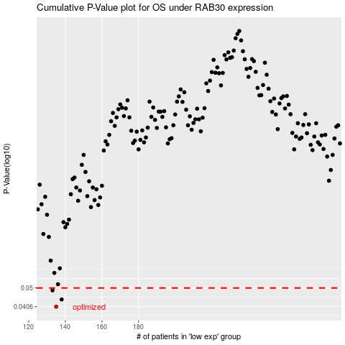

 |  |  |  |  |  | cases_OS | p_OS | rank | exp
 |  |  |  |  |  | 135 | 0.0406 | 6 | -0.56530731425
 |  |  |  |  |  | 138 | 0.044 | 271 | -0.5552141859
 |  |  |  |  |  | 133 | 0.0487 | 134 | -0.57481171676
 |  |  |  |  |  |  | cases_RFS | p_RFS | rank | exp
 |  |  |  |  |  |  | 134 | 0.0406 | 225 | -0.56549769026
 |  |  |  |  |  |  | 137 | 0.044 | 285 | -0.55979920822
 |  |  |  |  |  |  | 132 | 0.0487 | 377 | -0.57664508577

