RAB32 _multivariate
Reported by Tex Li-Hsing Chi. tex@gate.sinica.edu.tw 2019-08-16

Table 2. The clinicopathological features of HNSCC cohort and RAB32 expression. (Chi square test)
Cutoff at -0.139 (50.0%)
 |  | RAB32 expression |  | RAB32 expression |  | (Optimised)
 | Features | Low | (%) | High | (%) | Case no | P-value | Remark | Matthews
Gender | Female | 157 | 37.8 | 149 | 35.9 | 415 | 0.3881 | 0 | 0
2 | Male | 50 | 12 | 59 | 14.2
Age at diagnosis | <=65y | 143 | 34.5 | 131 | 31.6 | 415 | 0.2269 | 0 | 0
4 | >65y | 64 | 15.4 | 77 | 18.6
Clinical T Status | T1+T2 | 79 | 19 | 70 | 16.9 | 415 | 0.3924 | 0 | 0
6 | T3+T4 | 128 | 30.8 | 138 | 33.3
Clinical N Status | N0 | 102 | 24.6 | 114 | 27.5 | 415 | 0.3031 | 0 | 0
8 | N1-3 | 105 | 25.3 | 94 | 22.7
Clinical M Status | M0 | 206 | 49.6 | 206 | 49.6 | 415 | 1 | 0 | 0
10 | M1 | 1 | 0.2 | 2 | 0.5
Clinical Stage | Stage I+II | 50 | 12 | 52 | 12.5 | 415 | 0.9315 | 0 | 0
12 | Stage III+IV | 157 | 37.8 | 156 | 37.6
Surgical Margin status | Negative | 156 | 37.6 | 162 | 39 | 415 | 0.5636 | 0 | 0
14 | Positive | 51 | 12.3 | 46 | 11.1
Tobacco Exposure | Low | 79 | 19 | 82 | 19.8 | 415 | 0.8405 | 0 | 0
16 | High | 128 | 30.8 | 126 | 30.4

Table 3. Univariate/Multivariate Cox's proportional hazards regression analyses on OS time of RAB32 gene expression in HNSCC

 |  | Univariate |  |  |  | Multivariate
 | Features | HR | CI95%(L) | CI95%(H) | P-value | HR | CI95%(L) | CI95%(H) | P-value
1 | Female | 1 |  |  |  | 1
Gender | Male | 1.157 | 0.843 | 1.587 | 0.367 | 1.189 | 0.85 | 1.662 | 0.311
11 | <=65y | 1 |  |  |  | 1
Age at diagnosis | >65y | 1.329 | 0.99 | 1.784 | 0.058 | 1.38 | 1.015 | 1.878 | 0.04
12 | T1+T2 | 1 |  |  |  | 1
Clinical T Status | T3+T4 | 1.409 | 1.028 | 1.931 | 0.033 | 2.159 | 1.14 | 4.087 | 0.018
13 | N0 | 1 |  |  |  | 1
Clinical N Status | N1-3 | 1.185 | 0.89 | 1.577 | 0.246 | 1.231 | 0.863 | 1.757 | 0.252
14 | M0 | 1 |  |  |  | 1
Clinical M Status | M1 | 4.097 | 1.009 | 16.644 | 0.049 | 8.873 | 1.925 | 40.904 | 0.005
15 | Stage I+II | 1 |  |  |  | 1
Clinical Stage | Stage III+IV | 1.245 | 0.882 | 1.759 | 0.213 | 0.518 | 0.241 | 1.115 | 0.093
16 | Negative | 1 |  |  |  | 1
Surgical Margin status | Positive | 1.591 | 1.155 | 2.191 | 0.004 | 1.662 | 1.203 | 2.297 | 0.002
17 | Low | 1 |  |  |  | 1
Tobacco Exposure | High | 1.364 | 1.008 | 1.844 | 0.044 | 1.446 | 1.049 | 1.992 | 0.024
18 | Low | 1 |  |  |  | 1
RNAseq(z-score) | High | 1.231 | 0.924 | 1.64 | 0.156 | 1.135 | 0.849 | 1.517 | 0.392

Table 4. Univariate/Multivariate Cox's proportional hazards regression analyses on RFS time of RAB32 gene expression in HNSCC

 |  | Univariate |  |  |  | Multivariate
 | Features | HR | CI95%(L) | CI95%(H) | P-value | HR | CI95%(L) | CI95%(H) | P-value
1 | Female | 1 |  |  |  | 1
Gender | Male | 1.157 | 0.843 | 1.587 | 0.367 | 1.189 | 0.85 | 1.662 | 0.311
11 | <=65y | 1 |  |  |  | 1
Age at diagnosis | >65y | 1.329 | 0.99 | 1.784 | 0.058 | 1.38 | 1.015 | 1.878 | 0.04
12 | T1+T2 | 1 |  |  |  | 1
Clinical T Status | T3+T4 | 1.409 | 1.028 | 1.931 | 0.033 | 2.159 | 1.14 | 4.087 | 0.018
13 | N0 | 1 |  |  |  | 1
Clinical N Status | N1-3 | 1.185 | 0.89 | 1.577 | 0.246 | 1.231 | 0.863 | 1.757 | 0.252
14 | M0 | 1 |  |  |  | 1
Clinical M Status | M1 | 4.097 | 1.009 | 16.644 | 0.049 | 8.873 | 1.925 | 40.904 | 0.005
15 | Stage I+II | 1 |  |  |  | 1
Clinical Stage | Stage III+IV | 1.245 | 0.882 | 1.759 | 0.213 | 0.518 | 0.241 | 1.115 | 0.093
16 | Negative | 1 |  |  |  | 1
Surgical Margin status | Positive | 1.591 | 1.155 | 2.191 | 0.004 | 1.662 | 1.203 | 2.297 | 0.002
17 | Low | 1 |  |  |  | 1
Tobacco Exposure | High | 1.364 | 1.008 | 1.844 | 0.044 | 1.446 | 1.049 | 1.992 | 0.024
18 | Low | 1 |  |  |  | 1
RNAseq(z-score) | High | 1.231 | 0.924 | 1.64 | 0.156 | 1.135 | 0.849 | 1.517 | 0.392

Kaplan-Meier survival estimate: Cutoff at -0.139 (50.0%)



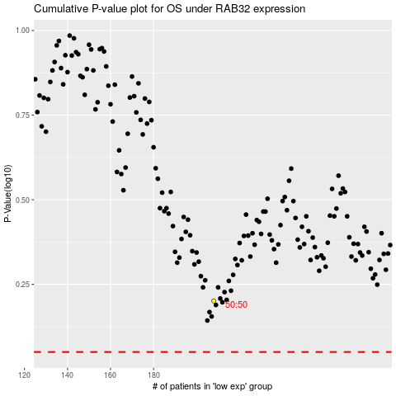

 |  |  |  |  |  | cases_OS | p_OS | rank | exp
 |  |  |  |  |  |  | cases_RFS | p_RFS | rank | exp

