RAB36 _multivariate
Reported by Tex Li-Hsing Chi. tex@gate.sinica.edu.tw 2019-08-16

Table 2. The clinicopathological features of HNSCC cohort and RAB36 expression. (Chi square test)
Cutoff at -0.309 (49.8%)
 |  | RAB36 expression |  | RAB36 expression |  | (Optimised)
 | Features | Low | (%) | High | (%) | Case no | P-value | Remark | Matthews
Gender | Female | 148 | 35.7 | 158 | 38.1 | 415 | 0.3567 | 0 | 0
2 | Male | 59 | 14.2 | 50 | 12
Age at diagnosis | <=65y | 136 | 32.8 | 138 | 33.3 | 415 | 0.9719 | 0 | 0
4 | >65y | 71 | 17.1 | 70 | 16.9
Clinical T Status | T1+T2 | 84 | 20.2 | 65 | 15.7 | 415 | 0.0603 | 0 | 0
6 | T3+T4 | 123 | 29.6 | 143 | 34.5
Clinical N Status | N0 | 117 | 28.2 | 99 | 23.9 | 415 | 0.0852 | 1 | 0
8 | N1-3 | 90 | 21.7 | 109 | 26.3
Clinical M Status | M0 | 205 | 49.4 | 207 | 49.9 | 415 | 0.6232 | 0 | 0
10 | M1 | 2 | 0.5 | 1 | 0.2
Clinical Stage | Stage I+II | 61 | 14.7 | 41 | 9.9 | 415 | 0.0282 | 1 | 0
12 | Stage III+IV | 146 | 35.2 | 167 | 40.2
Surgical Margin status | Negative | 164 | 39.5 | 154 | 37.1 | 415 | 0.2462 | 0 | 0
14 | Positive | 43 | 10.4 | 54 | 13
Tobacco Exposure | Low | 95 | 22.9 | 66 | 15.9 | 415 | 0.0035 | 1 | 0
16 | High | 112 | 27 | 142 | 34.2

Table 3. Univariate/Multivariate Cox's proportional hazards regression analyses on OS time of RAB36 gene expression in HNSCC

 |  | Univariate |  |  |  | Multivariate
 | Features | HR | CI95%(L) | CI95%(H) | P-value | HR | CI95%(L) | CI95%(H) | P-value
1 | Female | 1 |  |  |  | 1
Gender | Male | 1.157 | 0.843 | 1.587 | 0.367 | 1.178 | 0.841 | 1.649 | 0.34
11 | <=65y | 1 |  |  |  | 1
Age at diagnosis | >65y | 1.329 | 0.99 | 1.784 | 0.058 | 1.414 | 1.039 | 1.924 | 0.027
12 | T1+T2 | 1 |  |  |  | 1
Clinical T Status | T3+T4 | 1.409 | 1.028 | 1.931 | 0.033 | 2.206 | 1.167 | 4.17 | 0.015
13 | N0 | 1 |  |  |  | 1
Clinical N Status | N1-3 | 1.185 | 0.89 | 1.577 | 0.246 | 1.256 | 0.88 | 1.792 | 0.209
14 | M0 | 1 |  |  |  | 1
Clinical M Status | M1 | 4.097 | 1.009 | 16.644 | 0.049 | 8.868 | 1.928 | 40.795 | 0.005
15 | Stage I+II | 1 |  |  |  | 1
Clinical Stage | Stage III+IV | 1.245 | 0.882 | 1.759 | 0.213 | 0.508 | 0.237 | 1.09 | 0.082
16 | Negative | 1 |  |  |  | 1
Surgical Margin status | Positive | 1.591 | 1.155 | 2.191 | 0.004 | 1.674 | 1.212 | 2.313 | 0.002
17 | Low | 1 |  |  |  | 1
Tobacco Exposure | High | 1.364 | 1.008 | 1.844 | 0.044 | 1.502 | 1.084 | 2.083 | 0.015
18 | Low | 1 |  |  |  | 1
RNAseq(z-score) | High | 0.922 | 0.692 | 1.229 | 0.581 | 0.846 | 0.628 | 1.139 | 0.27

Table 4. Univariate/Multivariate Cox's proportional hazards regression analyses on RFS time of RAB36 gene expression in HNSCC

 |  | Univariate |  |  |  | Multivariate
 | Features | HR | CI95%(L) | CI95%(H) | P-value | HR | CI95%(L) | CI95%(H) | P-value
1 | Female | 1 |  |  |  | 1
Gender | Male | 1.157 | 0.843 | 1.587 | 0.367 | 1.178 | 0.841 | 1.649 | 0.34
11 | <=65y | 1 |  |  |  | 1
Age at diagnosis | >65y | 1.329 | 0.99 | 1.784 | 0.058 | 1.414 | 1.039 | 1.924 | 0.027
12 | T1+T2 | 1 |  |  |  | 1
Clinical T Status | T3+T4 | 1.409 | 1.028 | 1.931 | 0.033 | 2.206 | 1.167 | 4.17 | 0.015
13 | N0 | 1 |  |  |  | 1
Clinical N Status | N1-3 | 1.185 | 0.89 | 1.577 | 0.246 | 1.256 | 0.88 | 1.792 | 0.209
14 | M0 | 1 |  |  |  | 1
Clinical M Status | M1 | 4.097 | 1.009 | 16.644 | 0.049 | 8.868 | 1.928 | 40.795 | 0.005
15 | Stage I+II | 1 |  |  |  | 1
Clinical Stage | Stage III+IV | 1.245 | 0.882 | 1.759 | 0.213 | 0.508 | 0.237 | 1.09 | 0.082
16 | Negative | 1 |  |  |  | 1
Surgical Margin status | Positive | 1.591 | 1.155 | 2.191 | 0.004 | 1.674 | 1.212 | 2.313 | 0.002
17 | Low | 1 |  |  |  | 1
Tobacco Exposure | High | 1.364 | 1.008 | 1.844 | 0.044 | 1.502 | 1.084 | 2.083 | 0.015
18 | Low | 1 |  |  |  | 1
RNAseq(z-score) | High | 0.922 | 0.692 | 1.229 | 0.581 | 0.846 | 0.628 | 1.139 | 0.27

Kaplan-Meier survival estimate: Cutoff at -0.309 (49.8%)



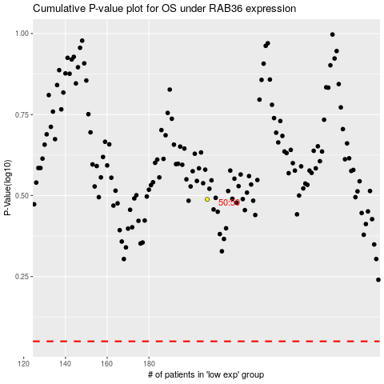

 |  |  |  |  |  | cases_OS | p_OS | rank | exp
 |  |  |  |  |  |  | cases_RFS | p_RFS | rank | exp

