RAB38 _multivariate
Reported by Tex Li-Hsing Chi. tex@gate.sinica.edu.tw 2019-08-16

Table 2. The clinicopathological features of HNSCC cohort and RAB38 expression. (Chi square test)
Cutoff at -0.127 (50.0%)
 |  | RAB38 expression |  | RAB38 expression |  | (Optimised)
 | Features | Low | (%) | High | (%) | Case no | P-value | Remark | Matthews
Gender | Female | 157 | 37.8 | 149 | 35.9 | 415 | 0.3881 | 0 | 0
2 | Male | 50 | 12 | 59 | 14.2
Age at diagnosis | <=65y | 136 | 32.8 | 138 | 33.3 | 415 | 0.9719 | 0 | 0
4 | >65y | 71 | 17.1 | 70 | 16.9
Clinical T Status | T1+T2 | 74 | 17.8 | 75 | 18.1 | 415 | 1 | 0 | 0
6 | T3+T4 | 133 | 32 | 133 | 32
Clinical N Status | N0 | 101 | 24.3 | 115 | 27.7 | 415 | 0.2201 | 0 | 0
8 | N1-3 | 106 | 25.5 | 93 | 22.4
Clinical M Status | M0 | 207 | 49.9 | 205 | 49.4 | 415 | 0.2482 | 0 | 0
10 | M1 | 0 | 0 | 3 | 0.7
Clinical Stage | Stage I+II | 44 | 10.6 | 58 | 14 | 415 | 0.1459 | 0 | 0
12 | Stage III+IV | 163 | 39.3 | 150 | 36.1
Surgical Margin status | Negative | 156 | 37.6 | 162 | 39 | 415 | 0.5636 | 0 | 0
14 | Positive | 51 | 12.3 | 46 | 11.1
Tobacco Exposure | Low | 68 | 16.4 | 93 | 22.4 | 415 | 0.0156 | 1 | 0
16 | High | 139 | 33.5 | 115 | 27.7

Table 3. Univariate/Multivariate Cox's proportional hazards regression analyses on OS time of RAB38 gene expression in HNSCC

 |  | Univariate |  |  |  | Multivariate
 | Features | HR | CI95%(L) | CI95%(H) | P-value | HR | CI95%(L) | CI95%(H) | P-value
1 | Female | 1 |  |  |  | 1
Gender | Male | 1.157 | 0.843 | 1.587 | 0.367 | 1.201 | 0.86 | 1.679 | 0.282
11 | <=65y | 1 |  |  |  | 1
Age at diagnosis | >65y | 1.329 | 0.99 | 1.784 | 0.058 | 1.386 | 1.019 | 1.885 | 0.038
12 | T1+T2 | 1 |  |  |  | 1
Clinical T Status | T3+T4 | 1.409 | 1.028 | 1.931 | 0.033 | 2.228 | 1.176 | 4.22 | 0.014
13 | N0 | 1 |  |  |  | 1
Clinical N Status | N1-3 | 1.185 | 0.89 | 1.577 | 0.246 | 1.234 | 0.864 | 1.763 | 0.247
14 | M0 | 1 |  |  |  | 1
Clinical M Status | M1 | 4.097 | 1.009 | 16.644 | 0.049 | 9.89 | 2.126 | 46.016 | 0.003
15 | Stage I+II | 1 |  |  |  | 1
Clinical Stage | Stage III+IV | 1.245 | 0.882 | 1.759 | 0.213 | 0.495 | 0.23 | 1.067 | 0.073
16 | Negative | 1 |  |  |  | 1
Surgical Margin status | Positive | 1.591 | 1.155 | 2.191 | 0.004 | 1.676 | 1.212 | 2.316 | 0.002
17 | Low | 1 |  |  |  | 1
Tobacco Exposure | High | 1.364 | 1.008 | 1.844 | 0.044 | 1.442 | 1.045 | 1.99 | 0.026
18 | Low | 1 |  |  |  | 1
RNAseq(z-score) | High | 0.922 | 0.692 | 1.23 | 0.582 | 0.932 | 0.693 | 1.253 | 0.641

Table 4. Univariate/Multivariate Cox's proportional hazards regression analyses on RFS time of RAB38 gene expression in HNSCC

 |  | Univariate |  |  |  | Multivariate
 | Features | HR | CI95%(L) | CI95%(H) | P-value | HR | CI95%(L) | CI95%(H) | P-value
1 | Female | 1 |  |  |  | 1
Gender | Male | 1.157 | 0.843 | 1.587 | 0.367 | 1.201 | 0.86 | 1.679 | 0.282
11 | <=65y | 1 |  |  |  | 1
Age at diagnosis | >65y | 1.329 | 0.99 | 1.784 | 0.058 | 1.386 | 1.019 | 1.885 | 0.038
12 | T1+T2 | 1 |  |  |  | 1
Clinical T Status | T3+T4 | 1.409 | 1.028 | 1.931 | 0.033 | 2.228 | 1.176 | 4.22 | 0.014
13 | N0 | 1 |  |  |  | 1
Clinical N Status | N1-3 | 1.185 | 0.89 | 1.577 | 0.246 | 1.234 | 0.864 | 1.763 | 0.247
14 | M0 | 1 |  |  |  | 1
Clinical M Status | M1 | 4.097 | 1.009 | 16.644 | 0.049 | 9.89 | 2.126 | 46.016 | 0.003
15 | Stage I+II | 1 |  |  |  | 1
Clinical Stage | Stage III+IV | 1.245 | 0.882 | 1.759 | 0.213 | 0.495 | 0.23 | 1.067 | 0.073
16 | Negative | 1 |  |  |  | 1
Surgical Margin status | Positive | 1.591 | 1.155 | 2.191 | 0.004 | 1.676 | 1.212 | 2.316 | 0.002
17 | Low | 1 |  |  |  | 1
Tobacco Exposure | High | 1.364 | 1.008 | 1.844 | 0.044 | 1.442 | 1.045 | 1.99 | 0.026
18 | Low | 1 |  |  |  | 1
RNAseq(z-score) | High | 0.922 | 0.692 | 1.23 | 0.582 | 0.932 | 0.693 | 1.253 | 0.641

Kaplan-Meier survival estimate: Cutoff at -0.127 (50.0%)



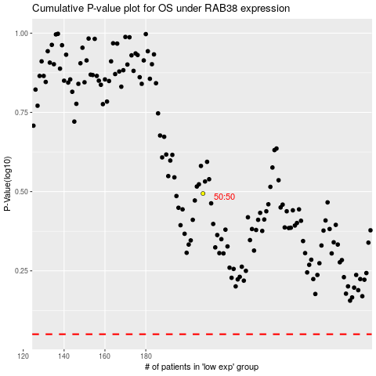

 |  |  |  |  |  | cases_OS | p_OS | rank | exp
 |  |  |  |  |  |  | cases_RFS | p_RFS | rank | exp

