RAB3A _multivariate
Reported by Tex Li-Hsing Chi. tex@gate.sinica.edu.tw 2019-08-16

Table 2. The clinicopathological features of HNSCC cohort and RAB3A expression. (Chi square test)
Cutoff at -0.26 (49.8%)
 |  | RAB3A expression |  | RAB3A expression |  | (Optimised)
 | Features | Low | (%) | High | (%) | Case no | P-value | Remark | Matthews
Gender | Female | 138 | 33.3 | 168 | 40.5 | 415 | 0.0016 | 1 | 0
2 | Male | 69 | 16.6 | 40 | 9.6
Age at diagnosis | <=65y | 138 | 33.3 | 136 | 32.8 | 415 | 0.8634 | 0 | 0
4 | >65y | 69 | 16.6 | 72 | 17.3
Clinical T Status | T1+T2 | 78 | 18.8 | 71 | 17.1 | 415 | 0.5152 | 0 | 0
6 | T3+T4 | 129 | 31.1 | 137 | 33
Clinical N Status | N0 | 110 | 26.5 | 106 | 25.5 | 415 | 0.7294 | 0 | 0
8 | N1-3 | 97 | 23.4 | 102 | 24.6
Clinical M Status | M0 | 204 | 49.2 | 208 | 50.1 | 415 | 0.1232 | 0 | 0
10 | M1 | 3 | 0.7 | 0 | 0
Clinical Stage | Stage I+II | 55 | 13.3 | 47 | 11.3 | 415 | 0.4087 | 0 | 0
12 | Stage III+IV | 152 | 36.6 | 161 | 38.8
Surgical Margin status | Negative | 163 | 39.3 | 155 | 37.3 | 415 | 0.3537 | 0 | 0
14 | Positive | 44 | 10.6 | 53 | 12.8
Tobacco Exposure | Low | 93 | 22.4 | 68 | 16.4 | 415 | 0.0118 | 1 | 0
16 | High | 114 | 27.5 | 140 | 33.7

Table 3. Univariate/Multivariate Cox's proportional hazards regression analyses on OS time of RAB3A gene expression in HNSCC

 |  | Univariate |  |  |  | Multivariate
 | Features | HR | CI95%(L) | CI95%(H) | P-value | HR | CI95%(L) | CI95%(H) | P-value
1 | Female | 1 |  |  |  | 1
Gender | Male | 1.157 | 0.843 | 1.587 | 0.367 | 1.174 | 0.835 | 1.651 | 0.356
11 | <=65y | 1 |  |  |  | 1
Age at diagnosis | >65y | 1.329 | 0.99 | 1.784 | 0.058 | 1.385 | 1.019 | 1.884 | 0.038
12 | T1+T2 | 1 |  |  |  | 1
Clinical T Status | T3+T4 | 1.409 | 1.028 | 1.931 | 0.033 | 2.19 | 1.157 | 4.143 | 0.016
13 | N0 | 1 |  |  |  | 1
Clinical N Status | N1-3 | 1.185 | 0.89 | 1.577 | 0.246 | 1.239 | 0.869 | 1.767 | 0.237
14 | M0 | 1 |  |  |  | 1
Clinical M Status | M1 | 4.097 | 1.009 | 16.644 | 0.049 | 8.807 | 1.902 | 40.78 | 0.005
15 | Stage I+II | 1 |  |  |  | 1
Clinical Stage | Stage III+IV | 1.245 | 0.882 | 1.759 | 0.213 | 0.51 | 0.237 | 1.096 | 0.084
16 | Negative | 1 |  |  |  | 1
Surgical Margin status | Positive | 1.591 | 1.155 | 2.191 | 0.004 | 1.674 | 1.212 | 2.313 | 0.002
17 | Low | 1 |  |  |  | 1
Tobacco Exposure | High | 1.364 | 1.008 | 1.844 | 0.044 | 1.475 | 1.067 | 2.037 | 0.019
18 | Low | 1 |  |  |  | 1
RNAseq(z-score) | High | 0.886 | 0.665 | 1.181 | 0.41 | 0.896 | 0.664 | 1.209 | 0.473

Table 4. Univariate/Multivariate Cox's proportional hazards regression analyses on RFS time of RAB3A gene expression in HNSCC

 |  | Univariate |  |  |  | Multivariate
 | Features | HR | CI95%(L) | CI95%(H) | P-value | HR | CI95%(L) | CI95%(H) | P-value
1 | Female | 1 |  |  |  | 1
Gender | Male | 1.157 | 0.843 | 1.587 | 0.367 | 1.174 | 0.835 | 1.651 | 0.356
11 | <=65y | 1 |  |  |  | 1
Age at diagnosis | >65y | 1.329 | 0.99 | 1.784 | 0.058 | 1.385 | 1.019 | 1.884 | 0.038
12 | T1+T2 | 1 |  |  |  | 1
Clinical T Status | T3+T4 | 1.409 | 1.028 | 1.931 | 0.033 | 2.19 | 1.157 | 4.143 | 0.016
13 | N0 | 1 |  |  |  | 1
Clinical N Status | N1-3 | 1.185 | 0.89 | 1.577 | 0.246 | 1.239 | 0.869 | 1.767 | 0.237
14 | M0 | 1 |  |  |  | 1
Clinical M Status | M1 | 4.097 | 1.009 | 16.644 | 0.049 | 8.807 | 1.902 | 40.78 | 0.005
15 | Stage I+II | 1 |  |  |  | 1
Clinical Stage | Stage III+IV | 1.245 | 0.882 | 1.759 | 0.213 | 0.51 | 0.237 | 1.096 | 0.084
16 | Negative | 1 |  |  |  | 1
Surgical Margin status | Positive | 1.591 | 1.155 | 2.191 | 0.004 | 1.674 | 1.212 | 2.313 | 0.002
17 | Low | 1 |  |  |  | 1
Tobacco Exposure | High | 1.364 | 1.008 | 1.844 | 0.044 | 1.475 | 1.067 | 2.037 | 0.019
18 | Low | 1 |  |  |  | 1
RNAseq(z-score) | High | 0.886 | 0.665 | 1.181 | 0.41 | 0.896 | 0.664 | 1.209 | 0.473

Kaplan-Meier survival estimate: Cutoff at -0.26 (49.8%)



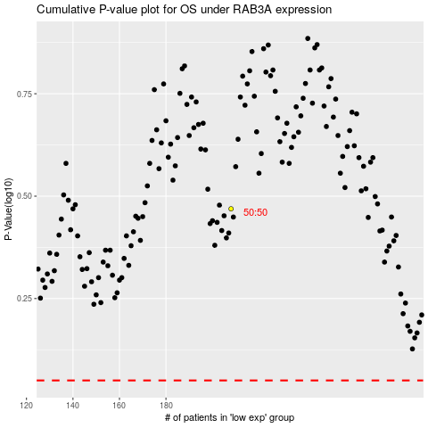

 |  |  |  |  |  | cases_OS | p_OS | rank | exp
 |  |  |  |  |  |  | cases_RFS | p_RFS | rank | exp

