RAB3GAP2 _multivariate
Reported by Tex Li-Hsing Chi. tex@gate.sinica.edu.tw 2019-08-16

Table 2. The clinicopathological features of HNSCC cohort and RAB3GAP2 expression. (Chi square test)
Cutoff at -0.052 (49.8%)
 |  | RAB3GAP2 expression |  | RAB3GAP2 expression |  | (Optimised)
 | Features | Low | (%) | High | (%) | Case no | P-value | Remark | Matthews
Gender | Female | 157 | 37.8 | 149 | 35.9 | 415 | 0.3881 | 0 | 0
2 | Male | 50 | 12 | 59 | 14.2
Age at diagnosis | <=65y | 142 | 34.2 | 132 | 31.8 | 415 | 0.3167 | 0 | 0
4 | >65y | 65 | 15.7 | 76 | 18.3
Clinical T Status | T1+T2 | 80 | 19.3 | 69 | 16.6 | 415 | 0.2891 | 0 | 0
6 | T3+T4 | 127 | 30.6 | 139 | 33.5
Clinical N Status | N0 | 109 | 26.3 | 107 | 25.8 | 415 | 0.8812 | 0 | 0
8 | N1-3 | 98 | 23.6 | 101 | 24.3
Clinical M Status | M0 | 204 | 49.2 | 208 | 50.1 | 415 | 0.1232 | 0 | 0
10 | M1 | 3 | 0.7 | 0 | 0
Clinical Stage | Stage I+II | 53 | 12.8 | 49 | 11.8 | 415 | 0.7113 | 0 | 0
12 | Stage III+IV | 154 | 37.1 | 159 | 38.3
Surgical Margin status | Negative | 150 | 36.1 | 168 | 40.5 | 415 | 0.0492 | 1 | 0
14 | Positive | 57 | 13.7 | 40 | 9.6
Tobacco Exposure | Low | 80 | 19.3 | 81 | 19.5 | 415 | 1 | 0 | 0
16 | High | 127 | 30.6 | 127 | 30.6

Table 3. Univariate/Multivariate Cox's proportional hazards regression analyses on OS time of RAB3GAP2 gene expression in HNSCC

 |  | Univariate |  |  |  | Multivariate
 | Features | HR | CI95%(L) | CI95%(H) | P-value | HR | CI95%(L) | CI95%(H) | P-value
1 | Female | 1 |  |  |  | 1
Gender | Male | 1.157 | 0.843 | 1.587 | 0.367 | 1.198 | 0.858 | 1.672 | 0.29
11 | <=65y | 1 |  |  |  | 1
Age at diagnosis | >65y | 1.329 | 0.99 | 1.784 | 0.058 | 1.391 | 1.024 | 1.892 | 0.035
12 | T1+T2 | 1 |  |  |  | 1
Clinical T Status | T3+T4 | 1.409 | 1.028 | 1.931 | 0.033 | 2.206 | 1.167 | 4.171 | 0.015
13 | N0 | 1 |  |  |  | 1
Clinical N Status | N1-3 | 1.185 | 0.89 | 1.577 | 0.246 | 1.24 | 0.869 | 1.77 | 0.236
14 | M0 | 1 |  |  |  | 1
Clinical M Status | M1 | 4.097 | 1.009 | 16.644 | 0.049 | 9.903 | 2.14 | 45.829 | 0.003
15 | Stage I+II | 1 |  |  |  | 1
Clinical Stage | Stage III+IV | 1.245 | 0.882 | 1.759 | 0.213 | 0.5 | 0.233 | 1.074 | 0.076
16 | Negative | 1 |  |  |  | 1
Surgical Margin status | Positive | 1.591 | 1.155 | 2.191 | 0.004 | 1.693 | 1.222 | 2.346 | 0.002
17 | Low | 1 |  |  |  | 1
Tobacco Exposure | High | 1.364 | 1.008 | 1.844 | 0.044 | 1.462 | 1.061 | 2.015 | 0.02
18 | Low | 1 |  |  |  | 1
RNAseq(z-score) | High | 1.019 | 0.765 | 1.358 | 0.896 | 1.095 | 0.817 | 1.468 | 0.542

Table 4. Univariate/Multivariate Cox's proportional hazards regression analyses on RFS time of RAB3GAP2 gene expression in HNSCC

 |  | Univariate |  |  |  | Multivariate
 | Features | HR | CI95%(L) | CI95%(H) | P-value | HR | CI95%(L) | CI95%(H) | P-value
1 | Female | 1 |  |  |  | 1
Gender | Male | 1.157 | 0.843 | 1.587 | 0.367 | 1.198 | 0.858 | 1.672 | 0.29
11 | <=65y | 1 |  |  |  | 1
Age at diagnosis | >65y | 1.329 | 0.99 | 1.784 | 0.058 | 1.391 | 1.024 | 1.892 | 0.035
12 | T1+T2 | 1 |  |  |  | 1
Clinical T Status | T3+T4 | 1.409 | 1.028 | 1.931 | 0.033 | 2.206 | 1.167 | 4.171 | 0.015
13 | N0 | 1 |  |  |  | 1
Clinical N Status | N1-3 | 1.185 | 0.89 | 1.577 | 0.246 | 1.24 | 0.869 | 1.77 | 0.236
14 | M0 | 1 |  |  |  | 1
Clinical M Status | M1 | 4.097 | 1.009 | 16.644 | 0.049 | 9.903 | 2.14 | 45.829 | 0.003
15 | Stage I+II | 1 |  |  |  | 1
Clinical Stage | Stage III+IV | 1.245 | 0.882 | 1.759 | 0.213 | 0.5 | 0.233 | 1.074 | 0.076
16 | Negative | 1 |  |  |  | 1
Surgical Margin status | Positive | 1.591 | 1.155 | 2.191 | 0.004 | 1.693 | 1.222 | 2.346 | 0.002
17 | Low | 1 |  |  |  | 1
Tobacco Exposure | High | 1.364 | 1.008 | 1.844 | 0.044 | 1.462 | 1.061 | 2.015 | 0.02
18 | Low | 1 |  |  |  | 1
RNAseq(z-score) | High | 1.019 | 0.765 | 1.358 | 0.896 | 1.095 | 0.817 | 1.468 | 0.542

Kaplan-Meier survival estimate: Cutoff at -0.052 (49.8%)



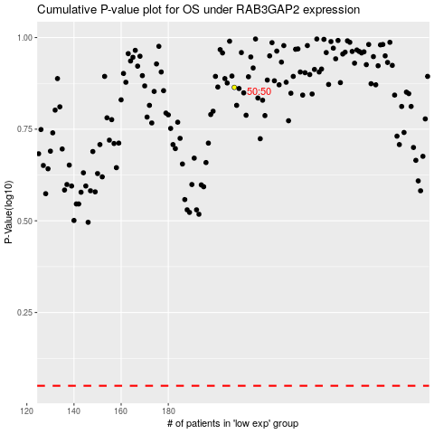

 |  |  |  |  |  | cases_OS | p_OS | rank | exp
 |  |  |  |  |  |  | cases_RFS | p_RFS | rank | exp

