RAB3IL1 _multivariate
Reported by Tex Li-Hsing Chi. tex@gate.sinica.edu.tw 2019-08-16

Table 2. The clinicopathological features of HNSCC cohort and RAB3IL1 expression. (Chi square test)
Cutoff at 0.007 (62.1%)
 |  | RAB3IL1 expression |  | RAB3IL1 expression |  | (Optimised)
 | Features | Low | (%) | High | (%) | Case no | P-value | Remark | Matthews
Gender | Female | 187 | 45.1 | 119 | 28.7 | 415 | 0.5291 | 0 | 0
2 | Male | 71 | 17.1 | 38 | 9.2
Age at diagnosis | <=65y | 171 | 41.2 | 103 | 24.8 | 415 | 0.9731 | 0 | 0
4 | >65y | 87 | 21 | 54 | 13
Clinical T Status | T1+T2 | 97 | 23.4 | 52 | 12.5 | 415 | 0.4143 | 0 | 0
6 | T3+T4 | 161 | 38.8 | 105 | 25.3
Clinical N Status | N0 | 135 | 32.5 | 81 | 19.5 | 415 | 0.9651 | 0 | 0
8 | N1-3 | 123 | 29.6 | 76 | 18.3
Clinical M Status | M0 | 257 | 61.9 | 155 | 37.3 | 415 | 0.5599 | 0 | 0
10 | M1 | 1 | 0.2 | 2 | 0.5
Clinical Stage | Stage I+II | 64 | 15.4 | 38 | 9.2 | 415 | 0.9835 | 0 | 0
12 | Stage III+IV | 194 | 46.7 | 119 | 28.7
Surgical Margin status | Negative | 196 | 47.2 | 122 | 29.4 | 415 | 0.7209 | 0 | 0
14 | Positive | 62 | 14.9 | 35 | 8.4
Tobacco Exposure | Low | 103 | 24.8 | 58 | 14 | 415 | 0.6037 | 0 | 0
16 | High | 155 | 37.3 | 99 | 23.9

Table 3. Univariate/Multivariate Cox's proportional hazards regression analyses on OS time of RAB3IL1 gene expression in HNSCC

 |  | Univariate |  |  |  | Multivariate
 | Features | HR | CI95%(L) | CI95%(H) | P-value | HR | CI95%(L) | CI95%(H) | P-value
1 | Female | 1 |  |  |  | 1
Gender | Male | 1.157 | 0.843 | 1.587 | 0.367 | 1.201 | 0.86 | 1.677 | 0.282
11 | <=65y | 1 |  |  |  | 1
Age at diagnosis | >65y | 1.329 | 0.99 | 1.784 | 0.058 | 1.399 | 1.028 | 1.903 | 0.033
12 | T1+T2 | 1 |  |  |  | 1
Clinical T Status | T3+T4 | 1.409 | 1.028 | 1.931 | 0.033 | 2.105 | 1.11 | 3.989 | 0.023
13 | N0 | 1 |  |  |  | 1
Clinical N Status | N1-3 | 1.185 | 0.89 | 1.577 | 0.246 | 1.224 | 0.857 | 1.749 | 0.267
14 | M0 | 1 |  |  |  | 1
Clinical M Status | M1 | 4.097 | 1.009 | 16.644 | 0.049 | 8.189 | 1.773 | 37.822 | 0.007
15 | Stage I+II | 1 |  |  |  | 1
Clinical Stage | Stage III+IV | 1.245 | 0.882 | 1.759 | 0.213 | 0.527 | 0.245 | 1.135 | 0.102
16 | Negative | 1 |  |  |  | 1
Surgical Margin status | Positive | 1.591 | 1.155 | 2.191 | 0.004 | 1.678 | 1.214 | 2.318 | 0.002
17 | Low | 1 |  |  |  | 1
Tobacco Exposure | High | 1.364 | 1.008 | 1.844 | 0.044 | 1.462 | 1.061 | 2.014 | 0.02
18 | Low | 1 |  |  |  | 1
RNAseq(z-score) | High | 1.345 | 1.008 | 1.794 | 0.044 | 1.303 | 0.974 | 1.743 | 0.075

Table 4. Univariate/Multivariate Cox's proportional hazards regression analyses on RFS time of RAB3IL1 gene expression in HNSCC

 |  | Univariate |  |  |  | Multivariate
 | Features | HR | CI95%(L) | CI95%(H) | P-value | HR | CI95%(L) | CI95%(H) | P-value
1 | Female | 1 |  |  |  | 1
Gender | Male | 1.157 | 0.843 | 1.587 | 0.367 | 1.201 | 0.86 | 1.677 | 0.282
11 | <=65y | 1 |  |  |  | 1
Age at diagnosis | >65y | 1.329 | 0.99 | 1.784 | 0.058 | 1.399 | 1.028 | 1.903 | 0.033
12 | T1+T2 | 1 |  |  |  | 1
Clinical T Status | T3+T4 | 1.409 | 1.028 | 1.931 | 0.033 | 2.105 | 1.11 | 3.989 | 0.023
13 | N0 | 1 |  |  |  | 1
Clinical N Status | N1-3 | 1.185 | 0.89 | 1.577 | 0.246 | 1.224 | 0.857 | 1.749 | 0.267
14 | M0 | 1 |  |  |  | 1
Clinical M Status | M1 | 4.097 | 1.009 | 16.644 | 0.049 | 8.189 | 1.773 | 37.822 | 0.007
15 | Stage I+II | 1 |  |  |  | 1
Clinical Stage | Stage III+IV | 1.245 | 0.882 | 1.759 | 0.213 | 0.527 | 0.245 | 1.135 | 0.102
16 | Negative | 1 |  |  |  | 1
Surgical Margin status | Positive | 1.591 | 1.155 | 2.191 | 0.004 | 1.678 | 1.214 | 2.318 | 0.002
17 | Low | 1 |  |  |  | 1
Tobacco Exposure | High | 1.364 | 1.008 | 1.844 | 0.044 | 1.462 | 1.061 | 2.014 | 0.02
18 | Low | 1 |  |  |  | 1
RNAseq(z-score) | High | 1.345 | 1.008 | 1.794 | 0.044 | 1.303 | 0.974 | 1.743 | 0.075

Kaplan-Meier survival estimate: Cutoff at 0.007 (62.1%)



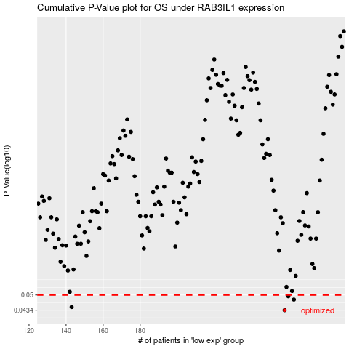

 |  |  |  |  |  | cases_OS | p_OS | rank | exp
 |  |  |  |  |  | 258 | 0.0434 | 161 | 0.007109920461
 |  |  |  |  |  | 143 | 0.0447 | 349 | -0.48582334362
 |  |  |  |  |  | 263 | 0.0479 | 77 | 0.030224838504
 |  |  |  |  |  | 260 | 0.0494 | 361 | 0.012434396133
 |  |  |  |  |  |  | cases_RFS | p_RFS | rank | exp
 |  |  |  |  |  |  | 257 | 0.0434 | 271 | 0.0054213010336
 |  |  |  |  |  |  | 142 | 0.0447 | 316 | -0.49582118766
 |  |  |  |  |  |  | 262 | 0.0479 | 197 | 0.027916754364
 |  |  |  |  |  |  | 259 | 0.0494 | 395 | 0.010393448544

