RAB3IP _multivariate
Reported by Tex Li-Hsing Chi. tex@gate.sinica.edu.tw 2019-08-16

Table 2. The clinicopathological features of HNSCC cohort and RAB3IP expression. (Chi square test)
Cutoff at -0.186 (50.0%)
 |  | RAB3IP expression |  | RAB3IP expression |  | (Optimised)
 | Features | Low | (%) | High | (%) | Case no | P-value | Remark | Matthews
Gender | Female | 147 | 35.4 | 159 | 38.3 | 415 | 0.2523 | 0 | 0
2 | Male | 60 | 14.5 | 49 | 11.8
Age at diagnosis | <=65y | 144 | 34.7 | 130 | 31.3 | 415 | 0.1568 | 0 | 0
4 | >65y | 63 | 15.2 | 78 | 18.8
Clinical T Status | T1+T2 | 76 | 18.3 | 73 | 17.6 | 415 | 0.8092 | 0 | 0
6 | T3+T4 | 131 | 31.6 | 135 | 32.5
Clinical N Status | N0 | 110 | 26.5 | 106 | 25.5 | 415 | 0.7294 | 0 | 0
8 | N1-3 | 97 | 23.4 | 102 | 24.6
Clinical M Status | M0 | 207 | 49.9 | 205 | 49.4 | 415 | 0.2482 | 0 | 0
10 | M1 | 0 | 0 | 3 | 0.7
Clinical Stage | Stage I+II | 56 | 13.5 | 46 | 11.1 | 415 | 0.2918 | 0 | 0
12 | Stage III+IV | 151 | 36.4 | 162 | 39
Surgical Margin status | Negative | 165 | 39.8 | 153 | 36.9 | 415 | 0.1639 | 0 | 0
14 | Positive | 42 | 10.1 | 55 | 13.3
Tobacco Exposure | Low | 82 | 19.8 | 79 | 19 | 415 | 0.763 | 0 | 0
16 | High | 125 | 30.1 | 129 | 31.1

Table 3. Univariate/Multivariate Cox's proportional hazards regression analyses on OS time of RAB3IP gene expression in HNSCC

 |  | Univariate |  |  |  | Multivariate
 | Features | HR | CI95%(L) | CI95%(H) | P-value | HR | CI95%(L) | CI95%(H) | P-value
1 | Female | 1 |  |  |  | 1
Gender | Male | 1.157 | 0.843 | 1.587 | 0.367 | 1.187 | 0.849 | 1.66 | 0.317
11 | <=65y | 1 |  |  |  | 1
Age at diagnosis | >65y | 1.329 | 0.99 | 1.784 | 0.058 | 1.4 | 1.03 | 1.903 | 0.032
12 | T1+T2 | 1 |  |  |  | 1
Clinical T Status | T3+T4 | 1.409 | 1.028 | 1.931 | 0.033 | 2.184 | 1.155 | 4.131 | 0.016
13 | N0 | 1 |  |  |  | 1
Clinical N Status | N1-3 | 1.185 | 0.89 | 1.577 | 0.246 | 1.248 | 0.875 | 1.782 | 0.221
14 | M0 | 1 |  |  |  | 1
Clinical M Status | M1 | 4.097 | 1.009 | 16.644 | 0.049 | 9.824 | 2.134 | 45.237 | 0.003
15 | Stage I+II | 1 |  |  |  | 1
Clinical Stage | Stage III+IV | 1.245 | 0.882 | 1.759 | 0.213 | 0.513 | 0.239 | 1.101 | 0.087
16 | Negative | 1 |  |  |  | 1
Surgical Margin status | Positive | 1.591 | 1.155 | 2.191 | 0.004 | 1.674 | 1.212 | 2.312 | 0.002
17 | Low | 1 |  |  |  | 1
Tobacco Exposure | High | 1.364 | 1.008 | 1.844 | 0.044 | 1.453 | 1.055 | 2.002 | 0.022
18 | Low | 1 |  |  |  | 1
RNAseq(z-score) | High | 0.936 | 0.702 | 1.246 | 0.649 | 0.895 | 0.668 | 1.198 | 0.456

Table 4. Univariate/Multivariate Cox's proportional hazards regression analyses on RFS time of RAB3IP gene expression in HNSCC

 |  | Univariate |  |  |  | Multivariate
 | Features | HR | CI95%(L) | CI95%(H) | P-value | HR | CI95%(L) | CI95%(H) | P-value
1 | Female | 1 |  |  |  | 1
Gender | Male | 1.157 | 0.843 | 1.587 | 0.367 | 1.187 | 0.849 | 1.66 | 0.317
11 | <=65y | 1 |  |  |  | 1
Age at diagnosis | >65y | 1.329 | 0.99 | 1.784 | 0.058 | 1.4 | 1.03 | 1.903 | 0.032
12 | T1+T2 | 1 |  |  |  | 1
Clinical T Status | T3+T4 | 1.409 | 1.028 | 1.931 | 0.033 | 2.184 | 1.155 | 4.131 | 0.016
13 | N0 | 1 |  |  |  | 1
Clinical N Status | N1-3 | 1.185 | 0.89 | 1.577 | 0.246 | 1.248 | 0.875 | 1.782 | 0.221
14 | M0 | 1 |  |  |  | 1
Clinical M Status | M1 | 4.097 | 1.009 | 16.644 | 0.049 | 9.824 | 2.134 | 45.237 | 0.003
15 | Stage I+II | 1 |  |  |  | 1
Clinical Stage | Stage III+IV | 1.245 | 0.882 | 1.759 | 0.213 | 0.513 | 0.239 | 1.101 | 0.087
16 | Negative | 1 |  |  |  | 1
Surgical Margin status | Positive | 1.591 | 1.155 | 2.191 | 0.004 | 1.674 | 1.212 | 2.312 | 0.002
17 | Low | 1 |  |  |  | 1
Tobacco Exposure | High | 1.364 | 1.008 | 1.844 | 0.044 | 1.453 | 1.055 | 2.002 | 0.022
18 | Low | 1 |  |  |  | 1
RNAseq(z-score) | High | 0.936 | 0.702 | 1.246 | 0.649 | 0.895 | 0.668 | 1.198 | 0.456

Kaplan-Meier survival estimate: Cutoff at -0.186 (50.0%)



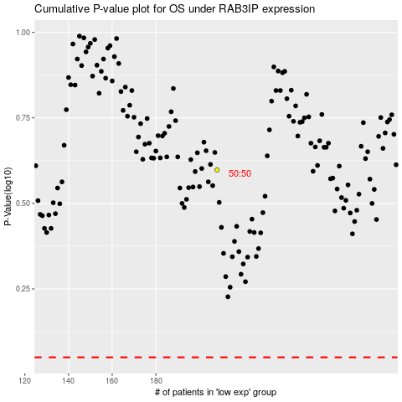

 |  |  |  |  |  | cases_OS | p_OS | rank | exp
 |  |  |  |  |  |  | cases_RFS | p_RFS | rank | exp

