RAB40A _multivariate
Reported by Tex Li-Hsing Chi. tex@gate.sinica.edu.tw 2019-08-16

Table 2. The clinicopathological features of HNSCC cohort and RAB40A expression. (Chi square test)
Cutoff at -0.288 (49.8%)
 |  | RAB40A expression |  | RAB40A expression |  | (Optimised)
 | Features | Low | (%) | High | (%) | Case no | P-value | Remark | Matthews
Gender | Female | 146 | 35.2 | 160 | 38.6 | 415 | 0.1714 | 0 | 0
2 | Male | 61 | 14.7 | 48 | 11.6
Age at diagnosis | <=65y | 142 | 34.2 | 132 | 31.8 | 415 | 0.3167 | 0 | 0
4 | >65y | 65 | 15.7 | 76 | 18.3
Clinical T Status | T1+T2 | 79 | 19 | 70 | 16.9 | 415 | 0.3924 | 0 | 0
6 | T3+T4 | 128 | 30.8 | 138 | 33.3
Clinical N Status | N0 | 101 | 24.3 | 115 | 27.7 | 415 | 0.2201 | 0 | 0
8 | N1-3 | 106 | 25.5 | 93 | 22.4
Clinical M Status | M0 | 206 | 49.6 | 206 | 49.6 | 415 | 1 | 0 | 0
10 | M1 | 1 | 0.2 | 2 | 0.5
Clinical Stage | Stage I+II | 48 | 11.6 | 54 | 13 | 415 | 0.5878 | 0 | 0
12 | Stage III+IV | 159 | 38.3 | 154 | 37.1
Surgical Margin status | Negative | 159 | 38.3 | 159 | 38.3 | 415 | 1 | 0 | 0
14 | Positive | 48 | 11.6 | 49 | 11.8
Tobacco Exposure | Low | 84 | 20.2 | 77 | 18.6 | 415 | 0.4816 | 0 | 0
16 | High | 123 | 29.6 | 131 | 31.6

Table 3. Univariate/Multivariate Cox's proportional hazards regression analyses on OS time of RAB40A gene expression in HNSCC

 |  | Univariate |  |  |  | Multivariate
 | Features | HR | CI95%(L) | CI95%(H) | P-value | HR | CI95%(L) | CI95%(H) | P-value
1 | Female | 1 |  |  |  | 1
Gender | Male | 1.157 | 0.843 | 1.587 | 0.367 | 1.209 | 0.867 | 1.685 | 0.264
11 | <=65y | 1 |  |  |  | 1
Age at diagnosis | >65y | 1.329 | 0.99 | 1.784 | 0.058 | 1.437 | 1.054 | 1.958 | 0.022
12 | T1+T2 | 1 |  |  |  | 1
Clinical T Status | T3+T4 | 1.409 | 1.028 | 1.931 | 0.033 | 2.364 | 1.246 | 4.486 | 0.008
13 | N0 | 1 |  |  |  | 1
Clinical N Status | N1-3 | 1.185 | 0.89 | 1.577 | 0.246 | 1.258 | 0.882 | 1.795 | 0.205
14 | M0 | 1 |  |  |  | 1
Clinical M Status | M1 | 4.097 | 1.009 | 16.644 | 0.049 | 10.579 | 2.298 | 48.7 | 0.002
15 | Stage I+II | 1 |  |  |  | 1
Clinical Stage | Stage III+IV | 1.245 | 0.882 | 1.759 | 0.213 | 0.455 | 0.211 | 0.981 | 0.045
16 | Negative | 1 |  |  |  | 1
Surgical Margin status | Positive | 1.591 | 1.155 | 2.191 | 0.004 | 1.732 | 1.25 | 2.4 | 0.001
17 | Low | 1 |  |  |  | 1
Tobacco Exposure | High | 1.364 | 1.008 | 1.844 | 0.044 | 1.551 | 1.12 | 2.147 | 0.008
18 | Low | 1 |  |  |  | 1
RNAseq(z-score) | High | 0.799 | 0.599 | 1.065 | 0.126 | 0.696 | 0.518 | 0.935 | 0.016

Table 4. Univariate/Multivariate Cox's proportional hazards regression analyses on RFS time of RAB40A gene expression in HNSCC

 |  | Univariate |  |  |  | Multivariate
 | Features | HR | CI95%(L) | CI95%(H) | P-value | HR | CI95%(L) | CI95%(H) | P-value
1 | Female | 1 |  |  |  | 1
Gender | Male | 1.157 | 0.843 | 1.587 | 0.367 | 1.209 | 0.867 | 1.685 | 0.264
11 | <=65y | 1 |  |  |  | 1
Age at diagnosis | >65y | 1.329 | 0.99 | 1.784 | 0.058 | 1.437 | 1.054 | 1.958 | 0.022
12 | T1+T2 | 1 |  |  |  | 1
Clinical T Status | T3+T4 | 1.409 | 1.028 | 1.931 | 0.033 | 2.364 | 1.246 | 4.486 | 0.008
13 | N0 | 1 |  |  |  | 1
Clinical N Status | N1-3 | 1.185 | 0.89 | 1.577 | 0.246 | 1.258 | 0.882 | 1.795 | 0.205
14 | M0 | 1 |  |  |  | 1
Clinical M Status | M1 | 4.097 | 1.009 | 16.644 | 0.049 | 10.579 | 2.298 | 48.7 | 0.002
15 | Stage I+II | 1 |  |  |  | 1
Clinical Stage | Stage III+IV | 1.245 | 0.882 | 1.759 | 0.213 | 0.455 | 0.211 | 0.981 | 0.045
16 | Negative | 1 |  |  |  | 1
Surgical Margin status | Positive | 1.591 | 1.155 | 2.191 | 0.004 | 1.732 | 1.25 | 2.4 | 0.001
17 | Low | 1 |  |  |  | 1
Tobacco Exposure | High | 1.364 | 1.008 | 1.844 | 0.044 | 1.551 | 1.12 | 2.147 | 0.008
18 | Low | 1 |  |  |  | 1
RNAseq(z-score) | High | 0.799 | 0.599 | 1.065 | 0.126 | 0.696 | 0.518 | 0.935 | 0.016

Kaplan-Meier survival estimate: Cutoff at -0.288 (49.8%)



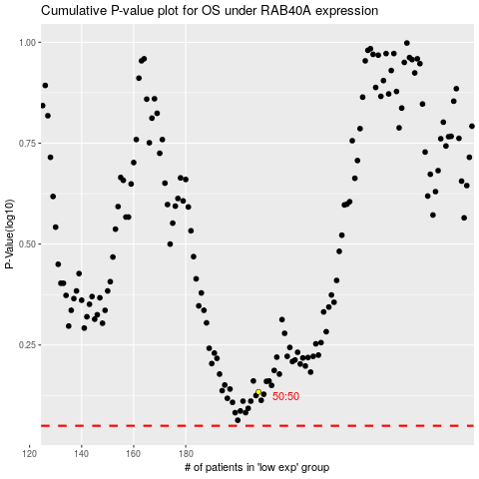

 |  |  |  |  |  | cases_OS | p_OS | rank | exp
 |  |  |  |  |  |  | cases_RFS | p_RFS | rank | exp

