RAB40AL _multivariate
Reported by Tex Li-Hsing Chi. tex@gate.sinica.edu.tw 2019-08-16

Table 2. The clinicopathological features of HNSCC cohort and RAB40AL expression. (Chi square test)
Cutoff at -0.251 (50.0%)
 |  | RAB40AL expression |  | RAB40AL expression |  | (Optimised)
 | Features | Low | (%) | High | (%) | Case no | P-value | Remark | Matthews
Gender | Female | 152 | 36.6 | 154 | 37.1 | 415 | 0.9766 | 0 | 0
2 | Male | 55 | 13.3 | 54 | 13
Age at diagnosis | <=65y | 135 | 32.5 | 139 | 33.5 | 415 | 0.8084 | 0 | 0
4 | >65y | 72 | 17.3 | 69 | 16.6
Clinical T Status | T1+T2 | 74 | 17.8 | 75 | 18.1 | 415 | 1 | 0 | 0
6 | T3+T4 | 133 | 32 | 133 | 32
Clinical N Status | N0 | 104 | 25.1 | 112 | 27 | 415 | 0.5243 | 0 | 0
8 | N1-3 | 103 | 24.8 | 96 | 23.1
Clinical M Status | M0 | 206 | 49.6 | 206 | 49.6 | 415 | 1 | 0 | 0
10 | M1 | 1 | 0.2 | 2 | 0.5
Clinical Stage | Stage I+II | 48 | 11.6 | 54 | 13 | 415 | 0.5878 | 0 | 0
12 | Stage III+IV | 159 | 38.3 | 154 | 37.1
Surgical Margin status | Negative | 170 | 41 | 148 | 35.7 | 415 | 0.0105 | 1 | 0
14 | Positive | 37 | 8.9 | 60 | 14.5
Tobacco Exposure | Low | 87 | 21 | 74 | 17.8 | 415 | 0.1911 | 0 | 0
16 | High | 120 | 28.9 | 134 | 32.3

Table 3. Univariate/Multivariate Cox's proportional hazards regression analyses on OS time of RAB40AL gene expression in HNSCC

 |  | Univariate |  |  |  | Multivariate
 | Features | HR | CI95%(L) | CI95%(H) | P-value | HR | CI95%(L) | CI95%(H) | P-value
1 | Female | 1 |  |  |  | 1
Gender | Male | 1.157 | 0.843 | 1.587 | 0.367 | 1.205 | 0.862 | 1.683 | 0.274
11 | <=65y | 1 |  |  |  | 1
Age at diagnosis | >65y | 1.329 | 0.99 | 1.784 | 0.058 | 1.376 | 1.012 | 1.872 | 0.042
12 | T1+T2 | 1 |  |  |  | 1
Clinical T Status | T3+T4 | 1.409 | 1.028 | 1.931 | 0.033 | 2.213 | 1.17 | 4.185 | 0.015
13 | N0 | 1 |  |  |  | 1
Clinical N Status | N1-3 | 1.185 | 0.89 | 1.577 | 0.246 | 1.243 | 0.872 | 1.772 | 0.23
14 | M0 | 1 |  |  |  | 1
Clinical M Status | M1 | 4.097 | 1.009 | 16.644 | 0.049 | 9.72 | 2.119 | 44.594 | 0.003
15 | Stage I+II | 1 |  |  |  | 1
Clinical Stage | Stage III+IV | 1.245 | 0.882 | 1.759 | 0.213 | 0.489 | 0.228 | 1.052 | 0.067
16 | Negative | 1 |  |  |  | 1
Surgical Margin status | Positive | 1.591 | 1.155 | 2.191 | 0.004 | 1.735 | 1.249 | 2.41 | 0.001
17 | Low | 1 |  |  |  | 1
Tobacco Exposure | High | 1.364 | 1.008 | 1.844 | 0.044 | 1.492 | 1.08 | 2.061 | 0.015
18 | Low | 1 |  |  |  | 1
RNAseq(z-score) | High | 0.903 | 0.677 | 1.204 | 0.486 | 0.825 | 0.612 | 1.11 | 0.204

Table 4. Univariate/Multivariate Cox's proportional hazards regression analyses on RFS time of RAB40AL gene expression in HNSCC

 |  | Univariate |  |  |  | Multivariate
 | Features | HR | CI95%(L) | CI95%(H) | P-value | HR | CI95%(L) | CI95%(H) | P-value
1 | Female | 1 |  |  |  | 1
Gender | Male | 1.157 | 0.843 | 1.587 | 0.367 | 1.205 | 0.862 | 1.683 | 0.274
11 | <=65y | 1 |  |  |  | 1
Age at diagnosis | >65y | 1.329 | 0.99 | 1.784 | 0.058 | 1.376 | 1.012 | 1.872 | 0.042
12 | T1+T2 | 1 |  |  |  | 1
Clinical T Status | T3+T4 | 1.409 | 1.028 | 1.931 | 0.033 | 2.213 | 1.17 | 4.185 | 0.015
13 | N0 | 1 |  |  |  | 1
Clinical N Status | N1-3 | 1.185 | 0.89 | 1.577 | 0.246 | 1.243 | 0.872 | 1.772 | 0.23
14 | M0 | 1 |  |  |  | 1
Clinical M Status | M1 | 4.097 | 1.009 | 16.644 | 0.049 | 9.72 | 2.119 | 44.594 | 0.003
15 | Stage I+II | 1 |  |  |  | 1
Clinical Stage | Stage III+IV | 1.245 | 0.882 | 1.759 | 0.213 | 0.489 | 0.228 | 1.052 | 0.067
16 | Negative | 1 |  |  |  | 1
Surgical Margin status | Positive | 1.591 | 1.155 | 2.191 | 0.004 | 1.735 | 1.249 | 2.41 | 0.001
17 | Low | 1 |  |  |  | 1
Tobacco Exposure | High | 1.364 | 1.008 | 1.844 | 0.044 | 1.492 | 1.08 | 2.061 | 0.015
18 | Low | 1 |  |  |  | 1
RNAseq(z-score) | High | 0.903 | 0.677 | 1.204 | 0.486 | 0.825 | 0.612 | 1.11 | 0.204

Kaplan-Meier survival estimate: Cutoff at -0.251 (50.0%)



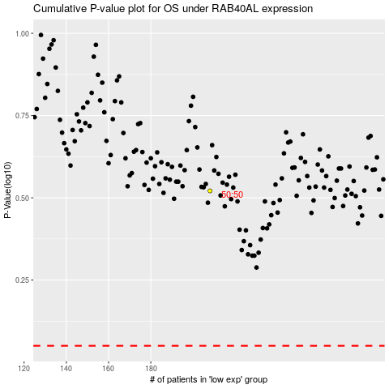

 |  |  |  |  |  | cases_OS | p_OS | rank | exp
 |  |  |  |  |  |  | cases_RFS | p_RFS | rank | exp

