RAB42 _multivariate
Reported by Tex Li-Hsing Chi. tex@gate.sinica.edu.tw 2019-08-16

Table 2. The clinicopathological features of HNSCC cohort and RAB42 expression. (Chi square test)
Cutoff at -0.245 (49.8%)
 |  | RAB42 expression |  | RAB42 expression |  | (Optimised)
 | Features | Low | (%) | High | (%) | Case no | P-value | Remark | Matthews
Gender | Female | 157 | 37.8 | 149 | 35.9 | 415 | 0.3881 | 0 | 0
2 | Male | 50 | 12 | 59 | 14.2
Age at diagnosis | <=65y | 144 | 34.7 | 130 | 31.3 | 415 | 0.1568 | 0 | 0
4 | >65y | 63 | 15.2 | 78 | 18.8
Clinical T Status | T1+T2 | 69 | 16.6 | 80 | 19.3 | 415 | 0.3239 | 0 | 0
6 | T3+T4 | 138 | 33.3 | 128 | 30.8
Clinical N Status | N0 | 118 | 28.4 | 98 | 23.6 | 415 | 0.0551 | 1 | 0
8 | N1-3 | 89 | 21.4 | 110 | 26.5
Clinical M Status | M0 | 204 | 49.2 | 208 | 50.1 | 415 | 0.1232 | 0 | 0
10 | M1 | 3 | 0.7 | 0 | 0
Clinical Stage | Stage I+II | 52 | 12.5 | 50 | 12 | 415 | 0.8871 | 0 | 0
12 | Stage III+IV | 155 | 37.3 | 158 | 38.1
Surgical Margin status | Negative | 159 | 38.3 | 159 | 38.3 | 415 | 1 | 0 | 0
14 | Positive | 48 | 11.6 | 49 | 11.8
Tobacco Exposure | Low | 84 | 20.2 | 77 | 18.6 | 415 | 0.4816 | 0 | 0
16 | High | 123 | 29.6 | 131 | 31.6

Table 3. Univariate/Multivariate Cox's proportional hazards regression analyses on OS time of RAB42 gene expression in HNSCC

 |  | Univariate |  |  |  | Multivariate
 | Features | HR | CI95%(L) | CI95%(H) | P-value | HR | CI95%(L) | CI95%(H) | P-value
1 | Female | 1 |  |  |  | 1
Gender | Male | 1.157 | 0.843 | 1.587 | 0.367 | 1.192 | 0.852 | 1.668 | 0.304
11 | <=65y | 1 |  |  |  | 1
Age at diagnosis | >65y | 1.329 | 0.99 | 1.784 | 0.058 | 1.41 | 1.036 | 1.919 | 0.029
12 | T1+T2 | 1 |  |  |  | 1
Clinical T Status | T3+T4 | 1.409 | 1.028 | 1.931 | 0.033 | 2.187 | 1.156 | 4.134 | 0.016
13 | N0 | 1 |  |  |  | 1
Clinical N Status | N1-3 | 1.185 | 0.89 | 1.577 | 0.246 | 1.264 | 0.885 | 1.806 | 0.198
14 | M0 | 1 |  |  |  | 1
Clinical M Status | M1 | 4.097 | 1.009 | 16.644 | 0.049 | 8.584 | 1.855 | 39.731 | 0.006
15 | Stage I+II | 1 |  |  |  | 1
Clinical Stage | Stage III+IV | 1.245 | 0.882 | 1.759 | 0.213 | 0.511 | 0.238 | 1.097 | 0.085
16 | Negative | 1 |  |  |  | 1
Surgical Margin status | Positive | 1.591 | 1.155 | 2.191 | 0.004 | 1.664 | 1.204 | 2.298 | 0.002
17 | Low | 1 |  |  |  | 1
Tobacco Exposure | High | 1.364 | 1.008 | 1.844 | 0.044 | 1.467 | 1.063 | 2.023 | 0.02
18 | Low | 1 |  |  |  | 1
RNAseq(z-score) | High | 0.879 | 0.66 | 1.171 | 0.377 | 0.861 | 0.642 | 1.155 | 0.318

Table 4. Univariate/Multivariate Cox's proportional hazards regression analyses on RFS time of RAB42 gene expression in HNSCC

 |  | Univariate |  |  |  | Multivariate
 | Features | HR | CI95%(L) | CI95%(H) | P-value | HR | CI95%(L) | CI95%(H) | P-value
1 | Female | 1 |  |  |  | 1
Gender | Male | 1.157 | 0.843 | 1.587 | 0.367 | 1.192 | 0.852 | 1.668 | 0.304
11 | <=65y | 1 |  |  |  | 1
Age at diagnosis | >65y | 1.329 | 0.99 | 1.784 | 0.058 | 1.41 | 1.036 | 1.919 | 0.029
12 | T1+T2 | 1 |  |  |  | 1
Clinical T Status | T3+T4 | 1.409 | 1.028 | 1.931 | 0.033 | 2.187 | 1.156 | 4.134 | 0.016
13 | N0 | 1 |  |  |  | 1
Clinical N Status | N1-3 | 1.185 | 0.89 | 1.577 | 0.246 | 1.264 | 0.885 | 1.806 | 0.198
14 | M0 | 1 |  |  |  | 1
Clinical M Status | M1 | 4.097 | 1.009 | 16.644 | 0.049 | 8.584 | 1.855 | 39.731 | 0.006
15 | Stage I+II | 1 |  |  |  | 1
Clinical Stage | Stage III+IV | 1.245 | 0.882 | 1.759 | 0.213 | 0.511 | 0.238 | 1.097 | 0.085
16 | Negative | 1 |  |  |  | 1
Surgical Margin status | Positive | 1.591 | 1.155 | 2.191 | 0.004 | 1.664 | 1.204 | 2.298 | 0.002
17 | Low | 1 |  |  |  | 1
Tobacco Exposure | High | 1.364 | 1.008 | 1.844 | 0.044 | 1.467 | 1.063 | 2.023 | 0.02
18 | Low | 1 |  |  |  | 1
RNAseq(z-score) | High | 0.879 | 0.66 | 1.171 | 0.377 | 0.861 | 0.642 | 1.155 | 0.318

Kaplan-Meier survival estimate: Cutoff at -0.245 (49.8%)



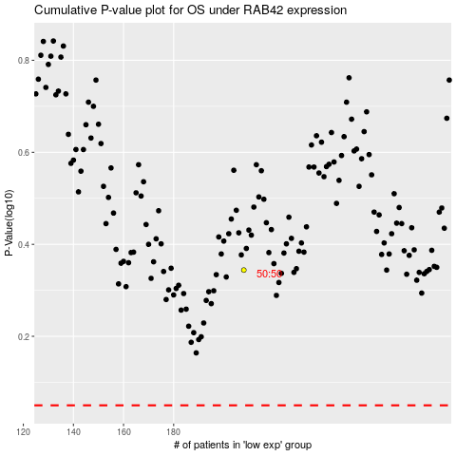

 |  |  |  |  |  | cases_OS | p_OS | rank | exp
 |  |  |  |  |  |  | cases_RFS | p_RFS | rank | exp

