RAB4A _multivariate
Reported by Tex Li-Hsing Chi. tex@gate.sinica.edu.tw 2019-08-16

Table 2. The clinicopathological features of HNSCC cohort and RAB4A expression. (Chi square test)
Cutoff at -0.217 (50.0%)
 |  | RAB4A expression |  | RAB4A expression |  | (Optimised)
 | Features | Low | (%) | High | (%) | Case no | P-value | Remark | Matthews
Gender | Female | 152 | 36.6 | 154 | 37.1 | 415 | 0.9766 | 0 | 0
2 | Male | 55 | 13.3 | 54 | 13
Age at diagnosis | <=65y | 128 | 30.8 | 146 | 35.2 | 415 | 0.0904 | 0 | 0
4 | >65y | 79 | 19 | 62 | 14.9
Clinical T Status | T1+T2 | 70 | 16.9 | 79 | 19 | 415 | 0.4343 | 0 | 0
6 | T3+T4 | 137 | 33 | 129 | 31.1
Clinical N Status | N0 | 109 | 26.3 | 107 | 25.8 | 415 | 0.8812 | 0 | 0
8 | N1-3 | 98 | 23.6 | 101 | 24.3
Clinical M Status | M0 | 206 | 49.6 | 206 | 49.6 | 415 | 1 | 0 | 0
10 | M1 | 1 | 0.2 | 2 | 0.5
Clinical Stage | Stage I+II | 52 | 12.5 | 50 | 12 | 415 | 0.8871 | 0 | 0
12 | Stage III+IV | 155 | 37.3 | 158 | 38.1
Surgical Margin status | Negative | 166 | 40 | 152 | 36.6 | 415 | 0.1042 | 0 | 0
14 | Positive | 41 | 9.9 | 56 | 13.5
Tobacco Exposure | Low | 89 | 21.4 | 72 | 17.3 | 415 | 0.0872 | 0 | 0
16 | High | 118 | 28.4 | 136 | 32.8

Table 3. Univariate/Multivariate Cox's proportional hazards regression analyses on OS time of RAB4A gene expression in HNSCC

 |  | Univariate |  |  |  | Multivariate
 | Features | HR | CI95%(L) | CI95%(H) | P-value | HR | CI95%(L) | CI95%(H) | P-value
1 | Female | 1 |  |  |  | 1
Gender | Male | 1.157 | 0.843 | 1.587 | 0.367 | 1.214 | 0.865 | 1.702 | 0.262
11 | <=65y | 1 |  |  |  | 1
Age at diagnosis | >65y | 1.329 | 0.99 | 1.784 | 0.058 | 1.378 | 1.008 | 1.882 | 0.044
12 | T1+T2 | 1 |  |  |  | 1
Clinical T Status | T3+T4 | 1.409 | 1.028 | 1.931 | 0.033 | 2.18 | 1.15 | 4.131 | 0.017
13 | N0 | 1 |  |  |  | 1
Clinical N Status | N1-3 | 1.185 | 0.89 | 1.577 | 0.246 | 1.237 | 0.866 | 1.765 | 0.242
14 | M0 | 1 |  |  |  | 1
Clinical M Status | M1 | 4.097 | 1.009 | 16.644 | 0.049 | 9.419 | 2.055 | 43.177 | 0.004
15 | Stage I+II | 1 |  |  |  | 1
Clinical Stage | Stage III+IV | 1.245 | 0.882 | 1.759 | 0.213 | 0.51 | 0.237 | 1.097 | 0.085
16 | Negative | 1 |  |  |  | 1
Surgical Margin status | Positive | 1.591 | 1.155 | 2.191 | 0.004 | 1.686 | 1.216 | 2.338 | 0.002
17 | Low | 1 |  |  |  | 1
Tobacco Exposure | High | 1.364 | 1.008 | 1.844 | 0.044 | 1.472 | 1.06 | 2.045 | 0.021
18 | Low | 1 |  |  |  | 1
RNAseq(z-score) | High | 0.99 | 0.744 | 1.318 | 0.947 | 0.944 | 0.697 | 1.279 | 0.71

Table 4. Univariate/Multivariate Cox's proportional hazards regression analyses on RFS time of RAB4A gene expression in HNSCC

 |  | Univariate |  |  |  | Multivariate
 | Features | HR | CI95%(L) | CI95%(H) | P-value | HR | CI95%(L) | CI95%(H) | P-value
1 | Female | 1 |  |  |  | 1
Gender | Male | 1.157 | 0.843 | 1.587 | 0.367 | 1.214 | 0.865 | 1.702 | 0.262
11 | <=65y | 1 |  |  |  | 1
Age at diagnosis | >65y | 1.329 | 0.99 | 1.784 | 0.058 | 1.378 | 1.008 | 1.882 | 0.044
12 | T1+T2 | 1 |  |  |  | 1
Clinical T Status | T3+T4 | 1.409 | 1.028 | 1.931 | 0.033 | 2.18 | 1.15 | 4.131 | 0.017
13 | N0 | 1 |  |  |  | 1
Clinical N Status | N1-3 | 1.185 | 0.89 | 1.577 | 0.246 | 1.237 | 0.866 | 1.765 | 0.242
14 | M0 | 1 |  |  |  | 1
Clinical M Status | M1 | 4.097 | 1.009 | 16.644 | 0.049 | 9.419 | 2.055 | 43.177 | 0.004
15 | Stage I+II | 1 |  |  |  | 1
Clinical Stage | Stage III+IV | 1.245 | 0.882 | 1.759 | 0.213 | 0.51 | 0.237 | 1.097 | 0.085
16 | Negative | 1 |  |  |  | 1
Surgical Margin status | Positive | 1.591 | 1.155 | 2.191 | 0.004 | 1.686 | 1.216 | 2.338 | 0.002
17 | Low | 1 |  |  |  | 1
Tobacco Exposure | High | 1.364 | 1.008 | 1.844 | 0.044 | 1.472 | 1.06 | 2.045 | 0.021
18 | Low | 1 |  |  |  | 1
RNAseq(z-score) | High | 0.99 | 0.744 | 1.318 | 0.947 | 0.944 | 0.697 | 1.279 | 0.71

Kaplan-Meier survival estimate: Cutoff at -0.217 (50.0%)



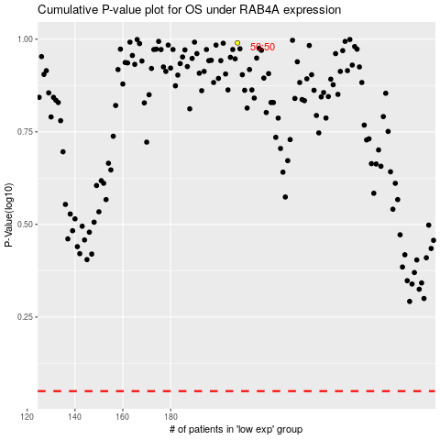

 |  |  |  |  |  | cases_OS | p_OS | rank | exp
 |  |  |  |  |  |  | cases_RFS | p_RFS | rank | exp

