RAB5A _multivariate
Reported by Tex Li-Hsing Chi. tex@gate.sinica.edu.tw 2019-08-16

Table 2. The clinicopathological features of HNSCC cohort and RAB5A expression. (Chi square test)
Cutoff at -0.287 (50.0%)
 |  | RAB5A expression |  | RAB5A expression |  | (Optimised)
 | Features | Low | (%) | High | (%) | Case no | P-value | Remark | Matthews
Gender | Female | 168 | 40.5 | 138 | 33.3 | 415 | 9e-04 | 1 | 0
2 | Male | 39 | 9.4 | 70 | 16.9
Age at diagnosis | <=65y | 140 | 33.7 | 134 | 32.3 | 415 | 0.5574 | 0 | 0
4 | >65y | 67 | 16.1 | 74 | 17.8
Clinical T Status | T1+T2 | 70 | 16.9 | 79 | 19 | 415 | 0.4343 | 0 | 0
6 | T3+T4 | 137 | 33 | 129 | 31.1
Clinical N Status | N0 | 107 | 25.8 | 109 | 26.3 | 415 | 0.9624 | 0 | 0
8 | N1-3 | 100 | 24.1 | 99 | 23.9
Clinical M Status | M0 | 204 | 49.2 | 208 | 50.1 | 415 | 0.1232 | 0 | 0
10 | M1 | 3 | 0.7 | 0 | 0
Clinical Stage | Stage I+II | 49 | 11.8 | 53 | 12.8 | 415 | 0.7535 | 0 | 0
12 | Stage III+IV | 158 | 38.1 | 155 | 37.3
Surgical Margin status | Negative | 163 | 39.3 | 155 | 37.3 | 415 | 0.3537 | 0 | 0
14 | Positive | 44 | 10.6 | 53 | 12.8
Tobacco Exposure | Low | 62 | 14.9 | 99 | 23.9 | 415 | 3e-04 | 1 | 0
16 | High | 145 | 34.9 | 109 | 26.3

Table 3. Univariate/Multivariate Cox's proportional hazards regression analyses on OS time of RAB5A gene expression in HNSCC

 |  | Univariate |  |  |  | Multivariate
 | Features | HR | CI95%(L) | CI95%(H) | P-value | HR | CI95%(L) | CI95%(H) | P-value
1 | Female | 1 |  |  |  | 1
Gender | Male | 1.157 | 0.843 | 1.587 | 0.367 | 1.255 | 0.892 | 1.765 | 0.192
11 | <=65y | 1 |  |  |  | 1
Age at diagnosis | >65y | 1.329 | 0.99 | 1.784 | 0.058 | 1.372 | 1.008 | 1.865 | 0.044
12 | T1+T2 | 1 |  |  |  | 1
Clinical T Status | T3+T4 | 1.409 | 1.028 | 1.931 | 0.033 | 2.13 | 1.126 | 4.03 | 0.02
13 | N0 | 1 |  |  |  | 1
Clinical N Status | N1-3 | 1.185 | 0.89 | 1.577 | 0.246 | 1.238 | 0.868 | 1.767 | 0.238
14 | M0 | 1 |  |  |  | 1
Clinical M Status | M1 | 4.097 | 1.009 | 16.644 | 0.049 | 8.274 | 1.79 | 38.239 | 0.007
15 | Stage I+II | 1 |  |  |  | 1
Clinical Stage | Stage III+IV | 1.245 | 0.882 | 1.759 | 0.213 | 0.514 | 0.239 | 1.104 | 0.088
16 | Negative | 1 |  |  |  | 1
Surgical Margin status | Positive | 1.591 | 1.155 | 2.191 | 0.004 | 1.667 | 1.206 | 2.302 | 0.002
17 | Low | 1 |  |  |  | 1
Tobacco Exposure | High | 1.364 | 1.008 | 1.844 | 0.044 | 1.404 | 1.014 | 1.944 | 0.041
18 | Low | 1 |  |  |  | 1
RNAseq(z-score) | High | 0.743 | 0.557 | 0.991 | 0.043 | 0.795 | 0.588 | 1.073 | 0.134

Table 4. Univariate/Multivariate Cox's proportional hazards regression analyses on RFS time of RAB5A gene expression in HNSCC

 |  | Univariate |  |  |  | Multivariate
 | Features | HR | CI95%(L) | CI95%(H) | P-value | HR | CI95%(L) | CI95%(H) | P-value
1 | Female | 1 |  |  |  | 1
Gender | Male | 1.157 | 0.843 | 1.587 | 0.367 | 1.255 | 0.892 | 1.765 | 0.192
11 | <=65y | 1 |  |  |  | 1
Age at diagnosis | >65y | 1.329 | 0.99 | 1.784 | 0.058 | 1.372 | 1.008 | 1.865 | 0.044
12 | T1+T2 | 1 |  |  |  | 1
Clinical T Status | T3+T4 | 1.409 | 1.028 | 1.931 | 0.033 | 2.13 | 1.126 | 4.03 | 0.02
13 | N0 | 1 |  |  |  | 1
Clinical N Status | N1-3 | 1.185 | 0.89 | 1.577 | 0.246 | 1.238 | 0.868 | 1.767 | 0.238
14 | M0 | 1 |  |  |  | 1
Clinical M Status | M1 | 4.097 | 1.009 | 16.644 | 0.049 | 8.274 | 1.79 | 38.239 | 0.007
15 | Stage I+II | 1 |  |  |  | 1
Clinical Stage | Stage III+IV | 1.245 | 0.882 | 1.759 | 0.213 | 0.514 | 0.239 | 1.104 | 0.088
16 | Negative | 1 |  |  |  | 1
Surgical Margin status | Positive | 1.591 | 1.155 | 2.191 | 0.004 | 1.667 | 1.206 | 2.302 | 0.002
17 | Low | 1 |  |  |  | 1
Tobacco Exposure | High | 1.364 | 1.008 | 1.844 | 0.044 | 1.404 | 1.014 | 1.944 | 0.041
18 | Low | 1 |  |  |  | 1
RNAseq(z-score) | High | 0.743 | 0.557 | 0.991 | 0.043 | 0.795 | 0.588 | 1.073 | 0.134

Kaplan-Meier survival estimate: Cutoff at -0.287 (50.0%)



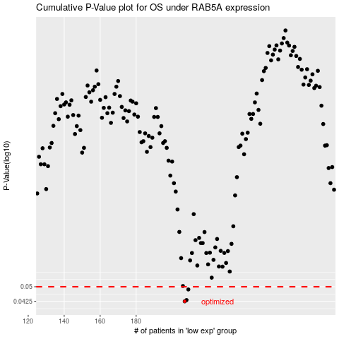

 |  |  |  |  |  | cases_OS | p_OS | rank | exp
 |  |  |  |  |  | 207 | 0.0425 | 154 | -0.2868434693
 |  |  |  |  |  | 208 | 0.0431 | 29 | -0.27985157389
 |  |  |  |  |  | 209 | 0.0485 | 403 | -0.27883373717
 |  |  |  |  |  |  | cases_RFS | p_RFS | rank | exp
 |  |  |  |  |  |  | 206 | 0.0425 | 82 | -0.28719562018
 |  |  |  |  |  |  | 207 | 0.0431 | 154 | -0.2868434693
 |  |  |  |  |  |  | 208 | 0.0485 | 29 | -0.27985157389

