RAB6C _multivariate
Reported by Tex Li-Hsing Chi. tex@gate.sinica.edu.tw 2019-08-16

Table 2. The clinicopathological features of HNSCC cohort and RAB6C expression. (Chi square test)
Cutoff at -0.178 (49.8%)
 |  | RAB6C expression |  | RAB6C expression |  | (Optimised)
 | Features | Low | (%) | High | (%) | Case no | P-value | Remark | Matthews
Gender | Female | 165 | 39.8 | 141 | 34 | 415 | 0.0081 | 1 | 0
2 | Male | 42 | 10.1 | 67 | 16.1
Age at diagnosis | <=65y | 135 | 32.5 | 139 | 33.5 | 415 | 0.8084 | 0 | 0
4 | >65y | 72 | 17.3 | 69 | 16.6
Clinical T Status | T1+T2 | 80 | 19.3 | 69 | 16.6 | 415 | 0.2891 | 0 | 0
6 | T3+T4 | 127 | 30.6 | 139 | 33.5
Clinical N Status | N0 | 97 | 23.4 | 119 | 28.7 | 415 | 0.0442 | 1 | 0
8 | N1-3 | 110 | 26.5 | 89 | 21.4
Clinical M Status | M0 | 204 | 49.2 | 208 | 50.1 | 415 | 0.1232 | 0 | 0
10 | M1 | 3 | 0.7 | 0 | 0
Clinical Stage | Stage I+II | 49 | 11.8 | 53 | 12.8 | 415 | 0.7535 | 0 | 0
12 | Stage III+IV | 158 | 38.1 | 155 | 37.3
Surgical Margin status | Negative | 155 | 37.3 | 163 | 39.3 | 415 | 0.4187 | 0 | 0
14 | Positive | 52 | 12.5 | 45 | 10.8
Tobacco Exposure | Low | 78 | 18.8 | 83 | 20 | 415 | 0.6873 | 0 | 0
16 | High | 129 | 31.1 | 125 | 30.1

Table 3. Univariate/Multivariate Cox's proportional hazards regression analyses on OS time of RAB6C gene expression in HNSCC

 |  | Univariate |  |  |  | Multivariate
 | Features | HR | CI95%(L) | CI95%(H) | P-value | HR | CI95%(L) | CI95%(H) | P-value
1 | Female | 1 |  |  |  | 1
Gender | Male | 1.157 | 0.843 | 1.587 | 0.367 | 1.189 | 0.848 | 1.666 | 0.315
11 | <=65y | 1 |  |  |  | 1
Age at diagnosis | >65y | 1.329 | 0.99 | 1.784 | 0.058 | 1.407 | 1.031 | 1.92 | 0.031
12 | T1+T2 | 1 |  |  |  | 1
Clinical T Status | T3+T4 | 1.409 | 1.028 | 1.931 | 0.033 | 2.195 | 1.161 | 4.151 | 0.016
13 | N0 | 1 |  |  |  | 1
Clinical N Status | N1-3 | 1.185 | 0.89 | 1.577 | 0.246 | 1.253 | 0.876 | 1.794 | 0.217
14 | M0 | 1 |  |  |  | 1
Clinical M Status | M1 | 4.097 | 1.009 | 16.644 | 0.049 | 9.649 | 2.095 | 44.441 | 0.004
15 | Stage I+II | 1 |  |  |  | 1
Clinical Stage | Stage III+IV | 1.245 | 0.882 | 1.759 | 0.213 | 0.503 | 0.234 | 1.08 | 0.078
16 | Negative | 1 |  |  |  | 1
Surgical Margin status | Positive | 1.591 | 1.155 | 2.191 | 0.004 | 1.673 | 1.211 | 2.312 | 0.002
17 | Low | 1 |  |  |  | 1
Tobacco Exposure | High | 1.364 | 1.008 | 1.844 | 0.044 | 1.455 | 1.056 | 2.005 | 0.022
18 | Low | 1 |  |  |  | 1
RNAseq(z-score) | High | 1.012 | 0.759 | 1.348 | 0.936 | 1.066 | 0.792 | 1.434 | 0.673

Table 4. Univariate/Multivariate Cox's proportional hazards regression analyses on RFS time of RAB6C gene expression in HNSCC

 |  | Univariate |  |  |  | Multivariate
 | Features | HR | CI95%(L) | CI95%(H) | P-value | HR | CI95%(L) | CI95%(H) | P-value
1 | Female | 1 |  |  |  | 1
Gender | Male | 1.157 | 0.843 | 1.587 | 0.367 | 1.189 | 0.848 | 1.666 | 0.315
11 | <=65y | 1 |  |  |  | 1
Age at diagnosis | >65y | 1.329 | 0.99 | 1.784 | 0.058 | 1.407 | 1.031 | 1.92 | 0.031
12 | T1+T2 | 1 |  |  |  | 1
Clinical T Status | T3+T4 | 1.409 | 1.028 | 1.931 | 0.033 | 2.195 | 1.161 | 4.151 | 0.016
13 | N0 | 1 |  |  |  | 1
Clinical N Status | N1-3 | 1.185 | 0.89 | 1.577 | 0.246 | 1.253 | 0.876 | 1.794 | 0.217
14 | M0 | 1 |  |  |  | 1
Clinical M Status | M1 | 4.097 | 1.009 | 16.644 | 0.049 | 9.649 | 2.095 | 44.441 | 0.004
15 | Stage I+II | 1 |  |  |  | 1
Clinical Stage | Stage III+IV | 1.245 | 0.882 | 1.759 | 0.213 | 0.503 | 0.234 | 1.08 | 0.078
16 | Negative | 1 |  |  |  | 1
Surgical Margin status | Positive | 1.591 | 1.155 | 2.191 | 0.004 | 1.673 | 1.211 | 2.312 | 0.002
17 | Low | 1 |  |  |  | 1
Tobacco Exposure | High | 1.364 | 1.008 | 1.844 | 0.044 | 1.455 | 1.056 | 2.005 | 0.022
18 | Low | 1 |  |  |  | 1
RNAseq(z-score) | High | 1.012 | 0.759 | 1.348 | 0.936 | 1.066 | 0.792 | 1.434 | 0.673

Kaplan-Meier survival estimate: Cutoff at -0.178 (49.8%)

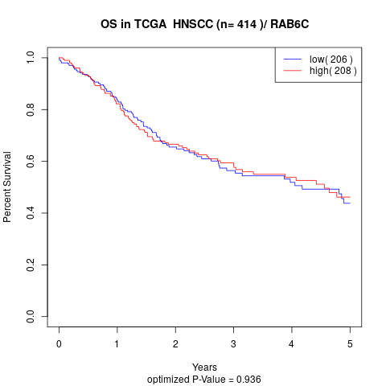

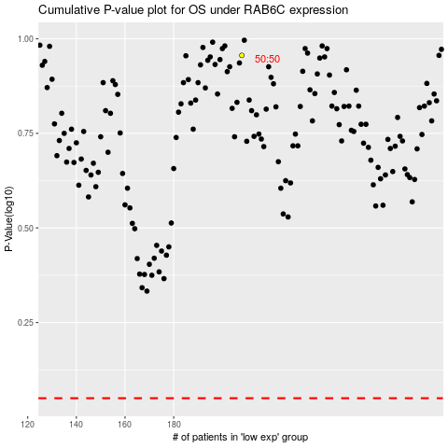

 |  |  |  |  |  | cases_OS | p_OS | rank | exp
 |  |  |  |  |  |  | cases_RFS | p_RFS | rank | exp

