RAB8A _multivariate
Reported by Tex Li-Hsing Chi. tex@gate.sinica.edu.tw 2019-08-16

Table 2. The clinicopathological features of HNSCC cohort and RAB8A expression. (Chi square test)
Cutoff at 0.021 (49.8%)
 |  | RAB8A expression |  | RAB8A expression |  | (Optimised)
 | Features | Low | (%) | High | (%) | Case no | P-value | Remark | Matthews
Gender | Female | 161 | 38.8 | 145 | 34.9 | 415 | 0.0792 | 0 | 0
2 | Male | 46 | 11.1 | 63 | 15.2
Age at diagnosis | <=65y | 139 | 33.5 | 135 | 32.5 | 415 | 0.7044 | 0 | 0
4 | >65y | 68 | 16.4 | 73 | 17.6
Clinical T Status | T1+T2 | 71 | 17.1 | 78 | 18.8 | 415 | 0.5638 | 0 | 0
6 | T3+T4 | 136 | 32.8 | 130 | 31.3
Clinical N Status | N0 | 96 | 23.1 | 120 | 28.9 | 415 | 0.0272 | 1 | 0
8 | N1-3 | 111 | 26.7 | 88 | 21.2
Clinical M Status | M0 | 206 | 49.6 | 206 | 49.6 | 415 | 1 | 0 | 0
10 | M1 | 1 | 0.2 | 2 | 0.5
Clinical Stage | Stage I+II | 44 | 10.6 | 58 | 14 | 415 | 0.1459 | 0 | 0
12 | Stage III+IV | 163 | 39.3 | 150 | 36.1
Surgical Margin status | Negative | 158 | 38.1 | 160 | 38.6 | 415 | 0.9081 | 0 | 0
14 | Positive | 49 | 11.8 | 48 | 11.6
Tobacco Exposure | Low | 72 | 17.3 | 89 | 21.4 | 415 | 0.1071 | 0 | 0
16 | High | 135 | 32.5 | 119 | 28.7

Table 3. Univariate/Multivariate Cox's proportional hazards regression analyses on OS time of RAB8A gene expression in HNSCC

 |  | Univariate |  |  |  | Multivariate
 | Features | HR | CI95%(L) | CI95%(H) | P-value | HR | CI95%(L) | CI95%(H) | P-value
1 | Female | 1 |  |  |  | 1
Gender | Male | 1.157 | 0.843 | 1.587 | 0.367 | 1.199 | 0.858 | 1.675 | 0.287
11 | <=65y | 1 |  |  |  | 1
Age at diagnosis | >65y | 1.329 | 0.99 | 1.784 | 0.058 | 1.398 | 1.027 | 1.902 | 0.033
12 | T1+T2 | 1 |  |  |  | 1
Clinical T Status | T3+T4 | 1.409 | 1.028 | 1.931 | 0.033 | 2.197 | 1.162 | 4.154 | 0.015
13 | N0 | 1 |  |  |  | 1
Clinical N Status | N1-3 | 1.185 | 0.89 | 1.577 | 0.246 | 1.248 | 0.873 | 1.785 | 0.224
14 | M0 | 1 |  |  |  | 1
Clinical M Status | M1 | 4.097 | 1.009 | 16.644 | 0.049 | 9.242 | 2.008 | 42.531 | 0.004
15 | Stage I+II | 1 |  |  |  | 1
Clinical Stage | Stage III+IV | 1.245 | 0.882 | 1.759 | 0.213 | 0.505 | 0.235 | 1.085 | 0.08
16 | Negative | 1 |  |  |  | 1
Surgical Margin status | Positive | 1.591 | 1.155 | 2.191 | 0.004 | 1.675 | 1.212 | 2.316 | 0.002
17 | Low | 1 |  |  |  | 1
Tobacco Exposure | High | 1.364 | 1.008 | 1.844 | 0.044 | 1.459 | 1.057 | 2.012 | 0.021
18 | Low | 1 |  |  |  | 1
RNAseq(z-score) | High | 0.982 | 0.737 | 1.308 | 0.902 | 1.048 | 0.782 | 1.404 | 0.756

Table 4. Univariate/Multivariate Cox's proportional hazards regression analyses on RFS time of RAB8A gene expression in HNSCC

 |  | Univariate |  |  |  | Multivariate
 | Features | HR | CI95%(L) | CI95%(H) | P-value | HR | CI95%(L) | CI95%(H) | P-value
1 | Female | 1 |  |  |  | 1
Gender | Male | 1.157 | 0.843 | 1.587 | 0.367 | 1.199 | 0.858 | 1.675 | 0.287
11 | <=65y | 1 |  |  |  | 1
Age at diagnosis | >65y | 1.329 | 0.99 | 1.784 | 0.058 | 1.398 | 1.027 | 1.902 | 0.033
12 | T1+T2 | 1 |  |  |  | 1
Clinical T Status | T3+T4 | 1.409 | 1.028 | 1.931 | 0.033 | 2.197 | 1.162 | 4.154 | 0.015
13 | N0 | 1 |  |  |  | 1
Clinical N Status | N1-3 | 1.185 | 0.89 | 1.577 | 0.246 | 1.248 | 0.873 | 1.785 | 0.224
14 | M0 | 1 |  |  |  | 1
Clinical M Status | M1 | 4.097 | 1.009 | 16.644 | 0.049 | 9.242 | 2.008 | 42.531 | 0.004
15 | Stage I+II | 1 |  |  |  | 1
Clinical Stage | Stage III+IV | 1.245 | 0.882 | 1.759 | 0.213 | 0.505 | 0.235 | 1.085 | 0.08
16 | Negative | 1 |  |  |  | 1
Surgical Margin status | Positive | 1.591 | 1.155 | 2.191 | 0.004 | 1.675 | 1.212 | 2.316 | 0.002
17 | Low | 1 |  |  |  | 1
Tobacco Exposure | High | 1.364 | 1.008 | 1.844 | 0.044 | 1.459 | 1.057 | 2.012 | 0.021
18 | Low | 1 |  |  |  | 1
RNAseq(z-score) | High | 0.982 | 0.737 | 1.308 | 0.902 | 1.048 | 0.782 | 1.404 | 0.756

Kaplan-Meier survival estimate: Cutoff at 0.021 (49.8%)



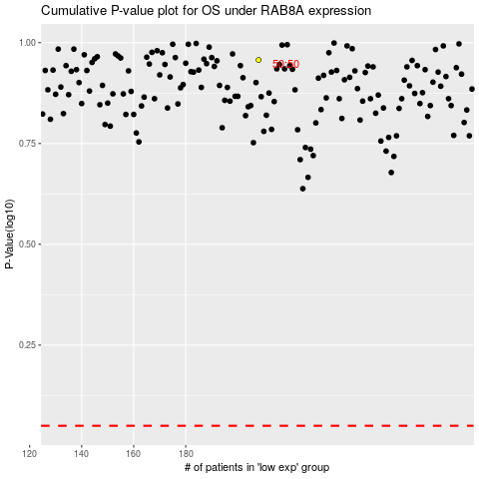

 |  |  |  |  |  | cases_OS | p_OS | rank | exp
 |  |  |  |  |  |  | cases_RFS | p_RFS | rank | exp

